BLOC1S3 _multivariate
Reported by Tex Li-Hsing Chi. tex@gate.sinica.edu.tw 2019-08-21

Table 2. The clinicopathological features of HNSCC cohort and BLOC1S3 expression. (Chi square test)
Cutoff at -0.075 (50.0%)
 |  | BLOC1S3 expression |  | BLOC1S3 expression |  | (Optimised)
 | Features | Low | (%) | High | (%) | Case no | P-value | Remark | Matthews
Gender | Female | 159 | 38.3 | 147 | 35.4 | 415 | 0.1905 | 0 | 0
2 | Male | 48 | 11.6 | 61 | 14.7
Age at diagnosis | <=65y | 140 | 33.7 | 134 | 32.3 | 415 | 0.5574 | 0 | 0
4 | >65y | 67 | 16.1 | 74 | 17.8
Clinical T Status | T1+T2 | 82 | 19.8 | 67 | 16.1 | 415 | 0.1417 | 0 | 0
6 | T3+T4 | 125 | 30.1 | 141 | 34
Clinical N Status | N0 | 108 | 26 | 108 | 26 | 415 | 1 | 0 | 0
8 | N1-3 | 99 | 23.9 | 100 | 24.1
Clinical M Status | M0 | 205 | 49.4 | 207 | 49.9 | 415 | 0.6232 | 0 | 0
10 | M1 | 2 | 0.5 | 1 | 0.2
Clinical Stage | Stage I+II | 50 | 12 | 52 | 12.5 | 415 | 0.9315 | 0 | 0
12 | Stage III+IV | 157 | 37.8 | 156 | 37.6
Surgical Margin status | Negative | 157 | 37.8 | 161 | 38.8 | 415 | 0.729 | 0 | 0
14 | Positive | 50 | 12 | 47 | 11.3
Tobacco Exposure | Low | 74 | 17.8 | 87 | 21 | 415 | 0.227 | 0 | 0
16 | High | 133 | 32 | 121 | 29.2

Table 3. Univariate/Multivariate Cox's proportional hazards regression analyses on OS time of BLOC1S3 gene expression in HNSCC

 |  | Univariate |  |  |  | Multivariate
 | Features | HR | CI95%(L) | CI95%(H) | P-value | HR | CI95%(L) | CI95%(H) | P-value
1 | Female | 1 |  |  |  | 1
Gender | Male | 1.157 | 0.843 | 1.587 | 0.367 | 1.212 | 0.867 | 1.695 | 0.26
11 | <=65y | 1 |  |  |  | 1
Age at diagnosis | >65y | 1.329 | 0.99 | 1.784 | 0.058 | 1.388 | 1.022 | 1.886 | 0.036
12 | T1+T2 | 1 |  |  |  | 1
Clinical T Status | T3+T4 | 1.409 | 1.028 | 1.931 | 0.033 | 2.315 | 1.219 | 4.399 | 0.01
13 | N0 | 1 |  |  |  | 1
Clinical N Status | N1-3 | 1.185 | 0.89 | 1.577 | 0.246 | 1.255 | 0.879 | 1.792 | 0.211
14 | M0 | 1 |  |  |  | 1
Clinical M Status | M1 | 4.097 | 1.009 | 16.644 | 0.049 | 9.562 | 2.085 | 43.842 | 0.004
15 | Stage I+II | 1 |  |  |  | 1
Clinical Stage | Stage III+IV | 1.245 | 0.882 | 1.759 | 0.213 | 0.481 | 0.223 | 1.036 | 0.062
16 | Negative | 1 |  |  |  | 1
Surgical Margin status | Positive | 1.591 | 1.155 | 2.191 | 0.004 | 1.682 | 1.217 | 2.324 | 0.002
17 | Low | 1 |  |  |  | 1
Tobacco Exposure | High | 1.364 | 1.008 | 1.844 | 0.044 | 1.431 | 1.038 | 1.974 | 0.029
18 | Low | 1 |  |  |  | 1
RNAseq(z-score) | High | 0.868 | 0.651 | 1.157 | 0.333 | 0.831 | 0.621 | 1.112 | 0.214

Table 4. Univariate/Multivariate Cox's proportional hazards regression analyses on RFS time of BLOC1S3 gene expression in HNSCC

 |  | Univariate |  |  |  | Multivariate
 | Features | HR | CI95%(L) | CI95%(H) | P-value | HR | CI95%(L) | CI95%(H) | P-value
1 | Female | 1 |  |  |  | 1
Gender | Male | 1.157 | 0.843 | 1.587 | 0.367 | 1.212 | 0.867 | 1.695 | 0.26
11 | <=65y | 1 |  |  |  | 1
Age at diagnosis | >65y | 1.329 | 0.99 | 1.784 | 0.058 | 1.388 | 1.022 | 1.886 | 0.036
12 | T1+T2 | 1 |  |  |  | 1
Clinical T Status | T3+T4 | 1.409 | 1.028 | 1.931 | 0.033 | 2.315 | 1.219 | 4.399 | 0.01
13 | N0 | 1 |  |  |  | 1
Clinical N Status | N1-3 | 1.185 | 0.89 | 1.577 | 0.246 | 1.255 | 0.879 | 1.792 | 0.211
14 | M0 | 1 |  |  |  | 1
Clinical M Status | M1 | 4.097 | 1.009 | 16.644 | 0.049 | 9.562 | 2.085 | 43.842 | 0.004
15 | Stage I+II | 1 |  |  |  | 1
Clinical Stage | Stage III+IV | 1.245 | 0.882 | 1.759 | 0.213 | 0.481 | 0.223 | 1.036 | 0.062
16 | Negative | 1 |  |  |  | 1
Surgical Margin status | Positive | 1.591 | 1.155 | 2.191 | 0.004 | 1.682 | 1.217 | 2.324 | 0.002
17 | Low | 1 |  |  |  | 1
Tobacco Exposure | High | 1.364 | 1.008 | 1.844 | 0.044 | 1.431 | 1.038 | 1.974 | 0.029
18 | Low | 1 |  |  |  | 1
RNAseq(z-score) | High | 0.868 | 0.651 | 1.157 | 0.333 | 0.831 | 0.621 | 1.112 | 0.214

Kaplan-Meier survival estimate: Cutoff at -0.075 (50.0%)



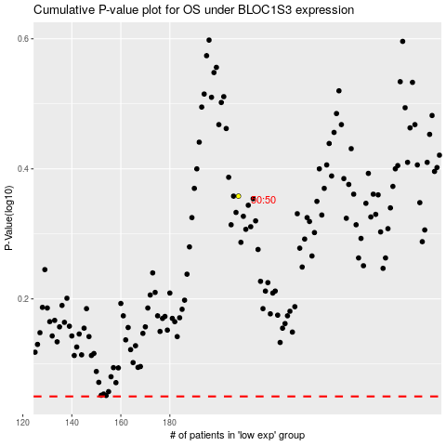

 |  |  |  |  |  | cases_OS | p_OS | rank | exp
 |  |  |  |  |  |  | cases_RFS | p_RFS | rank | exp

