BLZF1 _multivariate
Reported by Tex Li-Hsing Chi. tex@gate.sinica.edu.tw 2019-08-21

Table 2. The clinicopathological features of HNSCC cohort and BLZF1 expression. (Chi square test)
Cutoff at -0.198 (50.0%)
 |  | BLZF1 expression |  | BLZF1 expression |  | (Optimised)
 | Features | Low | (%) | High | (%) | Case no | P-value | Remark | Matthews
Gender | Female | 168 | 40.5 | 138 | 33.3 | 415 | 9e-04 | 1 | 0
2 | Male | 39 | 9.4 | 70 | 16.9
Age at diagnosis | <=65y | 134 | 32.3 | 140 | 33.7 | 415 | 0.6529 | 0 | 0
4 | >65y | 73 | 17.6 | 68 | 16.4
Clinical T Status | T1+T2 | 68 | 16.4 | 81 | 19.5 | 415 | 0.2336 | 0 | 0
6 | T3+T4 | 139 | 33.5 | 127 | 30.6
Clinical N Status | N0 | 103 | 24.8 | 113 | 27.2 | 415 | 0.4047 | 0 | 0
8 | N1-3 | 104 | 25.1 | 95 | 22.9
Clinical M Status | M0 | 206 | 49.6 | 206 | 49.6 | 415 | 1 | 0 | 0
10 | M1 | 1 | 0.2 | 2 | 0.5
Clinical Stage | Stage I+II | 45 | 10.8 | 57 | 13.7 | 415 | 0.2202 | 0 | 0
12 | Stage III+IV | 162 | 39 | 151 | 36.4
Surgical Margin status | Negative | 163 | 39.3 | 155 | 37.3 | 415 | 0.3537 | 0 | 0
14 | Positive | 44 | 10.6 | 53 | 12.8
Tobacco Exposure | Low | 66 | 15.9 | 95 | 22.9 | 415 | 0.0048 | 1 | 0
16 | High | 141 | 34 | 113 | 27.2

Table 3. Univariate/Multivariate Cox's proportional hazards regression analyses on OS time of BLZF1 gene expression in HNSCC

 |  | Univariate |  |  |  | Multivariate
 | Features | HR | CI95%(L) | CI95%(H) | P-value | HR | CI95%(L) | CI95%(H) | P-value
1 | Female | 1 |  |  |  | 1
Gender | Male | 1.157 | 0.843 | 1.587 | 0.367 | 1.175 | 0.838 | 1.647 | 0.349
11 | <=65y | 1 |  |  |  | 1
Age at diagnosis | >65y | 1.329 | 0.99 | 1.784 | 0.058 | 1.411 | 1.036 | 1.921 | 0.029
12 | T1+T2 | 1 |  |  |  | 1
Clinical T Status | T3+T4 | 1.409 | 1.028 | 1.931 | 0.033 | 2.234 | 1.18 | 4.227 | 0.014
13 | N0 | 1 |  |  |  | 1
Clinical N Status | N1-3 | 1.185 | 0.89 | 1.577 | 0.246 | 1.253 | 0.878 | 1.789 | 0.214
14 | M0 | 1 |  |  |  | 1
Clinical M Status | M1 | 4.097 | 1.009 | 16.644 | 0.049 | 9.067 | 1.973 | 41.67 | 0.005
15 | Stage I+II | 1 |  |  |  | 1
Clinical Stage | Stage III+IV | 1.245 | 0.882 | 1.759 | 0.213 | 0.506 | 0.236 | 1.086 | 0.08
16 | Negative | 1 |  |  |  | 1
Surgical Margin status | Positive | 1.591 | 1.155 | 2.191 | 0.004 | 1.651 | 1.193 | 2.284 | 0.002
17 | Low | 1 |  |  |  | 1
Tobacco Exposure | High | 1.364 | 1.008 | 1.844 | 0.044 | 1.474 | 1.068 | 2.033 | 0.018
18 | Low | 1 |  |  |  | 1
RNAseq(z-score) | High | 1.084 | 0.813 | 1.445 | 0.582 | 1.138 | 0.842 | 1.538 | 0.401

Table 4. Univariate/Multivariate Cox's proportional hazards regression analyses on RFS time of BLZF1 gene expression in HNSCC

 |  | Univariate |  |  |  | Multivariate
 | Features | HR | CI95%(L) | CI95%(H) | P-value | HR | CI95%(L) | CI95%(H) | P-value
1 | Female | 1 |  |  |  | 1
Gender | Male | 1.157 | 0.843 | 1.587 | 0.367 | 1.175 | 0.838 | 1.647 | 0.349
11 | <=65y | 1 |  |  |  | 1
Age at diagnosis | >65y | 1.329 | 0.99 | 1.784 | 0.058 | 1.411 | 1.036 | 1.921 | 0.029
12 | T1+T2 | 1 |  |  |  | 1
Clinical T Status | T3+T4 | 1.409 | 1.028 | 1.931 | 0.033 | 2.234 | 1.18 | 4.227 | 0.014
13 | N0 | 1 |  |  |  | 1
Clinical N Status | N1-3 | 1.185 | 0.89 | 1.577 | 0.246 | 1.253 | 0.878 | 1.789 | 0.214
14 | M0 | 1 |  |  |  | 1
Clinical M Status | M1 | 4.097 | 1.009 | 16.644 | 0.049 | 9.067 | 1.973 | 41.67 | 0.005
15 | Stage I+II | 1 |  |  |  | 1
Clinical Stage | Stage III+IV | 1.245 | 0.882 | 1.759 | 0.213 | 0.506 | 0.236 | 1.086 | 0.08
16 | Negative | 1 |  |  |  | 1
Surgical Margin status | Positive | 1.591 | 1.155 | 2.191 | 0.004 | 1.651 | 1.193 | 2.284 | 0.002
17 | Low | 1 |  |  |  | 1
Tobacco Exposure | High | 1.364 | 1.008 | 1.844 | 0.044 | 1.474 | 1.068 | 2.033 | 0.018
18 | Low | 1 |  |  |  | 1
RNAseq(z-score) | High | 1.084 | 0.813 | 1.445 | 0.582 | 1.138 | 0.842 | 1.538 | 0.401

Kaplan-Meier survival estimate: Cutoff at -0.198 (50.0%)



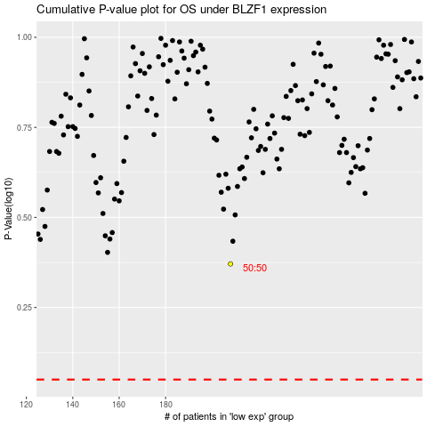

 |  |  |  |  |  | cases_OS | p_OS | rank | exp
 |  |  |  |  |  |  | cases_RFS | p_RFS | rank | exp

