BMF _multivariate
Reported by Tex Li-Hsing Chi. tex@gate.sinica.edu.tw 2019-08-21

Table 2. The clinicopathological features of HNSCC cohort and BMF expression. (Chi square test)
Cutoff at 0.232 (68.6%)
 |  | BMF expression |  | BMF expression |  | (Optimised)
 | Features | Low | (%) | High | (%) | Case no | P-value | Remark | Matthews
Gender | Female | 205 | 49.4 | 101 | 24.3 | 415 | 0.264 | 0 | 0
2 | Male | 80 | 19.3 | 29 | 7
Age at diagnosis | <=65y | 187 | 45.1 | 87 | 21 | 415 | 0.8812 | 0 | 0
4 | >65y | 98 | 23.6 | 43 | 10.4
Clinical T Status | T1+T2 | 95 | 22.9 | 54 | 13 | 415 | 0.1321 | 0 | 0
6 | T3+T4 | 190 | 45.8 | 76 | 18.3
Clinical N Status | N0 | 151 | 36.4 | 65 | 15.7 | 415 | 0.6468 | 0 | 0
8 | N1-3 | 134 | 32.3 | 65 | 15.7
Clinical M Status | M0 | 282 | 68 | 130 | 31.3 | 415 | 0.5551 | 0 | 0
10 | M1 | 3 | 0.7 | 0 | 0
Clinical Stage | Stage I+II | 67 | 16.1 | 35 | 8.4 | 415 | 0.5311 | 0 | 0
12 | Stage III+IV | 218 | 52.5 | 95 | 22.9
Surgical Margin status | Negative | 216 | 52 | 102 | 24.6 | 415 | 0.6175 | 0 | 0
14 | Positive | 69 | 16.6 | 28 | 6.7
Tobacco Exposure | Low | 111 | 26.7 | 50 | 12 | 415 | 1 | 0 | 0
16 | High | 174 | 41.9 | 80 | 19.3

Table 3. Univariate/Multivariate Cox's proportional hazards regression analyses on OS time of BMF gene expression in HNSCC

 |  | Univariate |  |  |  | Multivariate
 | Features | HR | CI95%(L) | CI95%(H) | P-value | HR | CI95%(L) | CI95%(H) | P-value
1 | Female | 1 |  |  |  | 1
Gender | Male | 1.157 | 0.843 | 1.587 | 0.367 | 1.159 | 0.827 | 1.626 | 0.391
11 | <=65y | 1 |  |  |  | 1
Age at diagnosis | >65y | 1.329 | 0.99 | 1.784 | 0.058 | 1.394 | 1.026 | 1.893 | 0.034
12 | T1+T2 | 1 |  |  |  | 1
Clinical T Status | T3+T4 | 1.409 | 1.028 | 1.931 | 0.033 | 2.11 | 1.114 | 3.998 | 0.022
13 | N0 | 1 |  |  |  | 1
Clinical N Status | N1-3 | 1.185 | 0.89 | 1.577 | 0.246 | 1.256 | 0.88 | 1.792 | 0.208
14 | M0 | 1 |  |  |  | 1
Clinical M Status | M1 | 4.097 | 1.009 | 16.644 | 0.049 | 8.308 | 1.798 | 38.379 | 0.007
15 | Stage I+II | 1 |  |  |  | 1
Clinical Stage | Stage III+IV | 1.245 | 0.882 | 1.759 | 0.213 | 0.52 | 0.242 | 1.116 | 0.093
16 | Negative | 1 |  |  |  | 1
Surgical Margin status | Positive | 1.591 | 1.155 | 2.191 | 0.004 | 1.636 | 1.183 | 2.262 | 0.003
17 | Low | 1 |  |  |  | 1
Tobacco Exposure | High | 1.364 | 1.008 | 1.844 | 0.044 | 1.449 | 1.051 | 1.997 | 0.023
18 | Low | 1 |  |  |  | 1
RNAseq(z-score) | High | 0.712 | 0.516 | 0.983 | 0.039 | 0.788 | 0.567 | 1.095 | 0.156

Table 4. Univariate/Multivariate Cox's proportional hazards regression analyses on RFS time of BMF gene expression in HNSCC

 |  | Univariate |  |  |  | Multivariate
 | Features | HR | CI95%(L) | CI95%(H) | P-value | HR | CI95%(L) | CI95%(H) | P-value
1 | Female | 1 |  |  |  | 1
Gender | Male | 1.157 | 0.843 | 1.587 | 0.367 | 1.159 | 0.827 | 1.626 | 0.391
11 | <=65y | 1 |  |  |  | 1
Age at diagnosis | >65y | 1.329 | 0.99 | 1.784 | 0.058 | 1.394 | 1.026 | 1.893 | 0.034
12 | T1+T2 | 1 |  |  |  | 1
Clinical T Status | T3+T4 | 1.409 | 1.028 | 1.931 | 0.033 | 2.11 | 1.114 | 3.998 | 0.022
13 | N0 | 1 |  |  |  | 1
Clinical N Status | N1-3 | 1.185 | 0.89 | 1.577 | 0.246 | 1.256 | 0.88 | 1.792 | 0.208
14 | M0 | 1 |  |  |  | 1
Clinical M Status | M1 | 4.097 | 1.009 | 16.644 | 0.049 | 8.308 | 1.798 | 38.379 | 0.007
15 | Stage I+II | 1 |  |  |  | 1
Clinical Stage | Stage III+IV | 1.245 | 0.882 | 1.759 | 0.213 | 0.52 | 0.242 | 1.116 | 0.093
16 | Negative | 1 |  |  |  | 1
Surgical Margin status | Positive | 1.591 | 1.155 | 2.191 | 0.004 | 1.636 | 1.183 | 2.262 | 0.003
17 | Low | 1 |  |  |  | 1
Tobacco Exposure | High | 1.364 | 1.008 | 1.844 | 0.044 | 1.449 | 1.051 | 1.997 | 0.023
18 | Low | 1 |  |  |  | 1
RNAseq(z-score) | High | 0.712 | 0.516 | 0.983 | 0.039 | 0.788 | 0.567 | 1.095 | 0.156

Kaplan-Meier survival estimate: Cutoff at 0.232 (68.6%)



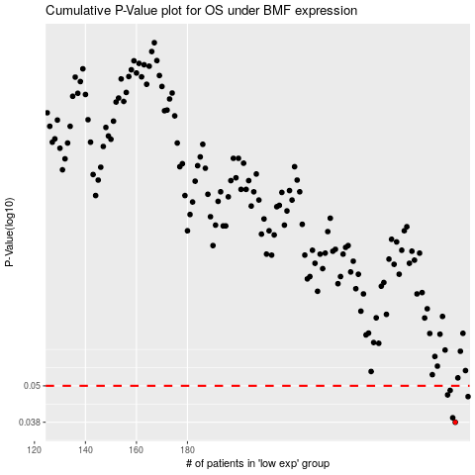

 |  |  |  |  |  | cases_OS | p_OS | rank | exp
 |  |  |  |  |  | 285 | 0.038 | 362 | 0.23153131717
 |  |  |  |  |  | 284 | 0.0393 | 228 | 0.22581810034
 |  |  |  |  |  | 290 | 0.0461 | 243 | 0.25745798024
 |  |  |  |  |  | 282 | 0.0467 | 391 | 0.21955850032
 |  |  |  |  |  | 283 | 0.0483 | 56 | 0.22130341407
 |  |  |  |  |  |  | cases_RFS | p_RFS | rank | exp
 |  |  |  |  |  |  | 284 | 0.038 | 228 | 0.22581810034
 |  |  |  |  |  |  | 283 | 0.0393 | 56 | 0.22130341407
 |  |  |  |  |  |  | 289 | 0.0461 | 209 | 0.25373711069
 |  |  |  |  |  |  | 281 | 0.0467 | 155 | 0.2136801977
 |  |  |  |  |  |  | 282 | 0.0483 | 391 | 0.21955850032

