BMP4 _multivariate
Reported by Tex Li-Hsing Chi. tex@gate.sinica.edu.tw 2019-08-21

Table 2. The clinicopathological features of HNSCC cohort and BMP4 expression. (Chi square test)
Cutoff at -0.141 (50.0%)
 |  | BMP4 expression |  | BMP4 expression |  | (Optimised)
 | Features | Low | (%) | High | (%) | Case no | P-value | Remark | Matthews
Gender | Female | 155 | 37.3 | 151 | 36.4 | 415 | 0.6768 | 0 | 0
2 | Male | 52 | 12.5 | 57 | 13.7
Age at diagnosis | <=65y | 138 | 33.3 | 136 | 32.8 | 415 | 0.8634 | 0 | 0
4 | >65y | 69 | 16.6 | 72 | 17.3
Clinical T Status | T1+T2 | 69 | 16.6 | 80 | 19.3 | 415 | 0.3239 | 0 | 0
6 | T3+T4 | 138 | 33.3 | 128 | 30.8
Clinical N Status | N0 | 96 | 23.1 | 120 | 28.9 | 415 | 0.0272 | 1 | 0
8 | N1-3 | 111 | 26.7 | 88 | 21.2
Clinical M Status | M0 | 205 | 49.4 | 207 | 49.9 | 415 | 0.6232 | 0 | 0
10 | M1 | 2 | 0.5 | 1 | 0.2
Clinical Stage | Stage I+II | 42 | 10.1 | 60 | 14.5 | 415 | 0.0561 | 0 | 0
12 | Stage III+IV | 165 | 39.8 | 148 | 35.7
Surgical Margin status | Negative | 153 | 36.9 | 165 | 39.8 | 415 | 0.2036 | 0 | 0
14 | Positive | 54 | 13 | 43 | 10.4
Tobacco Exposure | Low | 86 | 20.7 | 75 | 18.1 | 415 | 0.2687 | 0 | 0
16 | High | 121 | 29.2 | 133 | 32

Table 3. Univariate/Multivariate Cox's proportional hazards regression analyses on OS time of BMP4 gene expression in HNSCC

 |  | Univariate |  |  |  | Multivariate
 | Features | HR | CI95%(L) | CI95%(H) | P-value | HR | CI95%(L) | CI95%(H) | P-value
1 | Female | 1 |  |  |  | 1
Gender | Male | 1.157 | 0.843 | 1.587 | 0.367 | 1.195 | 0.855 | 1.67 | 0.297
11 | <=65y | 1 |  |  |  | 1
Age at diagnosis | >65y | 1.329 | 0.99 | 1.784 | 0.058 | 1.393 | 1.025 | 1.893 | 0.034
12 | T1+T2 | 1 |  |  |  | 1
Clinical T Status | T3+T4 | 1.409 | 1.028 | 1.931 | 0.033 | 2.213 | 1.17 | 4.186 | 0.015
13 | N0 | 1 |  |  |  | 1
Clinical N Status | N1-3 | 1.185 | 0.89 | 1.577 | 0.246 | 1.253 | 0.877 | 1.791 | 0.216
14 | M0 | 1 |  |  |  | 1
Clinical M Status | M1 | 4.097 | 1.009 | 16.644 | 0.049 | 9.427 | 2.057 | 43.213 | 0.004
15 | Stage I+II | 1 |  |  |  | 1
Clinical Stage | Stage III+IV | 1.245 | 0.882 | 1.759 | 0.213 | 0.505 | 0.235 | 1.084 | 0.08
16 | Negative | 1 |  |  |  | 1
Surgical Margin status | Positive | 1.591 | 1.155 | 2.191 | 0.004 | 1.689 | 1.22 | 2.34 | 0.002
17 | Low | 1 |  |  |  | 1
Tobacco Exposure | High | 1.364 | 1.008 | 1.844 | 0.044 | 1.436 | 1.039 | 1.984 | 0.028
18 | Low | 1 |  |  |  | 1
RNAseq(z-score) | High | 1.037 | 0.779 | 1.38 | 0.805 | 1.079 | 0.803 | 1.45 | 0.613

Table 4. Univariate/Multivariate Cox's proportional hazards regression analyses on RFS time of BMP4 gene expression in HNSCC

 |  | Univariate |  |  |  | Multivariate
 | Features | HR | CI95%(L) | CI95%(H) | P-value | HR | CI95%(L) | CI95%(H) | P-value
1 | Female | 1 |  |  |  | 1
Gender | Male | 1.157 | 0.843 | 1.587 | 0.367 | 1.195 | 0.855 | 1.67 | 0.297
11 | <=65y | 1 |  |  |  | 1
Age at diagnosis | >65y | 1.329 | 0.99 | 1.784 | 0.058 | 1.393 | 1.025 | 1.893 | 0.034
12 | T1+T2 | 1 |  |  |  | 1
Clinical T Status | T3+T4 | 1.409 | 1.028 | 1.931 | 0.033 | 2.213 | 1.17 | 4.186 | 0.015
13 | N0 | 1 |  |  |  | 1
Clinical N Status | N1-3 | 1.185 | 0.89 | 1.577 | 0.246 | 1.253 | 0.877 | 1.791 | 0.216
14 | M0 | 1 |  |  |  | 1
Clinical M Status | M1 | 4.097 | 1.009 | 16.644 | 0.049 | 9.427 | 2.057 | 43.213 | 0.004
15 | Stage I+II | 1 |  |  |  | 1
Clinical Stage | Stage III+IV | 1.245 | 0.882 | 1.759 | 0.213 | 0.505 | 0.235 | 1.084 | 0.08
16 | Negative | 1 |  |  |  | 1
Surgical Margin status | Positive | 1.591 | 1.155 | 2.191 | 0.004 | 1.689 | 1.22 | 2.34 | 0.002
17 | Low | 1 |  |  |  | 1
Tobacco Exposure | High | 1.364 | 1.008 | 1.844 | 0.044 | 1.436 | 1.039 | 1.984 | 0.028
18 | Low | 1 |  |  |  | 1
RNAseq(z-score) | High | 1.037 | 0.779 | 1.38 | 0.805 | 1.079 | 0.803 | 1.45 | 0.613

Kaplan-Meier survival estimate: Cutoff at -0.141 (50.0%)

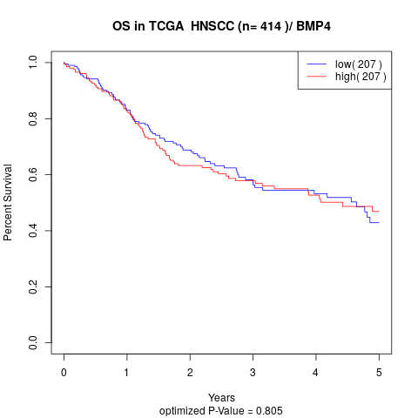

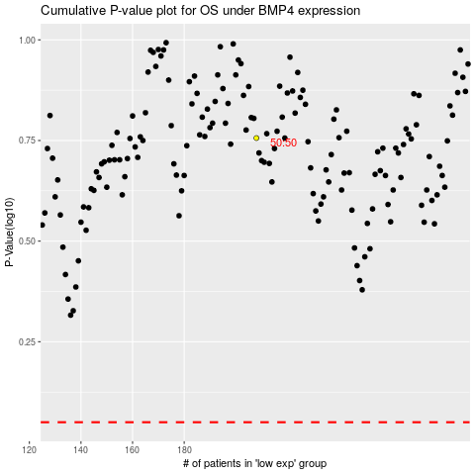

 |  |  |  |  |  | cases_OS | p_OS | rank | exp
 |  |  |  |  |  |  | cases_RFS | p_RFS | rank | exp

