BMP6 _multivariate
Reported by Tex Li-Hsing Chi. tex@gate.sinica.edu.tw 2019-08-21

Table 2. The clinicopathological features of HNSCC cohort and BMP6 expression. (Chi square test)
Cutoff at -0.083 (66.2%)
 |  | BMP6 expression |  | BMP6 expression |  | (Optimised)
 | Features | Low | (%) | High | (%) | Case no | P-value | Remark | Matthews
Gender | Female | 199 | 48 | 107 | 25.8 | 415 | 0.4403 | 0 | 0
2 | Male | 76 | 18.3 | 33 | 8
Age at diagnosis | <=65y | 177 | 42.7 | 97 | 23.4 | 415 | 0.3727 | 0 | 0
4 | >65y | 98 | 23.6 | 43 | 10.4
Clinical T Status | T1+T2 | 93 | 22.4 | 56 | 13.5 | 415 | 0.2572 | 0 | 0
6 | T3+T4 | 182 | 43.9 | 84 | 20.2
Clinical N Status | N0 | 140 | 33.7 | 76 | 18.3 | 415 | 0.5843 | 0 | 0
8 | N1-3 | 135 | 32.5 | 64 | 15.4
Clinical M Status | M0 | 272 | 65.5 | 140 | 33.7 | 415 | 0.554 | 0 | 0
10 | M1 | 3 | 0.7 | 0 | 0
Clinical Stage | Stage I+II | 65 | 15.7 | 37 | 8.9 | 415 | 0.6142 | 0 | 0
12 | Stage III+IV | 210 | 50.6 | 103 | 24.8
Surgical Margin status | Negative | 209 | 50.4 | 109 | 26.3 | 415 | 0.7141 | 0 | 0
14 | Positive | 66 | 15.9 | 31 | 7.5
Tobacco Exposure | Low | 107 | 25.8 | 54 | 13 | 415 | 1 | 0 | 0
16 | High | 168 | 40.5 | 86 | 20.7

Table 3. Univariate/Multivariate Cox's proportional hazards regression analyses on OS time of BMP6 gene expression in HNSCC

 |  | Univariate |  |  |  | Multivariate
 | Features | HR | CI95%(L) | CI95%(H) | P-value | HR | CI95%(L) | CI95%(H) | P-value
1 | Female | 1 |  |  |  | 1
Gender | Male | 1.157 | 0.843 | 1.587 | 0.367 | 1.186 | 0.848 | 1.659 | 0.319
11 | <=65y | 1 |  |  |  | 1
Age at diagnosis | >65y | 1.329 | 0.99 | 1.784 | 0.058 | 1.376 | 1.013 | 1.87 | 0.041
12 | T1+T2 | 1 |  |  |  | 1
Clinical T Status | T3+T4 | 1.409 | 1.028 | 1.931 | 0.033 | 2.138 | 1.13 | 4.048 | 0.02
13 | N0 | 1 |  |  |  | 1
Clinical N Status | N1-3 | 1.185 | 0.89 | 1.577 | 0.246 | 1.217 | 0.853 | 1.737 | 0.279
14 | M0 | 1 |  |  |  | 1
Clinical M Status | M1 | 4.097 | 1.009 | 16.644 | 0.049 | 8.493 | 1.845 | 39.089 | 0.006
15 | Stage I+II | 1 |  |  |  | 1
Clinical Stage | Stage III+IV | 1.245 | 0.882 | 1.759 | 0.213 | 0.512 | 0.238 | 1.099 | 0.086
16 | Negative | 1 |  |  |  | 1
Surgical Margin status | Positive | 1.591 | 1.155 | 2.191 | 0.004 | 1.672 | 1.209 | 2.312 | 0.002
17 | Low | 1 |  |  |  | 1
Tobacco Exposure | High | 1.364 | 1.008 | 1.844 | 0.044 | 1.479 | 1.072 | 2.041 | 0.017
18 | Low | 1 |  |  |  | 1
RNAseq(z-score) | High | 0.718 | 0.526 | 0.982 | 0.038 | 0.754 | 0.549 | 1.037 | 0.082

Table 4. Univariate/Multivariate Cox's proportional hazards regression analyses on RFS time of BMP6 gene expression in HNSCC

 |  | Univariate |  |  |  | Multivariate
 | Features | HR | CI95%(L) | CI95%(H) | P-value | HR | CI95%(L) | CI95%(H) | P-value
1 | Female | 1 |  |  |  | 1
Gender | Male | 1.157 | 0.843 | 1.587 | 0.367 | 1.186 | 0.848 | 1.659 | 0.319
11 | <=65y | 1 |  |  |  | 1
Age at diagnosis | >65y | 1.329 | 0.99 | 1.784 | 0.058 | 1.376 | 1.013 | 1.87 | 0.041
12 | T1+T2 | 1 |  |  |  | 1
Clinical T Status | T3+T4 | 1.409 | 1.028 | 1.931 | 0.033 | 2.138 | 1.13 | 4.048 | 0.02
13 | N0 | 1 |  |  |  | 1
Clinical N Status | N1-3 | 1.185 | 0.89 | 1.577 | 0.246 | 1.217 | 0.853 | 1.737 | 0.279
14 | M0 | 1 |  |  |  | 1
Clinical M Status | M1 | 4.097 | 1.009 | 16.644 | 0.049 | 8.493 | 1.845 | 39.089 | 0.006
15 | Stage I+II | 1 |  |  |  | 1
Clinical Stage | Stage III+IV | 1.245 | 0.882 | 1.759 | 0.213 | 0.512 | 0.238 | 1.099 | 0.086
16 | Negative | 1 |  |  |  | 1
Surgical Margin status | Positive | 1.591 | 1.155 | 2.191 | 0.004 | 1.672 | 1.209 | 2.312 | 0.002
17 | Low | 1 |  |  |  | 1
Tobacco Exposure | High | 1.364 | 1.008 | 1.844 | 0.044 | 1.479 | 1.072 | 2.041 | 0.017
18 | Low | 1 |  |  |  | 1
RNAseq(z-score) | High | 0.718 | 0.526 | 0.982 | 0.038 | 0.754 | 0.549 | 1.037 | 0.082

Kaplan-Meier survival estimate: Cutoff at -0.083 (66.2%)



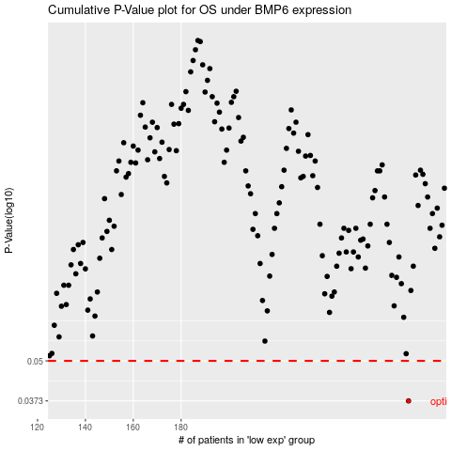

 |  |  |  |  |  | cases_OS | p_OS | rank | exp
 |  |  |  |  |  | 275 | 0.0373 | 271 | -0.082854753682
 |  |  |  |  |  |  | cases_RFS | p_RFS | rank | exp
 |  |  |  |  |  |  | 274 | 0.0373 | 394 | -0.084945702125

