BMP8B _multivariate
Reported by Tex Li-Hsing Chi. tex@gate.sinica.edu.tw 2019-08-21

Table 2. The clinicopathological features of HNSCC cohort and BMP8B expression. (Chi square test)
Cutoff at -0.264 (49.8%)
 |  | BMP8B expression |  | BMP8B expression |  | (Optimised)
 | Features | Low | (%) | High | (%) | Case no | P-value | Remark | Matthews
Gender | Female | 148 | 35.7 | 158 | 38.1 | 415 | 0.3567 | 0 | 0
2 | Male | 59 | 14.2 | 50 | 12
Age at diagnosis | <=65y | 131 | 31.6 | 143 | 34.5 | 415 | 0.2839 | 0 | 0
4 | >65y | 76 | 18.3 | 65 | 15.7
Clinical T Status | T1+T2 | 82 | 19.8 | 67 | 16.1 | 415 | 0.1417 | 0 | 0
6 | T3+T4 | 125 | 30.1 | 141 | 34
Clinical N Status | N0 | 117 | 28.2 | 99 | 23.9 | 415 | 0.0852 | 1 | 0
8 | N1-3 | 90 | 21.7 | 109 | 26.3
Clinical M Status | M0 | 205 | 49.4 | 207 | 49.9 | 415 | 0.6232 | 0 | 0
10 | M1 | 2 | 0.5 | 1 | 0.2
Clinical Stage | Stage I+II | 60 | 14.5 | 42 | 10.1 | 415 | 0.0493 | 1 | 0
12 | Stage III+IV | 147 | 35.4 | 166 | 40
Surgical Margin status | Negative | 166 | 40 | 152 | 36.6 | 415 | 0.1042 | 0 | 0
14 | Positive | 41 | 9.9 | 56 | 13.5
Tobacco Exposure | Low | 88 | 21.2 | 73 | 17.6 | 415 | 0.1314 | 0 | 0
16 | High | 119 | 28.7 | 135 | 32.5

Table 3. Univariate/Multivariate Cox's proportional hazards regression analyses on OS time of BMP8B gene expression in HNSCC

 |  | Univariate |  |  |  | Multivariate
 | Features | HR | CI95%(L) | CI95%(H) | P-value | HR | CI95%(L) | CI95%(H) | P-value
1 | Female | 1 |  |  |  | 1
Gender | Male | 1.157 | 0.843 | 1.587 | 0.367 | 1.192 | 0.853 | 1.666 | 0.304
11 | <=65y | 1 |  |  |  | 1
Age at diagnosis | >65y | 1.329 | 0.99 | 1.784 | 0.058 | 1.37 | 1.007 | 1.864 | 0.045
12 | T1+T2 | 1 |  |  |  | 1
Clinical T Status | T3+T4 | 1.409 | 1.028 | 1.931 | 0.033 | 2.218 | 1.173 | 4.193 | 0.014
13 | N0 | 1 |  |  |  | 1
Clinical N Status | N1-3 | 1.185 | 0.89 | 1.577 | 0.246 | 1.247 | 0.874 | 1.779 | 0.224
14 | M0 | 1 |  |  |  | 1
Clinical M Status | M1 | 4.097 | 1.009 | 16.644 | 0.049 | 9.147 | 1.994 | 41.963 | 0.004
15 | Stage I+II | 1 |  |  |  | 1
Clinical Stage | Stage III+IV | 1.245 | 0.882 | 1.759 | 0.213 | 0.513 | 0.239 | 1.102 | 0.087
16 | Negative | 1 |  |  |  | 1
Surgical Margin status | Positive | 1.591 | 1.155 | 2.191 | 0.004 | 1.668 | 1.207 | 2.304 | 0.002
17 | Low | 1 |  |  |  | 1
Tobacco Exposure | High | 1.364 | 1.008 | 1.844 | 0.044 | 1.462 | 1.061 | 2.014 | 0.02
18 | Low | 1 |  |  |  | 1
RNAseq(z-score) | High | 0.861 | 0.646 | 1.148 | 0.308 | 0.857 | 0.639 | 1.149 | 0.303

Table 4. Univariate/Multivariate Cox's proportional hazards regression analyses on RFS time of BMP8B gene expression in HNSCC

 |  | Univariate |  |  |  | Multivariate
 | Features | HR | CI95%(L) | CI95%(H) | P-value | HR | CI95%(L) | CI95%(H) | P-value
1 | Female | 1 |  |  |  | 1
Gender | Male | 1.157 | 0.843 | 1.587 | 0.367 | 1.192 | 0.853 | 1.666 | 0.304
11 | <=65y | 1 |  |  |  | 1
Age at diagnosis | >65y | 1.329 | 0.99 | 1.784 | 0.058 | 1.37 | 1.007 | 1.864 | 0.045
12 | T1+T2 | 1 |  |  |  | 1
Clinical T Status | T3+T4 | 1.409 | 1.028 | 1.931 | 0.033 | 2.218 | 1.173 | 4.193 | 0.014
13 | N0 | 1 |  |  |  | 1
Clinical N Status | N1-3 | 1.185 | 0.89 | 1.577 | 0.246 | 1.247 | 0.874 | 1.779 | 0.224
14 | M0 | 1 |  |  |  | 1
Clinical M Status | M1 | 4.097 | 1.009 | 16.644 | 0.049 | 9.147 | 1.994 | 41.963 | 0.004
15 | Stage I+II | 1 |  |  |  | 1
Clinical Stage | Stage III+IV | 1.245 | 0.882 | 1.759 | 0.213 | 0.513 | 0.239 | 1.102 | 0.087
16 | Negative | 1 |  |  |  | 1
Surgical Margin status | Positive | 1.591 | 1.155 | 2.191 | 0.004 | 1.668 | 1.207 | 2.304 | 0.002
17 | Low | 1 |  |  |  | 1
Tobacco Exposure | High | 1.364 | 1.008 | 1.844 | 0.044 | 1.462 | 1.061 | 2.014 | 0.02
18 | Low | 1 |  |  |  | 1
RNAseq(z-score) | High | 0.861 | 0.646 | 1.148 | 0.308 | 0.857 | 0.639 | 1.149 | 0.303

Kaplan-Meier survival estimate: Cutoff at -0.264 (49.8%)



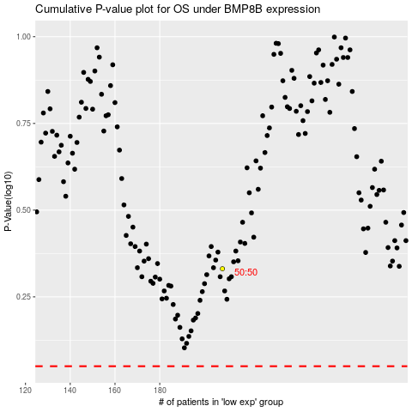

 |  |  |  |  |  | cases_OS | p_OS | rank | exp
 |  |  |  |  |  |  | cases_RFS | p_RFS | rank | exp

