BMPER _multivariate
Reported by Tex Li-Hsing Chi. tex@gate.sinica.edu.tw 2019-08-21

Table 2. The clinicopathological features of HNSCC cohort and BMPER expression. (Chi square test)
Cutoff at -0.165 (49.8%)
 |  | BMPER expression |  | BMPER expression |  | (Optimised)
 | Features | Low | (%) | High | (%) | Case no | P-value | Remark | Matthews
Gender | Female | 157 | 37.8 | 149 | 35.9 | 415 | 0.3881 | 0 | 0
2 | Male | 50 | 12 | 59 | 14.2
Age at diagnosis | <=65y | 137 | 33 | 137 | 33 | 415 | 1 | 0 | 0
4 | >65y | 70 | 16.9 | 71 | 17.1
Clinical T Status | T1+T2 | 70 | 16.9 | 79 | 19 | 415 | 0.4343 | 0 | 0
6 | T3+T4 | 137 | 33 | 129 | 31.1
Clinical N Status | N0 | 107 | 25.8 | 109 | 26.3 | 415 | 0.9624 | 0 | 0
8 | N1-3 | 100 | 24.1 | 99 | 23.9
Clinical M Status | M0 | 205 | 49.4 | 207 | 49.9 | 415 | 0.6232 | 0 | 0
10 | M1 | 2 | 0.5 | 1 | 0.2
Clinical Stage | Stage I+II | 45 | 10.8 | 57 | 13.7 | 415 | 0.2202 | 0 | 0
12 | Stage III+IV | 162 | 39 | 151 | 36.4
Surgical Margin status | Negative | 162 | 39 | 156 | 37.6 | 415 | 0.4867 | 0 | 0
14 | Positive | 45 | 10.8 | 52 | 12.5
Tobacco Exposure | Low | 71 | 17.1 | 90 | 21.7 | 415 | 0.0698 | 0 | 0
16 | High | 136 | 32.8 | 118 | 28.4

Table 3. Univariate/Multivariate Cox's proportional hazards regression analyses on OS time of BMPER gene expression in HNSCC

 |  | Univariate |  |  |  | Multivariate
 | Features | HR | CI95%(L) | CI95%(H) | P-value | HR | CI95%(L) | CI95%(H) | P-value
1 | Female | 1 |  |  |  | 1
Gender | Male | 1.157 | 0.843 | 1.587 | 0.367 | 1.193 | 0.854 | 1.667 | 0.302
11 | <=65y | 1 |  |  |  | 1
Age at diagnosis | >65y | 1.329 | 0.99 | 1.784 | 0.058 | 1.4 | 1.03 | 1.904 | 0.032
12 | T1+T2 | 1 |  |  |  | 1
Clinical T Status | T3+T4 | 1.409 | 1.028 | 1.931 | 0.033 | 2.195 | 1.16 | 4.153 | 0.016
13 | N0 | 1 |  |  |  | 1
Clinical N Status | N1-3 | 1.185 | 0.89 | 1.577 | 0.246 | 1.24 | 0.869 | 1.769 | 0.235
14 | M0 | 1 |  |  |  | 1
Clinical M Status | M1 | 4.097 | 1.009 | 16.644 | 0.049 | 9.424 | 2.056 | 43.199 | 0.004
15 | Stage I+II | 1 |  |  |  | 1
Clinical Stage | Stage III+IV | 1.245 | 0.882 | 1.759 | 0.213 | 0.511 | 0.238 | 1.098 | 0.085
16 | Negative | 1 |  |  |  | 1
Surgical Margin status | Positive | 1.591 | 1.155 | 2.191 | 0.004 | 1.665 | 1.205 | 2.301 | 0.002
17 | Low | 1 |  |  |  | 1
Tobacco Exposure | High | 1.364 | 1.008 | 1.844 | 0.044 | 1.461 | 1.061 | 2.012 | 0.02
18 | Low | 1 |  |  |  | 1
RNAseq(z-score) | High | 1.078 | 0.81 | 1.435 | 0.608 | 1.106 | 0.828 | 1.477 | 0.494

Table 4. Univariate/Multivariate Cox's proportional hazards regression analyses on RFS time of BMPER gene expression in HNSCC

 |  | Univariate |  |  |  | Multivariate
 | Features | HR | CI95%(L) | CI95%(H) | P-value | HR | CI95%(L) | CI95%(H) | P-value
1 | Female | 1 |  |  |  | 1
Gender | Male | 1.157 | 0.843 | 1.587 | 0.367 | 1.193 | 0.854 | 1.667 | 0.302
11 | <=65y | 1 |  |  |  | 1
Age at diagnosis | >65y | 1.329 | 0.99 | 1.784 | 0.058 | 1.4 | 1.03 | 1.904 | 0.032
12 | T1+T2 | 1 |  |  |  | 1
Clinical T Status | T3+T4 | 1.409 | 1.028 | 1.931 | 0.033 | 2.195 | 1.16 | 4.153 | 0.016
13 | N0 | 1 |  |  |  | 1
Clinical N Status | N1-3 | 1.185 | 0.89 | 1.577 | 0.246 | 1.24 | 0.869 | 1.769 | 0.235
14 | M0 | 1 |  |  |  | 1
Clinical M Status | M1 | 4.097 | 1.009 | 16.644 | 0.049 | 9.424 | 2.056 | 43.199 | 0.004
15 | Stage I+II | 1 |  |  |  | 1
Clinical Stage | Stage III+IV | 1.245 | 0.882 | 1.759 | 0.213 | 0.511 | 0.238 | 1.098 | 0.085
16 | Negative | 1 |  |  |  | 1
Surgical Margin status | Positive | 1.591 | 1.155 | 2.191 | 0.004 | 1.665 | 1.205 | 2.301 | 0.002
17 | Low | 1 |  |  |  | 1
Tobacco Exposure | High | 1.364 | 1.008 | 1.844 | 0.044 | 1.461 | 1.061 | 2.012 | 0.02
18 | Low | 1 |  |  |  | 1
RNAseq(z-score) | High | 1.078 | 0.81 | 1.435 | 0.608 | 1.106 | 0.828 | 1.477 | 0.494

Kaplan-Meier survival estimate: Cutoff at -0.165 (49.8%)



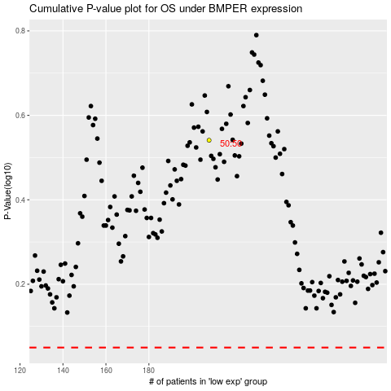

 |  |  |  |  |  | cases_OS | p_OS | rank | exp
 |  |  |  |  |  |  | cases_RFS | p_RFS | rank | exp

