BMPR1A _multivariate
Reported by Tex Li-Hsing Chi. tex@gate.sinica.edu.tw 2019-08-21

Table 2. The clinicopathological features of HNSCC cohort and BMPR1A expression. (Chi square test)
Cutoff at -0.137 (49.8%)
 |  | BMPR1A expression |  | BMPR1A expression |  | (Optimised)
 | Features | Low | (%) | High | (%) | Case no | P-value | Remark | Matthews
Gender | Female | 152 | 36.6 | 154 | 37.1 | 415 | 0.9766 | 0 | 0
2 | Male | 55 | 13.3 | 54 | 13
Age at diagnosis | <=65y | 141 | 34 | 133 | 32 | 415 | 0.4272 | 0 | 0
4 | >65y | 66 | 15.9 | 75 | 18.1
Clinical T Status | T1+T2 | 85 | 20.5 | 64 | 15.4 | 415 | 0.0372 | 1 | 0
6 | T3+T4 | 122 | 29.4 | 144 | 34.7
Clinical N Status | N0 | 105 | 25.3 | 111 | 26.7 | 415 | 0.6598 | 0 | 0
8 | N1-3 | 102 | 24.6 | 97 | 23.4
Clinical M Status | M0 | 204 | 49.2 | 208 | 50.1 | 415 | 0.1232 | 0 | 0
10 | M1 | 3 | 0.7 | 0 | 0
Clinical Stage | Stage I+II | 52 | 12.5 | 50 | 12 | 415 | 0.8871 | 0 | 0
12 | Stage III+IV | 155 | 37.3 | 158 | 38.1
Surgical Margin status | Negative | 161 | 38.8 | 157 | 37.8 | 415 | 0.6429 | 0 | 0
14 | Positive | 46 | 11.1 | 51 | 12.3
Tobacco Exposure | Low | 89 | 21.4 | 72 | 17.3 | 415 | 0.0872 | 0 | 0
16 | High | 118 | 28.4 | 136 | 32.8

Table 3. Univariate/Multivariate Cox's proportional hazards regression analyses on OS time of BMPR1A gene expression in HNSCC

 |  | Univariate |  |  |  | Multivariate
 | Features | HR | CI95%(L) | CI95%(H) | P-value | HR | CI95%(L) | CI95%(H) | P-value
1 | Female | 1 |  |  |  | 1
Gender | Male | 1.157 | 0.843 | 1.587 | 0.367 | 1.194 | 0.854 | 1.669 | 0.301
11 | <=65y | 1 |  |  |  | 1
Age at diagnosis | >65y | 1.329 | 0.99 | 1.784 | 0.058 | 1.394 | 1.026 | 1.894 | 0.034
12 | T1+T2 | 1 |  |  |  | 1
Clinical T Status | T3+T4 | 1.409 | 1.028 | 1.931 | 0.033 | 2.254 | 1.189 | 4.277 | 0.013
13 | N0 | 1 |  |  |  | 1
Clinical N Status | N1-3 | 1.185 | 0.89 | 1.577 | 0.246 | 1.247 | 0.874 | 1.78 | 0.223
14 | M0 | 1 |  |  |  | 1
Clinical M Status | M1 | 4.097 | 1.009 | 16.644 | 0.049 | 9.058 | 1.97 | 41.651 | 0.005
15 | Stage I+II | 1 |  |  |  | 1
Clinical Stage | Stage III+IV | 1.245 | 0.882 | 1.759 | 0.213 | 0.495 | 0.23 | 1.065 | 0.072
16 | Negative | 1 |  |  |  | 1
Surgical Margin status | Positive | 1.591 | 1.155 | 2.191 | 0.004 | 1.67 | 1.209 | 2.307 | 0.002
17 | Low | 1 |  |  |  | 1
Tobacco Exposure | High | 1.364 | 1.008 | 1.844 | 0.044 | 1.46 | 1.059 | 2.013 | 0.021
18 | Low | 1 |  |  |  | 1
RNAseq(z-score) | High | 0.943 | 0.707 | 1.257 | 0.688 | 0.898 | 0.67 | 1.204 | 0.473

Table 4. Univariate/Multivariate Cox's proportional hazards regression analyses on RFS time of BMPR1A gene expression in HNSCC

 |  | Univariate |  |  |  | Multivariate
 | Features | HR | CI95%(L) | CI95%(H) | P-value | HR | CI95%(L) | CI95%(H) | P-value
1 | Female | 1 |  |  |  | 1
Gender | Male | 1.157 | 0.843 | 1.587 | 0.367 | 1.194 | 0.854 | 1.669 | 0.301
11 | <=65y | 1 |  |  |  | 1
Age at diagnosis | >65y | 1.329 | 0.99 | 1.784 | 0.058 | 1.394 | 1.026 | 1.894 | 0.034
12 | T1+T2 | 1 |  |  |  | 1
Clinical T Status | T3+T4 | 1.409 | 1.028 | 1.931 | 0.033 | 2.254 | 1.189 | 4.277 | 0.013
13 | N0 | 1 |  |  |  | 1
Clinical N Status | N1-3 | 1.185 | 0.89 | 1.577 | 0.246 | 1.247 | 0.874 | 1.78 | 0.223
14 | M0 | 1 |  |  |  | 1
Clinical M Status | M1 | 4.097 | 1.009 | 16.644 | 0.049 | 9.058 | 1.97 | 41.651 | 0.005
15 | Stage I+II | 1 |  |  |  | 1
Clinical Stage | Stage III+IV | 1.245 | 0.882 | 1.759 | 0.213 | 0.495 | 0.23 | 1.065 | 0.072
16 | Negative | 1 |  |  |  | 1
Surgical Margin status | Positive | 1.591 | 1.155 | 2.191 | 0.004 | 1.67 | 1.209 | 2.307 | 0.002
17 | Low | 1 |  |  |  | 1
Tobacco Exposure | High | 1.364 | 1.008 | 1.844 | 0.044 | 1.46 | 1.059 | 2.013 | 0.021
18 | Low | 1 |  |  |  | 1
RNAseq(z-score) | High | 0.943 | 0.707 | 1.257 | 0.688 | 0.898 | 0.67 | 1.204 | 0.473

Kaplan-Meier survival estimate: Cutoff at -0.137 (49.8%)



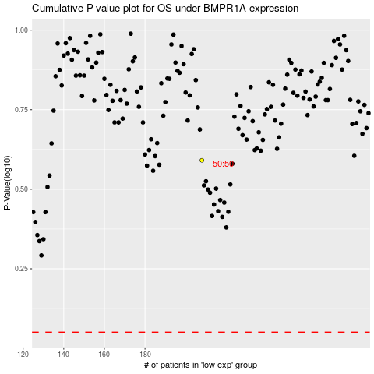

 |  |  |  |  |  | cases_OS | p_OS | rank | exp
 |  |  |  |  |  |  | cases_RFS | p_RFS | rank | exp

