BNC2 _multivariate
Reported by Tex Li-Hsing Chi. tex@gate.sinica.edu.tw 2019-08-21

Table 2. The clinicopathological features of HNSCC cohort and BNC2 expression. (Chi square test)
Cutoff at -0.057 (67.6%)
 |  | BNC2 expression |  | BNC2 expression |  | (Optimised)
 | Features | Low | (%) | High | (%) | Case no | P-value | Remark | Matthews
Gender | Female | 208 | 50.1 | 98 | 23.6 | 415 | 0.942 | 0 | 0
2 | Male | 73 | 17.6 | 36 | 8.7
Age at diagnosis | <=65y | 187 | 45.1 | 87 | 21 | 415 | 0.8294 | 0 | 0
4 | >65y | 94 | 22.7 | 47 | 11.3
Clinical T Status | T1+T2 | 96 | 23.1 | 53 | 12.8 | 415 | 0.3368 | 0 | 0
6 | T3+T4 | 185 | 44.6 | 81 | 19.5
Clinical N Status | N0 | 150 | 36.1 | 66 | 15.9 | 415 | 0.4954 | 0 | 0
8 | N1-3 | 131 | 31.6 | 68 | 16.4
Clinical M Status | M0 | 278 | 67 | 134 | 32.3 | 415 | 0.5542 | 0 | 0
10 | M1 | 3 | 0.7 | 0 | 0
Clinical Stage | Stage I+II | 66 | 15.9 | 36 | 8.7 | 415 | 0.5317 | 0 | 0
12 | Stage III+IV | 215 | 51.8 | 98 | 23.6
Surgical Margin status | Negative | 217 | 52.3 | 101 | 24.3 | 415 | 0.7104 | 0 | 0
14 | Positive | 64 | 15.4 | 33 | 8
Tobacco Exposure | Low | 108 | 26 | 53 | 12.8 | 415 | 0.8302 | 0 | 0
16 | High | 173 | 41.7 | 81 | 19.5

Table 3. Univariate/Multivariate Cox's proportional hazards regression analyses on OS time of BNC2 gene expression in HNSCC

 |  | Univariate |  |  |  | Multivariate
 | Features | HR | CI95%(L) | CI95%(H) | P-value | HR | CI95%(L) | CI95%(H) | P-value
1 | Female | 1 |  |  |  | 1
Gender | Male | 1.157 | 0.843 | 1.587 | 0.367 | 1.209 | 0.864 | 1.691 | 0.268
11 | <=65y | 1 |  |  |  | 1
Age at diagnosis | >65y | 1.329 | 0.99 | 1.784 | 0.058 | 1.403 | 1.032 | 1.908 | 0.031
12 | T1+T2 | 1 |  |  |  | 1
Clinical T Status | T3+T4 | 1.409 | 1.028 | 1.931 | 0.033 | 2.16 | 1.143 | 4.084 | 0.018
13 | N0 | 1 |  |  |  | 1
Clinical N Status | N1-3 | 1.185 | 0.89 | 1.577 | 0.246 | 1.273 | 0.891 | 1.819 | 0.184
14 | M0 | 1 |  |  |  | 1
Clinical M Status | M1 | 4.097 | 1.009 | 16.644 | 0.049 | 8.417 | 1.829 | 38.746 | 0.006
15 | Stage I+II | 1 |  |  |  | 1
Clinical Stage | Stage III+IV | 1.245 | 0.882 | 1.759 | 0.213 | 0.503 | 0.235 | 1.077 | 0.077
16 | Negative | 1 |  |  |  | 1
Surgical Margin status | Positive | 1.591 | 1.155 | 2.191 | 0.004 | 1.658 | 1.2 | 2.291 | 0.002
17 | Low | 1 |  |  |  | 1
Tobacco Exposure | High | 1.364 | 1.008 | 1.844 | 0.044 | 1.44 | 1.044 | 1.986 | 0.026
18 | Low | 1 |  |  |  | 1
RNAseq(z-score) | High | 0.724 | 0.527 | 0.996 | 0.047 | 0.751 | 0.545 | 1.036 | 0.081

Table 4. Univariate/Multivariate Cox's proportional hazards regression analyses on RFS time of BNC2 gene expression in HNSCC

 |  | Univariate |  |  |  | Multivariate
 | Features | HR | CI95%(L) | CI95%(H) | P-value | HR | CI95%(L) | CI95%(H) | P-value
1 | Female | 1 |  |  |  | 1
Gender | Male | 1.157 | 0.843 | 1.587 | 0.367 | 1.209 | 0.864 | 1.691 | 0.268
11 | <=65y | 1 |  |  |  | 1
Age at diagnosis | >65y | 1.329 | 0.99 | 1.784 | 0.058 | 1.403 | 1.032 | 1.908 | 0.031
12 | T1+T2 | 1 |  |  |  | 1
Clinical T Status | T3+T4 | 1.409 | 1.028 | 1.931 | 0.033 | 2.16 | 1.143 | 4.084 | 0.018
13 | N0 | 1 |  |  |  | 1
Clinical N Status | N1-3 | 1.185 | 0.89 | 1.577 | 0.246 | 1.273 | 0.891 | 1.819 | 0.184
14 | M0 | 1 |  |  |  | 1
Clinical M Status | M1 | 4.097 | 1.009 | 16.644 | 0.049 | 8.417 | 1.829 | 38.746 | 0.006
15 | Stage I+II | 1 |  |  |  | 1
Clinical Stage | Stage III+IV | 1.245 | 0.882 | 1.759 | 0.213 | 0.503 | 0.235 | 1.077 | 0.077
16 | Negative | 1 |  |  |  | 1
Surgical Margin status | Positive | 1.591 | 1.155 | 2.191 | 0.004 | 1.658 | 1.2 | 2.291 | 0.002
17 | Low | 1 |  |  |  | 1
Tobacco Exposure | High | 1.364 | 1.008 | 1.844 | 0.044 | 1.44 | 1.044 | 1.986 | 0.026
18 | Low | 1 |  |  |  | 1
RNAseq(z-score) | High | 0.724 | 0.527 | 0.996 | 0.047 | 0.751 | 0.545 | 1.036 | 0.081

Kaplan-Meier survival estimate: Cutoff at -0.057 (67.6%)



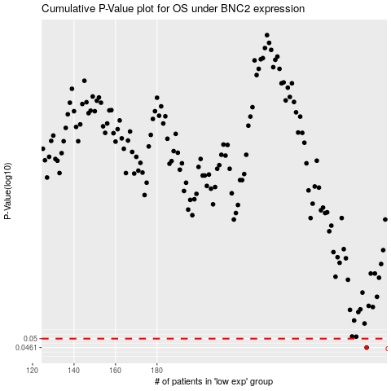

 |  |  |  |  |  | cases_OS | p_OS | rank | exp
 |  |  |  |  |  | 281 | 0.0461 | 232 | -0.056609481957
 |  |  |  |  |  |  | cases_RFS | p_RFS | rank | exp
 |  |  |  |  |  |  | 280 | 0.0461 | 107 | -0.059772614073

