BNIP3L _multivariate
Reported by Tex Li-Hsing Chi. tex@gate.sinica.edu.tw 2019-08-21

Table 2. The clinicopathological features of HNSCC cohort and BNIP3L expression. (Chi square test)
Cutoff at -0.248 (49.8%)
 |  | BNIP3L expression |  | BNIP3L expression |  | (Optimised)
 | Features | Low | (%) | High | (%) | Case no | P-value | Remark | Matthews
Gender | Female | 153 | 36.9 | 153 | 36.9 | 415 | 1 | 0 | 0
2 | Male | 54 | 13 | 55 | 13.3
Age at diagnosis | <=65y | 141 | 34 | 133 | 32 | 415 | 0.4272 | 0 | 0
4 | >65y | 66 | 15.9 | 75 | 18.1
Clinical T Status | T1+T2 | 83 | 20 | 66 | 15.9 | 415 | 0.0941 | 0 | 0
6 | T3+T4 | 124 | 29.9 | 142 | 34.2
Clinical N Status | N0 | 108 | 26 | 108 | 26 | 415 | 1 | 0 | 0
8 | N1-3 | 99 | 23.9 | 100 | 24.1
Clinical M Status | M0 | 205 | 49.4 | 207 | 49.9 | 415 | 0.6232 | 0 | 0
10 | M1 | 2 | 0.5 | 1 | 0.2
Clinical Stage | Stage I+II | 55 | 13.3 | 47 | 11.3 | 415 | 0.4087 | 0 | 0
12 | Stage III+IV | 152 | 36.6 | 161 | 38.8
Surgical Margin status | Negative | 155 | 37.3 | 163 | 39.3 | 415 | 0.4187 | 0 | 0
14 | Positive | 52 | 12.5 | 45 | 10.8
Tobacco Exposure | Low | 84 | 20.2 | 77 | 18.6 | 415 | 0.4816 | 0 | 0
16 | High | 123 | 29.6 | 131 | 31.6

Table 3. Univariate/Multivariate Cox's proportional hazards regression analyses on OS time of BNIP3L gene expression in HNSCC

 |  | Univariate |  |  |  | Multivariate
 | Features | HR | CI95%(L) | CI95%(H) | P-value | HR | CI95%(L) | CI95%(H) | P-value
1 | Female | 1 |  |  |  | 1
Gender | Male | 1.157 | 0.843 | 1.587 | 0.367 | 1.209 | 0.864 | 1.691 | 0.267
11 | <=65y | 1 |  |  |  | 1
Age at diagnosis | >65y | 1.329 | 0.99 | 1.784 | 0.058 | 1.39 | 1.022 | 1.89 | 0.036
12 | T1+T2 | 1 |  |  |  | 1
Clinical T Status | T3+T4 | 1.409 | 1.028 | 1.931 | 0.033 | 2.205 | 1.166 | 4.169 | 0.015
13 | N0 | 1 |  |  |  | 1
Clinical N Status | N1-3 | 1.185 | 0.89 | 1.577 | 0.246 | 1.236 | 0.866 | 1.765 | 0.243
14 | M0 | 1 |  |  |  | 1
Clinical M Status | M1 | 4.097 | 1.009 | 16.644 | 0.049 | 9.328 | 2.034 | 42.773 | 0.004
15 | Stage I+II | 1 |  |  |  | 1
Clinical Stage | Stage III+IV | 1.245 | 0.882 | 1.759 | 0.213 | 0.508 | 0.237 | 1.092 | 0.083
16 | Negative | 1 |  |  |  | 1
Surgical Margin status | Positive | 1.591 | 1.155 | 2.191 | 0.004 | 1.666 | 1.206 | 2.302 | 0.002
17 | Low | 1 |  |  |  | 1
Tobacco Exposure | High | 1.364 | 1.008 | 1.844 | 0.044 | 1.466 | 1.062 | 2.024 | 0.02
18 | Low | 1 |  |  |  | 1
RNAseq(z-score) | High | 0.929 | 0.697 | 1.237 | 0.613 | 0.919 | 0.687 | 1.227 | 0.566

Table 4. Univariate/Multivariate Cox's proportional hazards regression analyses on RFS time of BNIP3L gene expression in HNSCC

 |  | Univariate |  |  |  | Multivariate
 | Features | HR | CI95%(L) | CI95%(H) | P-value | HR | CI95%(L) | CI95%(H) | P-value
1 | Female | 1 |  |  |  | 1
Gender | Male | 1.157 | 0.843 | 1.587 | 0.367 | 1.209 | 0.864 | 1.691 | 0.267
11 | <=65y | 1 |  |  |  | 1
Age at diagnosis | >65y | 1.329 | 0.99 | 1.784 | 0.058 | 1.39 | 1.022 | 1.89 | 0.036
12 | T1+T2 | 1 |  |  |  | 1
Clinical T Status | T3+T4 | 1.409 | 1.028 | 1.931 | 0.033 | 2.205 | 1.166 | 4.169 | 0.015
13 | N0 | 1 |  |  |  | 1
Clinical N Status | N1-3 | 1.185 | 0.89 | 1.577 | 0.246 | 1.236 | 0.866 | 1.765 | 0.243
14 | M0 | 1 |  |  |  | 1
Clinical M Status | M1 | 4.097 | 1.009 | 16.644 | 0.049 | 9.328 | 2.034 | 42.773 | 0.004
15 | Stage I+II | 1 |  |  |  | 1
Clinical Stage | Stage III+IV | 1.245 | 0.882 | 1.759 | 0.213 | 0.508 | 0.237 | 1.092 | 0.083
16 | Negative | 1 |  |  |  | 1
Surgical Margin status | Positive | 1.591 | 1.155 | 2.191 | 0.004 | 1.666 | 1.206 | 2.302 | 0.002
17 | Low | 1 |  |  |  | 1
Tobacco Exposure | High | 1.364 | 1.008 | 1.844 | 0.044 | 1.466 | 1.062 | 2.024 | 0.02
18 | Low | 1 |  |  |  | 1
RNAseq(z-score) | High | 0.929 | 0.697 | 1.237 | 0.613 | 0.919 | 0.687 | 1.227 | 0.566

Kaplan-Meier survival estimate: Cutoff at -0.248 (49.8%)



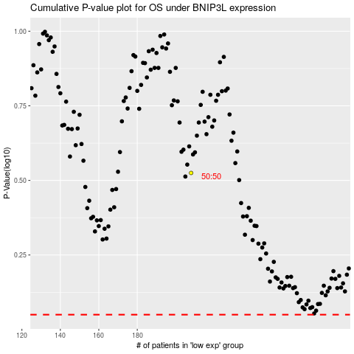

 |  |  |  |  |  | cases_OS | p_OS | rank | exp
 |  |  |  |  |  |  | cases_RFS | p_RFS | rank | exp

