BOD1L _multivariate
Reported by Tex Li-Hsing Chi. tex@gate.sinica.edu.tw 2019-08-21

Table 2. The clinicopathological features of HNSCC cohort and BOD1L expression. (Chi square test)
Cutoff at -0.098 (50.0%)
 |  | BOD1L expression |  | BOD1L expression |  | (Optimised)
 | Features | Low | (%) | High | (%) | Case no | P-value | Remark | Matthews
Gender | Female | 166 | 40 | 140 | 33.7 | 415 | 0.0041 | 1 | 0
2 | Male | 41 | 9.9 | 68 | 16.4
Age at diagnosis | <=65y | 140 | 33.7 | 134 | 32.3 | 415 | 0.5574 | 0 | 0
4 | >65y | 67 | 16.1 | 74 | 17.8
Clinical T Status | T1+T2 | 74 | 17.8 | 75 | 18.1 | 415 | 1 | 0 | 0
6 | T3+T4 | 133 | 32 | 133 | 32
Clinical N Status | N0 | 114 | 27.5 | 102 | 24.6 | 415 | 0.2576 | 1 | 0
8 | N1-3 | 93 | 22.4 | 106 | 25.5
Clinical M Status | M0 | 204 | 49.2 | 208 | 50.1 | 415 | 0.1232 | 0 | 0
10 | M1 | 3 | 0.7 | 0 | 0
Clinical Stage | Stage I+II | 51 | 12.3 | 51 | 12.3 | 415 | 1 | 0 | 0
12 | Stage III+IV | 156 | 37.6 | 157 | 37.8
Surgical Margin status | Negative | 154 | 37.1 | 164 | 39.5 | 415 | 0.2984 | 0 | 0
14 | Positive | 53 | 12.8 | 44 | 10.6
Tobacco Exposure | Low | 69 | 16.6 | 92 | 22.2 | 415 | 0.0266 | 1 | 0
16 | High | 138 | 33.3 | 116 | 28

Table 3. Univariate/Multivariate Cox's proportional hazards regression analyses on OS time of BOD1L gene expression in HNSCC

 |  | Univariate |  |  |  | Multivariate
 | Features | HR | CI95%(L) | CI95%(H) | P-value | HR | CI95%(L) | CI95%(H) | P-value
1 | Female | 1 |  |  |  | 1
Gender | Male | 1.157 | 0.843 | 1.587 | 0.367 | 1.209 | 0.864 | 1.692 | 0.268
11 | <=65y | 1 |  |  |  | 1
Age at diagnosis | >65y | 1.329 | 0.99 | 1.784 | 0.058 | 1.395 | 1.027 | 1.896 | 0.033
12 | T1+T2 | 1 |  |  |  | 1
Clinical T Status | T3+T4 | 1.409 | 1.028 | 1.931 | 0.033 | 2.193 | 1.16 | 4.147 | 0.016
13 | N0 | 1 |  |  |  | 1
Clinical N Status | N1-3 | 1.185 | 0.89 | 1.577 | 0.246 | 1.256 | 0.879 | 1.794 | 0.211
14 | M0 | 1 |  |  |  | 1
Clinical M Status | M1 | 4.097 | 1.009 | 16.644 | 0.049 | 8.781 | 1.899 | 40.617 | 0.005
15 | Stage I+II | 1 |  |  |  | 1
Clinical Stage | Stage III+IV | 1.245 | 0.882 | 1.759 | 0.213 | 0.506 | 0.236 | 1.087 | 0.081
16 | Negative | 1 |  |  |  | 1
Surgical Margin status | Positive | 1.591 | 1.155 | 2.191 | 0.004 | 1.653 | 1.195 | 2.287 | 0.002
17 | Low | 1 |  |  |  | 1
Tobacco Exposure | High | 1.364 | 1.008 | 1.844 | 0.044 | 1.428 | 1.033 | 1.974 | 0.031
18 | Low | 1 |  |  |  | 1
RNAseq(z-score) | High | 0.832 | 0.625 | 1.109 | 0.21 | 0.887 | 0.661 | 1.191 | 0.426

Table 4. Univariate/Multivariate Cox's proportional hazards regression analyses on RFS time of BOD1L gene expression in HNSCC

 |  | Univariate |  |  |  | Multivariate
 | Features | HR | CI95%(L) | CI95%(H) | P-value | HR | CI95%(L) | CI95%(H) | P-value
1 | Female | 1 |  |  |  | 1
Gender | Male | 1.157 | 0.843 | 1.587 | 0.367 | 1.209 | 0.864 | 1.692 | 0.268
11 | <=65y | 1 |  |  |  | 1
Age at diagnosis | >65y | 1.329 | 0.99 | 1.784 | 0.058 | 1.395 | 1.027 | 1.896 | 0.033
12 | T1+T2 | 1 |  |  |  | 1
Clinical T Status | T3+T4 | 1.409 | 1.028 | 1.931 | 0.033 | 2.193 | 1.16 | 4.147 | 0.016
13 | N0 | 1 |  |  |  | 1
Clinical N Status | N1-3 | 1.185 | 0.89 | 1.577 | 0.246 | 1.256 | 0.879 | 1.794 | 0.211
14 | M0 | 1 |  |  |  | 1
Clinical M Status | M1 | 4.097 | 1.009 | 16.644 | 0.049 | 8.781 | 1.899 | 40.617 | 0.005
15 | Stage I+II | 1 |  |  |  | 1
Clinical Stage | Stage III+IV | 1.245 | 0.882 | 1.759 | 0.213 | 0.506 | 0.236 | 1.087 | 0.081
16 | Negative | 1 |  |  |  | 1
Surgical Margin status | Positive | 1.591 | 1.155 | 2.191 | 0.004 | 1.653 | 1.195 | 2.287 | 0.002
17 | Low | 1 |  |  |  | 1
Tobacco Exposure | High | 1.364 | 1.008 | 1.844 | 0.044 | 1.428 | 1.033 | 1.974 | 0.031
18 | Low | 1 |  |  |  | 1
RNAseq(z-score) | High | 0.832 | 0.625 | 1.109 | 0.21 | 0.887 | 0.661 | 1.191 | 0.426

Kaplan-Meier survival estimate: Cutoff at -0.098 (50.0%)



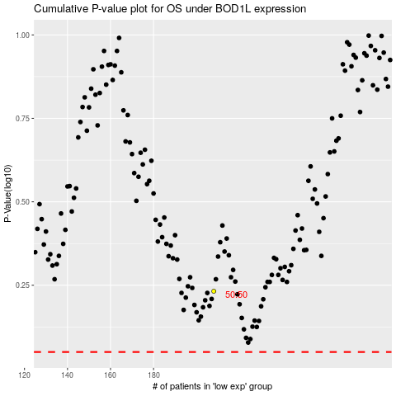

 |  |  |  |  |  | cases_OS | p_OS | rank | exp
 |  |  |  |  |  |  | cases_RFS | p_RFS | rank | exp

