BOLA2 _multivariate
Reported by Tex Li-Hsing Chi. tex@gate.sinica.edu.tw 2019-08-21

Table 2. The clinicopathological features of HNSCC cohort and BOLA2 expression. (Chi square test)
Cutoff at -0.204 (50.0%)
 |  | BOLA2 expression |  | BOLA2 expression |  | (Optimised)
 | Features | Low | (%) | High | (%) | Case no | P-value | Remark | Matthews
Gender | Female | 146 | 35.2 | 160 | 38.6 | 415 | 0.1714 | 0 | 0
2 | Male | 61 | 14.7 | 48 | 11.6
Age at diagnosis | <=65y | 136 | 32.8 | 138 | 33.3 | 415 | 0.9719 | 0 | 0
4 | >65y | 71 | 17.1 | 70 | 16.9
Clinical T Status | T1+T2 | 91 | 21.9 | 58 | 14 | 415 | 9e-04 | 1 | 0
6 | T3+T4 | 116 | 28 | 150 | 36.1
Clinical N Status | N0 | 114 | 27.5 | 102 | 24.6 | 415 | 0.2576 | 1 | 0
8 | N1-3 | 93 | 22.4 | 106 | 25.5
Clinical M Status | M0 | 206 | 49.6 | 206 | 49.6 | 415 | 1 | 0 | 0
10 | M1 | 1 | 0.2 | 2 | 0.5
Clinical Stage | Stage I+II | 63 | 15.2 | 39 | 9.4 | 415 | 0.008 | 1 | 0
12 | Stage III+IV | 144 | 34.7 | 169 | 40.7
Surgical Margin status | Negative | 159 | 38.3 | 159 | 38.3 | 415 | 1 | 0 | 0
14 | Positive | 48 | 11.6 | 49 | 11.8
Tobacco Exposure | Low | 92 | 22.2 | 69 | 16.6 | 415 | 0.0206 | 1 | 0
16 | High | 115 | 27.7 | 139 | 33.5

Table 3. Univariate/Multivariate Cox's proportional hazards regression analyses on OS time of BOLA2 gene expression in HNSCC

 |  | Univariate |  |  |  | Multivariate
 | Features | HR | CI95%(L) | CI95%(H) | P-value | HR | CI95%(L) | CI95%(H) | P-value
1 | Female | 1 |  |  |  | 1
Gender | Male | 1.157 | 0.843 | 1.587 | 0.367 | 1.204 | 0.862 | 1.682 | 0.277
11 | <=65y | 1 |  |  |  | 1
Age at diagnosis | >65y | 1.329 | 0.99 | 1.784 | 0.058 | 1.392 | 1.024 | 1.892 | 0.035
12 | T1+T2 | 1 |  |  |  | 1
Clinical T Status | T3+T4 | 1.409 | 1.028 | 1.931 | 0.033 | 2.216 | 1.171 | 4.196 | 0.015
13 | N0 | 1 |  |  |  | 1
Clinical N Status | N1-3 | 1.185 | 0.89 | 1.577 | 0.246 | 1.244 | 0.871 | 1.775 | 0.23
14 | M0 | 1 |  |  |  | 1
Clinical M Status | M1 | 4.097 | 1.009 | 16.644 | 0.049 | 9.584 | 2.083 | 44.107 | 0.004
15 | Stage I+II | 1 |  |  |  | 1
Clinical Stage | Stage III+IV | 1.245 | 0.882 | 1.759 | 0.213 | 0.504 | 0.235 | 1.082 | 0.079
16 | Negative | 1 |  |  |  | 1
Surgical Margin status | Positive | 1.591 | 1.155 | 2.191 | 0.004 | 1.671 | 1.209 | 2.308 | 0.002
17 | Low | 1 |  |  |  | 1
Tobacco Exposure | High | 1.364 | 1.008 | 1.844 | 0.044 | 1.463 | 1.059 | 2.022 | 0.021
18 | Low | 1 |  |  |  | 1
RNAseq(z-score) | High | 1.059 | 0.795 | 1.411 | 0.693 | 0.951 | 0.709 | 1.276 | 0.739

Table 4. Univariate/Multivariate Cox's proportional hazards regression analyses on RFS time of BOLA2 gene expression in HNSCC

 |  | Univariate |  |  |  | Multivariate
 | Features | HR | CI95%(L) | CI95%(H) | P-value | HR | CI95%(L) | CI95%(H) | P-value
1 | Female | 1 |  |  |  | 1
Gender | Male | 1.157 | 0.843 | 1.587 | 0.367 | 1.204 | 0.862 | 1.682 | 0.277
11 | <=65y | 1 |  |  |  | 1
Age at diagnosis | >65y | 1.329 | 0.99 | 1.784 | 0.058 | 1.392 | 1.024 | 1.892 | 0.035
12 | T1+T2 | 1 |  |  |  | 1
Clinical T Status | T3+T4 | 1.409 | 1.028 | 1.931 | 0.033 | 2.216 | 1.171 | 4.196 | 0.015
13 | N0 | 1 |  |  |  | 1
Clinical N Status | N1-3 | 1.185 | 0.89 | 1.577 | 0.246 | 1.244 | 0.871 | 1.775 | 0.23
14 | M0 | 1 |  |  |  | 1
Clinical M Status | M1 | 4.097 | 1.009 | 16.644 | 0.049 | 9.584 | 2.083 | 44.107 | 0.004
15 | Stage I+II | 1 |  |  |  | 1
Clinical Stage | Stage III+IV | 1.245 | 0.882 | 1.759 | 0.213 | 0.504 | 0.235 | 1.082 | 0.079
16 | Negative | 1 |  |  |  | 1
Surgical Margin status | Positive | 1.591 | 1.155 | 2.191 | 0.004 | 1.671 | 1.209 | 2.308 | 0.002
17 | Low | 1 |  |  |  | 1
Tobacco Exposure | High | 1.364 | 1.008 | 1.844 | 0.044 | 1.463 | 1.059 | 2.022 | 0.021
18 | Low | 1 |  |  |  | 1
RNAseq(z-score) | High | 1.059 | 0.795 | 1.411 | 0.693 | 0.951 | 0.709 | 1.276 | 0.739

Kaplan-Meier survival estimate: Cutoff at -0.204 (50.0%)

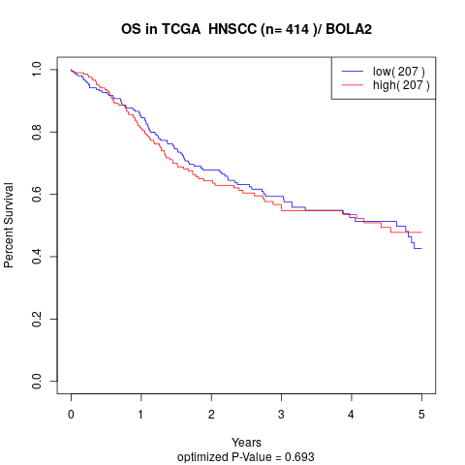

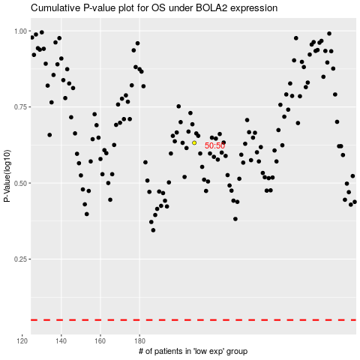

 |  |  |  |  |  | cases_OS | p_OS | rank | exp
 |  |  |  |  |  |  | cases_RFS | p_RFS | rank | exp

