BOP1 _multivariate
Reported by Tex Li-Hsing Chi. tex@gate.sinica.edu.tw 2019-08-21

Table 2. The clinicopathological features of HNSCC cohort and BOP1 expression. (Chi square test)
Cutoff at 0.259 (70.0%)
 |  | BOP1 expression |  | BOP1 expression |  | (Optimised)
 | Features | Low | (%) | High | (%) | Case no | P-value | Remark | Matthews
Gender | Female | 212 | 51.1 | 94 | 22.7 | 415 | 0.7462 | 0 | 0
2 | Male | 78 | 18.8 | 31 | 7.5
Age at diagnosis | <=65y | 191 | 46 | 83 | 20 | 415 | 1 | 0 | 0
4 | >65y | 99 | 23.9 | 42 | 10.1
Clinical T Status | T1+T2 | 114 | 27.5 | 35 | 8.4 | 415 | 0.0364 | 1 | 0
6 | T3+T4 | 176 | 42.4 | 90 | 21.7
Clinical N Status | N0 | 159 | 38.3 | 57 | 13.7 | 415 | 0.1054 | 0 | 0
8 | N1-3 | 131 | 31.6 | 68 | 16.4
Clinical M Status | M0 | 289 | 69.6 | 123 | 29.6 | 415 | 0.2169 | 0 | 0
10 | M1 | 1 | 0.2 | 2 | 0.5
Clinical Stage | Stage I+II | 78 | 18.8 | 24 | 5.8 | 415 | 0.122 | 0 | 0
12 | Stage III+IV | 212 | 51.1 | 101 | 24.3
Surgical Margin status | Negative | 220 | 53 | 98 | 23.6 | 415 | 0.6148 | 0 | 0
14 | Positive | 70 | 16.9 | 27 | 6.5
Tobacco Exposure | Low | 123 | 29.6 | 38 | 9.2 | 415 | 0.0216 | 1 | 0
16 | High | 167 | 40.2 | 87 | 21

Table 3. Univariate/Multivariate Cox's proportional hazards regression analyses on OS time of BOP1 gene expression in HNSCC

 |  | Univariate |  |  |  | Multivariate
 | Features | HR | CI95%(L) | CI95%(H) | P-value | HR | CI95%(L) | CI95%(H) | P-value
1 | Female | 1 |  |  |  | 1
Gender | Male | 1.157 | 0.843 | 1.587 | 0.367 | 1.198 | 0.857 | 1.675 | 0.29
11 | <=65y | 1 |  |  |  | 1
Age at diagnosis | >65y | 1.329 | 0.99 | 1.784 | 0.058 | 1.427 | 1.048 | 1.942 | 0.024
12 | T1+T2 | 1 |  |  |  | 1
Clinical T Status | T3+T4 | 1.409 | 1.028 | 1.931 | 0.033 | 2.065 | 1.09 | 3.911 | 0.026
13 | N0 | 1 |  |  |  | 1
Clinical N Status | N1-3 | 1.185 | 0.89 | 1.577 | 0.246 | 1.231 | 0.862 | 1.757 | 0.253
14 | M0 | 1 |  |  |  | 1
Clinical M Status | M1 | 4.097 | 1.009 | 16.644 | 0.049 | 8.105 | 1.758 | 37.355 | 0.007
15 | Stage I+II | 1 |  |  |  | 1
Clinical Stage | Stage III+IV | 1.245 | 0.882 | 1.759 | 0.213 | 0.532 | 0.247 | 1.145 | 0.106
16 | Negative | 1 |  |  |  | 1
Surgical Margin status | Positive | 1.591 | 1.155 | 2.191 | 0.004 | 1.641 | 1.188 | 2.265 | 0.003
17 | Low | 1 |  |  |  | 1
Tobacco Exposure | High | 1.364 | 1.008 | 1.844 | 0.044 | 1.433 | 1.041 | 1.975 | 0.028
18 | Low | 1 |  |  |  | 1
RNAseq(z-score) | High | 1.501 | 1.111 | 2.026 | 0.008 | 1.398 | 1.031 | 1.896 | 0.031

Table 4. Univariate/Multivariate Cox's proportional hazards regression analyses on RFS time of BOP1 gene expression in HNSCC

 |  | Univariate |  |  |  | Multivariate
 | Features | HR | CI95%(L) | CI95%(H) | P-value | HR | CI95%(L) | CI95%(H) | P-value
1 | Female | 1 |  |  |  | 1
Gender | Male | 1.157 | 0.843 | 1.587 | 0.367 | 1.198 | 0.857 | 1.675 | 0.29
11 | <=65y | 1 |  |  |  | 1
Age at diagnosis | >65y | 1.329 | 0.99 | 1.784 | 0.058 | 1.427 | 1.048 | 1.942 | 0.024
12 | T1+T2 | 1 |  |  |  | 1
Clinical T Status | T3+T4 | 1.409 | 1.028 | 1.931 | 0.033 | 2.065 | 1.09 | 3.911 | 0.026
13 | N0 | 1 |  |  |  | 1
Clinical N Status | N1-3 | 1.185 | 0.89 | 1.577 | 0.246 | 1.231 | 0.862 | 1.757 | 0.253
14 | M0 | 1 |  |  |  | 1
Clinical M Status | M1 | 4.097 | 1.009 | 16.644 | 0.049 | 8.105 | 1.758 | 37.355 | 0.007
15 | Stage I+II | 1 |  |  |  | 1
Clinical Stage | Stage III+IV | 1.245 | 0.882 | 1.759 | 0.213 | 0.532 | 0.247 | 1.145 | 0.106
16 | Negative | 1 |  |  |  | 1
Surgical Margin status | Positive | 1.591 | 1.155 | 2.191 | 0.004 | 1.641 | 1.188 | 2.265 | 0.003
17 | Low | 1 |  |  |  | 1
Tobacco Exposure | High | 1.364 | 1.008 | 1.844 | 0.044 | 1.433 | 1.041 | 1.975 | 0.028
18 | Low | 1 |  |  |  | 1
RNAseq(z-score) | High | 1.501 | 1.111 | 2.026 | 0.008 | 1.398 | 1.031 | 1.896 | 0.031

Kaplan-Meier survival estimate: Cutoff at 0.259 (70.0%)

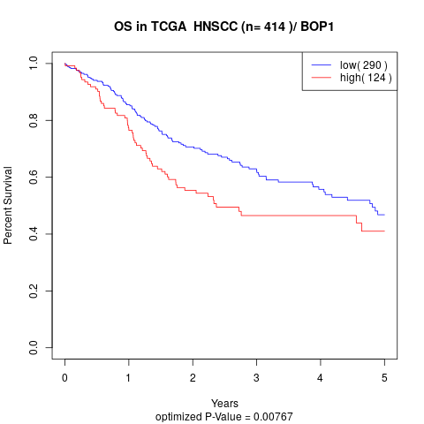

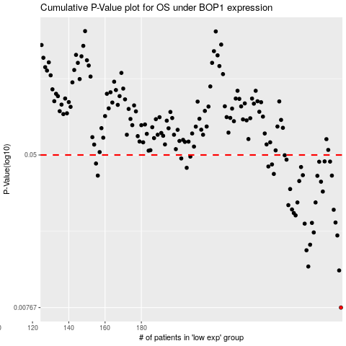

 |  |  |  |  |  | cases_OS | p_OS | rank | exp
 |  |  |  |  |  | 290 | 0.00767 | 178 | 0.25860262339
 |  |  |  |  |  | 289 | 0.0121 | 32 | 0.25503938764
 |  |  |  |  |  | 272 | 0.0127 | 260 | 0.17032157106
 |  |  |  |  |  | 271 | 0.0155 | 156 | 0.16030892335
 |  |  |  |  |  | 273 | 0.0166 | 220 | 0.17407937151
 |  |  |  |  |  | 288 | 0.0186 | 120 | 0.24871835321
 |  |  |  |  |  | 275 | 0.0193 | 64 | 0.17565843108
 |  |  |  |  |  | 270 | 0.0215 | 50 | 0.131960032
 |  |  |  |  |  | 274 | 0.0217 | 22 | 0.17467969232
 |  |  |  |  |  | 287 | 0.0218 | 353 | 0.24555256021
 |  |  |  |  |  | 265 | 0.0238 | 153 | 0.10626390315
 |  |  |  |  |  | 264 | 0.0245 | 172 | 0.10576126437
 |  |  |  |  |  | 286 | 0.0255 | 408 | 0.23620578099
 |  |  |  |  |  | 263 | 0.0256 | 145 | 0.095615283089
 |  |  |  |  |  | 261 | 0.027 | 215 | 0.090514394719
 |  |  |  |  |  | 266 | 0.0279 | 163 | 0.10807797512
 |  |  |  |  |  | 276 | 0.0279 | 308 | 0.1826614811
 |  |  |  |  |  | 280 | 0.0319 | 344 | 0.19576957796
 |  |  |  |  |  | 262 | 0.0329 | 6 | 0.095429351504
 |  |  |  |  |  | 279 | 0.036 | 147 | 0.19351697603
 |  |  |  |  |  | 267 | 0.0363 | 87 | 0.11606056326
 |  |  |  |  |  | 277 | 0.0387 | 118 | 0.18281863566
 |  |  |  |  |  | 156 | 0.0388 | 97 | -0.33156980937
 |  |  |  |  |  | 285 | 0.0388 | 368 | 0.234989312
 |  |  |  |  |  | 269 | 0.039 | 219 | 0.12539007626
 |  |  |  |  |  | 253 | 0.0396 | 207 | 0.059700910648
 |  |  |  |  |  | 205 | 0.0427 | 43 | -0.15040481883
 |  |  |  |  |  | 268 | 0.0431 | 415 | 0.11977887523
 |  |  |  |  |  | 250 | 0.0434 | 229 | 0.048444935388
 |  |  |  |  |  | 252 | 0.0445 | 8 | 0.058947272217
 |  |  |  |  |  | 155 | 0.045 | 171 | -0.33286045915
 |  |  |  |  |  | 278 | 0.046 | 42 | 0.18376524006
 |  |  |  |  |  | 284 | 0.0461 | 5 | 0.23238595005
 |  |  |  |  |  | 281 | 0.0462 | 137 | 0.20332306862
 |  |  |  |  |  | 260 | 0.0472 | 205 | 0.089068029236
 |  |  |  |  |  | 202 | 0.0479 | 86 | -0.15716134564
 |  |  |  |  |  | 207 | 0.049 | 355 | -0.14441008394
 |  |  |  |  |  | 259 | 0.0498 | 304 | 0.084211266
 |  |  |  |  |  |  | cases_RFS | p_RFS | rank | exp
 |  |  |  |  |  |  | 289 | 0.00767 | 32 | 0.25503938764
 |  |  |  |  |  |  | 288 | 0.0121 | 120 | 0.24871835321
 |  |  |  |  |  |  | 271 | 0.0127 | 156 | 0.16030892335
 |  |  |  |  |  |  | 270 | 0.0155 | 50 | 0.131960032
 |  |  |  |  |  |  | 272 | 0.0166 | 260 | 0.17032157106
 |  |  |  |  |  |  | 287 | 0.0186 | 353 | 0.24555256021
 |  |  |  |  |  |  | 274 | 0.0193 | 22 | 0.17467969232
 |  |  |  |  |  |  | 269 | 0.0215 | 219 | 0.12539007626
 |  |  |  |  |  |  | 273 | 0.0217 | 220 | 0.17407937151
 |  |  |  |  |  |  | 286 | 0.0218 | 408 | 0.23620578099
 |  |  |  |  |  |  | 264 | 0.0238 | 172 | 0.10576126437
 |  |  |  |  |  |  | 263 | 0.0245 | 145 | 0.095615283089
 |  |  |  |  |  |  | 285 | 0.0255 | 368 | 0.234989312
 |  |  |  |  |  |  | 262 | 0.0256 | 6 | 0.095429351504
 |  |  |  |  |  |  | 260 | 0.027 | 205 | 0.089068029236
 |  |  |  |  |  |  | 275 | 0.0279 | 64 | 0.17565843108
 |  |  |  |  |  |  | 265 | 0.0279 | 153 | 0.10626390315
 |  |  |  |  |  |  | 279 | 0.0319 | 147 | 0.19351697603
 |  |  |  |  |  |  | 261 | 0.0329 | 215 | 0.090514394719
 |  |  |  |  |  |  | 278 | 0.036 | 42 | 0.18376524006
 |  |  |  |  |  |  | 266 | 0.0363 | 163 | 0.10807797512
 |  |  |  |  |  |  | 276 | 0.0387 | 308 | 0.1826614811
 |  |  |  |  |  |  | 284 | 0.0388 | 5 | 0.23238595005
 |  |  |  |  |  |  | 155 | 0.0388 | 171 | -0.33286045915
 |  |  |  |  |  |  | 268 | 0.039 | 415 | 0.11977887523
 |  |  |  |  |  |  | 252 | 0.0396 | 8 | 0.058947272217
 |  |  |  |  |  |  | 204 | 0.0427 | 35 | -0.15103055935
 |  |  |  |  |  |  | 267 | 0.0431 | 87 | 0.11606056326
 |  |  |  |  |  |  | 249 | 0.0434 | 45 | 0.04443405695
 |  |  |  |  |  |  | 251 | 0.0445 | 122 | 0.053889869135
 |  |  |  |  |  |  | 154 | 0.045 | 106 | -0.3330668544
 |  |  |  |  |  |  | 277 | 0.046 | 118 | 0.18281863566
 |  |  |  |  |  |  | 283 | 0.0461 | 351 | 0.23025581037
 |  |  |  |  |  |  | 280 | 0.0462 | 344 | 0.19576957796
 |  |  |  |  |  |  | 259 | 0.0472 | 304 | 0.084211266
 |  |  |  |  |  |  | 201 | 0.0479 | 75 | -0.16027933679
 |  |  |  |  |  |  | 206 | 0.049 | 31 | -0.14684078371
 |  |  |  |  |  |  | 258 | 0.0498 | 110 | 0.078569689218

