BPGM _multivariate
Reported by Tex Li-Hsing Chi. tex@gate.sinica.edu.tw 2019-08-21

Table 2. The clinicopathological features of HNSCC cohort and BPGM expression. (Chi square test)
Cutoff at 0.174 (67.9%)
 |  | BPGM expression |  | BPGM expression |  | (Optimised)
 | Features | Low | (%) | High | (%) | Case no | P-value | Remark | Matthews
Gender | Female | 211 | 50.8 | 95 | 22.9 | 415 | 0.4305 | 0 | 0
2 | Male | 70 | 16.9 | 39 | 9.4
Age at diagnosis | <=65y | 187 | 45.1 | 87 | 21 | 415 | 0.8294 | 0 | 0
4 | >65y | 94 | 22.7 | 47 | 11.3
Clinical T Status | T1+T2 | 100 | 24.1 | 49 | 11.8 | 415 | 0.9321 | 0 | 0
6 | T3+T4 | 181 | 43.6 | 85 | 20.5
Clinical N Status | N0 | 142 | 34.2 | 74 | 17.8 | 415 | 0.43 | 0 | 0
8 | N1-3 | 139 | 33.5 | 60 | 14.5
Clinical M Status | M0 | 278 | 67 | 134 | 32.3 | 415 | 0.5542 | 0 | 0
10 | M1 | 3 | 0.7 | 0 | 0
Clinical Stage | Stage I+II | 63 | 15.2 | 39 | 9.4 | 415 | 0.1748 | 0 | 0
12 | Stage III+IV | 218 | 52.5 | 95 | 22.9
Surgical Margin status | Negative | 212 | 51.1 | 106 | 25.5 | 415 | 0.4577 | 0 | 0
14 | Positive | 69 | 16.6 | 28 | 6.7
Tobacco Exposure | Low | 95 | 22.9 | 66 | 15.9 | 415 | 0.0035 | 1 | 0
16 | High | 186 | 44.8 | 68 | 16.4

Table 3. Univariate/Multivariate Cox's proportional hazards regression analyses on OS time of BPGM gene expression in HNSCC

 |  | Univariate |  |  |  | Multivariate
 | Features | HR | CI95%(L) | CI95%(H) | P-value | HR | CI95%(L) | CI95%(H) | P-value
1 | Female | 1 |  |  |  | 1
Gender | Male | 1.157 | 0.843 | 1.587 | 0.367 | 1.213 | 0.868 | 1.696 | 0.257
11 | <=65y | 1 |  |  |  | 1
Age at diagnosis | >65y | 1.329 | 0.99 | 1.784 | 0.058 | 1.374 | 1.01 | 1.868 | 0.043
12 | T1+T2 | 1 |  |  |  | 1
Clinical T Status | T3+T4 | 1.409 | 1.028 | 1.931 | 0.033 | 2.298 | 1.214 | 4.352 | 0.011
13 | N0 | 1 |  |  |  | 1
Clinical N Status | N1-3 | 1.185 | 0.89 | 1.577 | 0.246 | 1.241 | 0.869 | 1.771 | 0.235
14 | M0 | 1 |  |  |  | 1
Clinical M Status | M1 | 4.097 | 1.009 | 16.644 | 0.049 | 8.998 | 1.96 | 41.295 | 0.005
15 | Stage I+II | 1 |  |  |  | 1
Clinical Stage | Stage III+IV | 1.245 | 0.882 | 1.759 | 0.213 | 0.469 | 0.218 | 1.011 | 0.053
16 | Negative | 1 |  |  |  | 1
Surgical Margin status | Positive | 1.591 | 1.155 | 2.191 | 0.004 | 1.688 | 1.221 | 2.334 | 0.002
17 | Low | 1 |  |  |  | 1
Tobacco Exposure | High | 1.364 | 1.008 | 1.844 | 0.044 | 1.436 | 1.041 | 1.98 | 0.027
18 | Low | 1 |  |  |  | 1
RNAseq(z-score) | High | 0.72 | 0.523 | 0.99 | 0.044 | 0.738 | 0.534 | 1.018 | 0.065

Table 4. Univariate/Multivariate Cox's proportional hazards regression analyses on RFS time of BPGM gene expression in HNSCC

 |  | Univariate |  |  |  | Multivariate
 | Features | HR | CI95%(L) | CI95%(H) | P-value | HR | CI95%(L) | CI95%(H) | P-value
1 | Female | 1 |  |  |  | 1
Gender | Male | 1.157 | 0.843 | 1.587 | 0.367 | 1.213 | 0.868 | 1.696 | 0.257
11 | <=65y | 1 |  |  |  | 1
Age at diagnosis | >65y | 1.329 | 0.99 | 1.784 | 0.058 | 1.374 | 1.01 | 1.868 | 0.043
12 | T1+T2 | 1 |  |  |  | 1
Clinical T Status | T3+T4 | 1.409 | 1.028 | 1.931 | 0.033 | 2.298 | 1.214 | 4.352 | 0.011
13 | N0 | 1 |  |  |  | 1
Clinical N Status | N1-3 | 1.185 | 0.89 | 1.577 | 0.246 | 1.241 | 0.869 | 1.771 | 0.235
14 | M0 | 1 |  |  |  | 1
Clinical M Status | M1 | 4.097 | 1.009 | 16.644 | 0.049 | 8.998 | 1.96 | 41.295 | 0.005
15 | Stage I+II | 1 |  |  |  | 1
Clinical Stage | Stage III+IV | 1.245 | 0.882 | 1.759 | 0.213 | 0.469 | 0.218 | 1.011 | 0.053
16 | Negative | 1 |  |  |  | 1
Surgical Margin status | Positive | 1.591 | 1.155 | 2.191 | 0.004 | 1.688 | 1.221 | 2.334 | 0.002
17 | Low | 1 |  |  |  | 1
Tobacco Exposure | High | 1.364 | 1.008 | 1.844 | 0.044 | 1.436 | 1.041 | 1.98 | 0.027
18 | Low | 1 |  |  |  | 1
RNAseq(z-score) | High | 0.72 | 0.523 | 0.99 | 0.044 | 0.738 | 0.534 | 1.018 | 0.065

Kaplan-Meier survival estimate: Cutoff at 0.174 (67.9%)



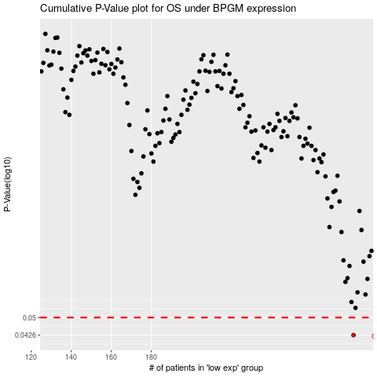

 |  |  |  |  |  | cases_OS | p_OS | rank | exp
 |  |  |  |  |  | 281 | 0.0426 | 406 | 0.17438840257
 |  |  |  |  |  |  | cases_RFS | p_RFS | rank | exp
 |  |  |  |  |  |  | 280 | 0.0426 | 114 | 0.16856832498

