BPHL _multivariate
Reported by Tex Li-Hsing Chi. tex@gate.sinica.edu.tw 2019-08-21

Table 2. The clinicopathological features of HNSCC cohort and BPHL expression. (Chi square test)
Cutoff at -0.204 (49.8%)
 |  | BPHL expression |  | BPHL expression |  | (Optimised)
 | Features | Low | (%) | High | (%) | Case no | P-value | Remark | Matthews
Gender | Female | 154 | 37.1 | 152 | 36.6 | 415 | 0.8463 | 0 | 0
2 | Male | 53 | 12.8 | 56 | 13.5
Age at diagnosis | <=65y | 137 | 33 | 137 | 33 | 415 | 1 | 0 | 0
4 | >65y | 70 | 16.9 | 71 | 17.1
Clinical T Status | T1+T2 | 69 | 16.6 | 80 | 19.3 | 415 | 0.3239 | 0 | 0
6 | T3+T4 | 138 | 33.3 | 128 | 30.8
Clinical N Status | N0 | 101 | 24.3 | 115 | 27.7 | 415 | 0.2201 | 0 | 0
8 | N1-3 | 106 | 25.5 | 93 | 22.4
Clinical M Status | M0 | 205 | 49.4 | 207 | 49.9 | 415 | 0.6232 | 0 | 0
10 | M1 | 2 | 0.5 | 1 | 0.2
Clinical Stage | Stage I+II | 44 | 10.6 | 58 | 14 | 415 | 0.1459 | 0 | 0
12 | Stage III+IV | 163 | 39.3 | 150 | 36.1
Surgical Margin status | Negative | 161 | 38.8 | 157 | 37.8 | 415 | 0.6429 | 0 | 0
14 | Positive | 46 | 11.1 | 51 | 12.3
Tobacco Exposure | Low | 86 | 20.7 | 75 | 18.1 | 415 | 0.2687 | 0 | 0
16 | High | 121 | 29.2 | 133 | 32

Table 3. Univariate/Multivariate Cox's proportional hazards regression analyses on OS time of BPHL gene expression in HNSCC

 |  | Univariate |  |  |  | Multivariate
 | Features | HR | CI95%(L) | CI95%(H) | P-value | HR | CI95%(L) | CI95%(H) | P-value
1 | Female | 1 |  |  |  | 1
Gender | Male | 1.157 | 0.843 | 1.587 | 0.367 | 1.206 | 0.862 | 1.687 | 0.275
11 | <=65y | 1 |  |  |  | 1
Age at diagnosis | >65y | 1.329 | 0.99 | 1.784 | 0.058 | 1.387 | 1.019 | 1.889 | 0.038
12 | T1+T2 | 1 |  |  |  | 1
Clinical T Status | T3+T4 | 1.409 | 1.028 | 1.931 | 0.033 | 2.206 | 1.167 | 4.173 | 0.015
13 | N0 | 1 |  |  |  | 1
Clinical N Status | N1-3 | 1.185 | 0.89 | 1.577 | 0.246 | 1.241 | 0.87 | 1.77 | 0.234
14 | M0 | 1 |  |  |  | 1
Clinical M Status | M1 | 4.097 | 1.009 | 16.644 | 0.049 | 9.349 | 2.037 | 42.905 | 0.004
15 | Stage I+II | 1 |  |  |  | 1
Clinical Stage | Stage III+IV | 1.245 | 0.882 | 1.759 | 0.213 | 0.502 | 0.234 | 1.079 | 0.078
16 | Negative | 1 |  |  |  | 1
Surgical Margin status | Positive | 1.591 | 1.155 | 2.191 | 0.004 | 1.674 | 1.211 | 2.315 | 0.002
17 | Low | 1 |  |  |  | 1
Tobacco Exposure | High | 1.364 | 1.008 | 1.844 | 0.044 | 1.458 | 1.056 | 2.012 | 0.022
18 | Low | 1 |  |  |  | 1
RNAseq(z-score) | High | 0.991 | 0.742 | 1.323 | 0.949 | 0.97 | 0.722 | 1.303 | 0.839

Table 4. Univariate/Multivariate Cox's proportional hazards regression analyses on RFS time of BPHL gene expression in HNSCC

 |  | Univariate |  |  |  | Multivariate
 | Features | HR | CI95%(L) | CI95%(H) | P-value | HR | CI95%(L) | CI95%(H) | P-value
1 | Female | 1 |  |  |  | 1
Gender | Male | 1.157 | 0.843 | 1.587 | 0.367 | 1.206 | 0.862 | 1.687 | 0.275
11 | <=65y | 1 |  |  |  | 1
Age at diagnosis | >65y | 1.329 | 0.99 | 1.784 | 0.058 | 1.387 | 1.019 | 1.889 | 0.038
12 | T1+T2 | 1 |  |  |  | 1
Clinical T Status | T3+T4 | 1.409 | 1.028 | 1.931 | 0.033 | 2.206 | 1.167 | 4.173 | 0.015
13 | N0 | 1 |  |  |  | 1
Clinical N Status | N1-3 | 1.185 | 0.89 | 1.577 | 0.246 | 1.241 | 0.87 | 1.77 | 0.234
14 | M0 | 1 |  |  |  | 1
Clinical M Status | M1 | 4.097 | 1.009 | 16.644 | 0.049 | 9.349 | 2.037 | 42.905 | 0.004
15 | Stage I+II | 1 |  |  |  | 1
Clinical Stage | Stage III+IV | 1.245 | 0.882 | 1.759 | 0.213 | 0.502 | 0.234 | 1.079 | 0.078
16 | Negative | 1 |  |  |  | 1
Surgical Margin status | Positive | 1.591 | 1.155 | 2.191 | 0.004 | 1.674 | 1.211 | 2.315 | 0.002
17 | Low | 1 |  |  |  | 1
Tobacco Exposure | High | 1.364 | 1.008 | 1.844 | 0.044 | 1.458 | 1.056 | 2.012 | 0.022
18 | Low | 1 |  |  |  | 1
RNAseq(z-score) | High | 0.991 | 0.742 | 1.323 | 0.949 | 0.97 | 0.722 | 1.303 | 0.839

Kaplan-Meier survival estimate: Cutoff at -0.204 (49.8%)



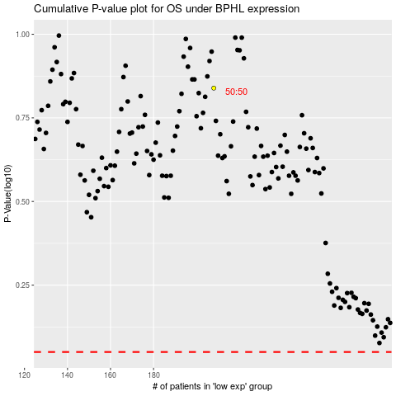

 |  |  |  |  |  | cases_OS | p_OS | rank | exp
 |  |  |  |  |  |  | cases_RFS | p_RFS | rank | exp

