BPI _multivariate
Reported by Tex Li-Hsing Chi. tex@gate.sinica.edu.tw 2019-08-21

Table 2. The clinicopathological features of HNSCC cohort and BPI expression. (Chi square test)
Cutoff at -0.325 (50.0%)
 |  | BPI expression |  | BPI expression |  | (Optimised)
 | Features | Low | (%) | High | (%) | Case no | P-value | Remark | Matthews
Gender | Female | 154 | 37.1 | 152 | 36.6 | 415 | 0.8463 | 0 | 0
2 | Male | 53 | 12.8 | 56 | 13.5
Age at diagnosis | <=65y | 142 | 34.2 | 132 | 31.8 | 415 | 0.3167 | 0 | 0
4 | >65y | 65 | 15.7 | 76 | 18.3
Clinical T Status | T1+T2 | 69 | 16.6 | 80 | 19.3 | 415 | 0.3239 | 0 | 0
6 | T3+T4 | 138 | 33.3 | 128 | 30.8
Clinical N Status | N0 | 109 | 26.3 | 107 | 25.8 | 415 | 0.8812 | 0 | 0
8 | N1-3 | 98 | 23.6 | 101 | 24.3
Clinical M Status | M0 | 205 | 49.4 | 207 | 49.9 | 415 | 0.6232 | 0 | 0
10 | M1 | 2 | 0.5 | 1 | 0.2
Clinical Stage | Stage I+II | 49 | 11.8 | 53 | 12.8 | 415 | 0.7535 | 0 | 0
12 | Stage III+IV | 158 | 38.1 | 155 | 37.3
Surgical Margin status | Negative | 157 | 37.8 | 161 | 38.8 | 415 | 0.729 | 0 | 0
14 | Positive | 50 | 12 | 47 | 11.3
Tobacco Exposure | Low | 83 | 20 | 78 | 18.8 | 415 | 0.6152 | 0 | 0
16 | High | 124 | 29.9 | 130 | 31.3

Table 3. Univariate/Multivariate Cox's proportional hazards regression analyses on OS time of BPI gene expression in HNSCC

 |  | Univariate |  |  |  | Multivariate
 | Features | HR | CI95%(L) | CI95%(H) | P-value | HR | CI95%(L) | CI95%(H) | P-value
1 | Female | 1 |  |  |  | 1
Gender | Male | 1.157 | 0.843 | 1.587 | 0.367 | 1.206 | 0.863 | 1.685 | 0.273
11 | <=65y | 1 |  |  |  | 1
Age at diagnosis | >65y | 1.329 | 0.99 | 1.784 | 0.058 | 1.394 | 1.025 | 1.894 | 0.034
12 | T1+T2 | 1 |  |  |  | 1
Clinical T Status | T3+T4 | 1.409 | 1.028 | 1.931 | 0.033 | 2.181 | 1.153 | 4.126 | 0.017
13 | N0 | 1 |  |  |  | 1
Clinical N Status | N1-3 | 1.185 | 0.89 | 1.577 | 0.246 | 1.247 | 0.874 | 1.78 | 0.224
14 | M0 | 1 |  |  |  | 1
Clinical M Status | M1 | 4.097 | 1.009 | 16.644 | 0.049 | 9.223 | 2.009 | 42.33 | 0.004
15 | Stage I+II | 1 |  |  |  | 1
Clinical Stage | Stage III+IV | 1.245 | 0.882 | 1.759 | 0.213 | 0.508 | 0.237 | 1.09 | 0.082
16 | Negative | 1 |  |  |  | 1
Surgical Margin status | Positive | 1.591 | 1.155 | 2.191 | 0.004 | 1.675 | 1.212 | 2.315 | 0.002
17 | Low | 1 |  |  |  | 1
Tobacco Exposure | High | 1.364 | 1.008 | 1.844 | 0.044 | 1.463 | 1.061 | 2.018 | 0.02
18 | Low | 1 |  |  |  | 1
RNAseq(z-score) | High | 0.939 | 0.705 | 1.25 | 0.666 | 0.913 | 0.685 | 1.219 | 0.539

Table 4. Univariate/Multivariate Cox's proportional hazards regression analyses on RFS time of BPI gene expression in HNSCC

 |  | Univariate |  |  |  | Multivariate
 | Features | HR | CI95%(L) | CI95%(H) | P-value | HR | CI95%(L) | CI95%(H) | P-value
1 | Female | 1 |  |  |  | 1
Gender | Male | 1.157 | 0.843 | 1.587 | 0.367 | 1.206 | 0.863 | 1.685 | 0.273
11 | <=65y | 1 |  |  |  | 1
Age at diagnosis | >65y | 1.329 | 0.99 | 1.784 | 0.058 | 1.394 | 1.025 | 1.894 | 0.034
12 | T1+T2 | 1 |  |  |  | 1
Clinical T Status | T3+T4 | 1.409 | 1.028 | 1.931 | 0.033 | 2.181 | 1.153 | 4.126 | 0.017
13 | N0 | 1 |  |  |  | 1
Clinical N Status | N1-3 | 1.185 | 0.89 | 1.577 | 0.246 | 1.247 | 0.874 | 1.78 | 0.224
14 | M0 | 1 |  |  |  | 1
Clinical M Status | M1 | 4.097 | 1.009 | 16.644 | 0.049 | 9.223 | 2.009 | 42.33 | 0.004
15 | Stage I+II | 1 |  |  |  | 1
Clinical Stage | Stage III+IV | 1.245 | 0.882 | 1.759 | 0.213 | 0.508 | 0.237 | 1.09 | 0.082
16 | Negative | 1 |  |  |  | 1
Surgical Margin status | Positive | 1.591 | 1.155 | 2.191 | 0.004 | 1.675 | 1.212 | 2.315 | 0.002
17 | Low | 1 |  |  |  | 1
Tobacco Exposure | High | 1.364 | 1.008 | 1.844 | 0.044 | 1.463 | 1.061 | 2.018 | 0.02
18 | Low | 1 |  |  |  | 1
RNAseq(z-score) | High | 0.939 | 0.705 | 1.25 | 0.666 | 0.913 | 0.685 | 1.219 | 0.539

Kaplan-Meier survival estimate: Cutoff at -0.325 (50.0%)



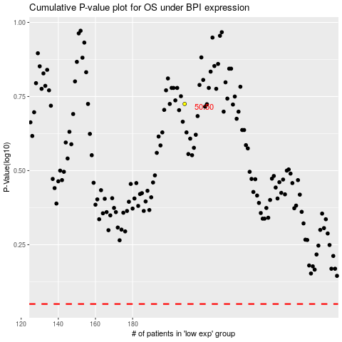

 |  |  |  |  |  | cases_OS | p_OS | rank | exp
 |  |  |  |  |  |  | cases_RFS | p_RFS | rank | exp

