BPIL2 _multivariate
Reported by Tex Li-Hsing Chi. tex@gate.sinica.edu.tw 2019-08-21

Table 2. The clinicopathological features of HNSCC cohort and BPIL2 expression. (Chi square test)
Cutoff at -0.383 (50.0%)
 |  | BPIL2 expression |  | BPIL2 expression |  | (Optimised)
 | Features | Low | (%) | High | (%) | Case no | P-value | Remark | Matthews
Gender | Female | 157 | 37.8 | 149 | 35.9 | 415 | 0.3881 | 0 | 0
2 | Male | 50 | 12 | 59 | 14.2
Age at diagnosis | <=65y | 138 | 33.3 | 136 | 32.8 | 415 | 0.8634 | 0 | 0
4 | >65y | 69 | 16.6 | 72 | 17.3
Clinical T Status | T1+T2 | 82 | 19.8 | 67 | 16.1 | 415 | 0.1417 | 0 | 0
6 | T3+T4 | 125 | 30.1 | 141 | 34
Clinical N Status | N0 | 101 | 24.3 | 115 | 27.7 | 415 | 0.2201 | 0 | 0
8 | N1-3 | 106 | 25.5 | 93 | 22.4
Clinical M Status | M0 | 206 | 49.6 | 206 | 49.6 | 415 | 1 | 0 | 0
10 | M1 | 1 | 0.2 | 2 | 0.5
Clinical Stage | Stage I+II | 52 | 12.5 | 50 | 12 | 415 | 0.8871 | 0 | 0
12 | Stage III+IV | 155 | 37.3 | 158 | 38.1
Surgical Margin status | Negative | 151 | 36.4 | 167 | 40.2 | 415 | 0.0828 | 0 | 0
14 | Positive | 56 | 13.5 | 41 | 9.9
Tobacco Exposure | Low | 78 | 18.8 | 83 | 20 | 415 | 0.6873 | 0 | 0
16 | High | 129 | 31.1 | 125 | 30.1

Table 3. Univariate/Multivariate Cox's proportional hazards regression analyses on OS time of BPIL2 gene expression in HNSCC

 |  | Univariate |  |  |  | Multivariate
 | Features | HR | CI95%(L) | CI95%(H) | P-value | HR | CI95%(L) | CI95%(H) | P-value
1 | Female | 1 |  |  |  | 1
Gender | Male | 1.157 | 0.843 | 1.587 | 0.367 | 1.218 | 0.872 | 1.702 | 0.248
11 | <=65y | 1 |  |  |  | 1
Age at diagnosis | >65y | 1.329 | 0.99 | 1.784 | 0.058 | 1.407 | 1.036 | 1.912 | 0.029
12 | T1+T2 | 1 |  |  |  | 1
Clinical T Status | T3+T4 | 1.409 | 1.028 | 1.931 | 0.033 | 2.287 | 1.208 | 4.33 | 0.011
13 | N0 | 1 |  |  |  | 1
Clinical N Status | N1-3 | 1.185 | 0.89 | 1.577 | 0.246 | 1.201 | 0.839 | 1.717 | 0.317
14 | M0 | 1 |  |  |  | 1
Clinical M Status | M1 | 4.097 | 1.009 | 16.644 | 0.049 | 10.647 | 2.305 | 49.185 | 0.002
15 | Stage I+II | 1 |  |  |  | 1
Clinical Stage | Stage III+IV | 1.245 | 0.882 | 1.759 | 0.213 | 0.498 | 0.232 | 1.069 | 0.074
16 | Negative | 1 |  |  |  | 1
Surgical Margin status | Positive | 1.591 | 1.155 | 2.191 | 0.004 | 1.632 | 1.18 | 2.258 | 0.003
17 | Low | 1 |  |  |  | 1
Tobacco Exposure | High | 1.364 | 1.008 | 1.844 | 0.044 | 1.437 | 1.043 | 1.981 | 0.027
18 | Low | 1 |  |  |  | 1
RNAseq(z-score) | High | 0.798 | 0.597 | 1.066 | 0.127 | 0.785 | 0.583 | 1.056 | 0.109

Table 4. Univariate/Multivariate Cox's proportional hazards regression analyses on RFS time of BPIL2 gene expression in HNSCC

 |  | Univariate |  |  |  | Multivariate
 | Features | HR | CI95%(L) | CI95%(H) | P-value | HR | CI95%(L) | CI95%(H) | P-value
1 | Female | 1 |  |  |  | 1
Gender | Male | 1.157 | 0.843 | 1.587 | 0.367 | 1.218 | 0.872 | 1.702 | 0.248
11 | <=65y | 1 |  |  |  | 1
Age at diagnosis | >65y | 1.329 | 0.99 | 1.784 | 0.058 | 1.407 | 1.036 | 1.912 | 0.029
12 | T1+T2 | 1 |  |  |  | 1
Clinical T Status | T3+T4 | 1.409 | 1.028 | 1.931 | 0.033 | 2.287 | 1.208 | 4.33 | 0.011
13 | N0 | 1 |  |  |  | 1
Clinical N Status | N1-3 | 1.185 | 0.89 | 1.577 | 0.246 | 1.201 | 0.839 | 1.717 | 0.317
14 | M0 | 1 |  |  |  | 1
Clinical M Status | M1 | 4.097 | 1.009 | 16.644 | 0.049 | 10.647 | 2.305 | 49.185 | 0.002
15 | Stage I+II | 1 |  |  |  | 1
Clinical Stage | Stage III+IV | 1.245 | 0.882 | 1.759 | 0.213 | 0.498 | 0.232 | 1.069 | 0.074
16 | Negative | 1 |  |  |  | 1
Surgical Margin status | Positive | 1.591 | 1.155 | 2.191 | 0.004 | 1.632 | 1.18 | 2.258 | 0.003
17 | Low | 1 |  |  |  | 1
Tobacco Exposure | High | 1.364 | 1.008 | 1.844 | 0.044 | 1.437 | 1.043 | 1.981 | 0.027
18 | Low | 1 |  |  |  | 1
RNAseq(z-score) | High | 0.798 | 0.597 | 1.066 | 0.127 | 0.785 | 0.583 | 1.056 | 0.109

Kaplan-Meier survival estimate: Cutoff at -0.383 (50.0%)



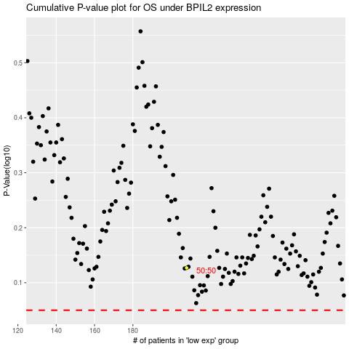

 |  |  |  |  |  | cases_OS | p_OS | rank | exp
 |  |  |  |  |  |  | cases_RFS | p_RFS | rank | exp

