BRAF _multivariate
Reported by Tex Li-Hsing Chi. tex@gate.sinica.edu.tw 2019-08-21

Table 2. The clinicopathological features of HNSCC cohort and BRAF expression. (Chi square test)
Cutoff at -0.233 (49.8%)
 |  | BRAF expression |  | BRAF expression |  | (Optimised)
 | Features | Low | (%) | High | (%) | Case no | P-value | Remark | Matthews
Gender | Female | 149 | 35.9 | 157 | 37.8 | 415 | 0.4848 | 0 | 0
2 | Male | 58 | 14 | 51 | 12.3
Age at diagnosis | <=65y | 134 | 32.3 | 140 | 33.7 | 415 | 0.6529 | 0 | 0
4 | >65y | 73 | 17.6 | 68 | 16.4
Clinical T Status | T1+T2 | 89 | 21.4 | 60 | 14.5 | 415 | 0.0037 | 1 | 0
6 | T3+T4 | 118 | 28.4 | 148 | 35.7
Clinical N Status | N0 | 103 | 24.8 | 113 | 27.2 | 415 | 0.4047 | 0 | 0
8 | N1-3 | 104 | 25.1 | 95 | 22.9
Clinical M Status | M0 | 204 | 49.2 | 208 | 50.1 | 415 | 0.1232 | 0 | 0
10 | M1 | 3 | 0.7 | 0 | 0
Clinical Stage | Stage I+II | 60 | 14.5 | 42 | 10.1 | 415 | 0.0493 | 1 | 0
12 | Stage III+IV | 147 | 35.4 | 166 | 40
Surgical Margin status | Negative | 156 | 37.6 | 162 | 39 | 415 | 0.5636 | 0 | 0
14 | Positive | 51 | 12.3 | 46 | 11.1
Tobacco Exposure | Low | 91 | 21.9 | 70 | 16.9 | 415 | 0.0346 | 1 | 0
16 | High | 116 | 28 | 138 | 33.3

Table 3. Univariate/Multivariate Cox's proportional hazards regression analyses on OS time of BRAF gene expression in HNSCC

 |  | Univariate |  |  |  | Multivariate
 | Features | HR | CI95%(L) | CI95%(H) | P-value | HR | CI95%(L) | CI95%(H) | P-value
1 | Female | 1 |  |  |  | 1
Gender | Male | 1.157 | 0.843 | 1.587 | 0.367 | 1.199 | 0.858 | 1.676 | 0.288
11 | <=65y | 1 |  |  |  | 1
Age at diagnosis | >65y | 1.329 | 0.99 | 1.784 | 0.058 | 1.393 | 1.024 | 1.893 | 0.035
12 | T1+T2 | 1 |  |  |  | 1
Clinical T Status | T3+T4 | 1.409 | 1.028 | 1.931 | 0.033 | 2.214 | 1.17 | 4.189 | 0.015
13 | N0 | 1 |  |  |  | 1
Clinical N Status | N1-3 | 1.185 | 0.89 | 1.577 | 0.246 | 1.233 | 0.863 | 1.762 | 0.25
14 | M0 | 1 |  |  |  | 1
Clinical M Status | M1 | 4.097 | 1.009 | 16.644 | 0.049 | 9.202 | 1.998 | 42.384 | 0.004
15 | Stage I+II | 1 |  |  |  | 1
Clinical Stage | Stage III+IV | 1.245 | 0.882 | 1.759 | 0.213 | 0.507 | 0.236 | 1.089 | 0.081
16 | Negative | 1 |  |  |  | 1
Surgical Margin status | Positive | 1.591 | 1.155 | 2.191 | 0.004 | 1.665 | 1.204 | 2.302 | 0.002
17 | Low | 1 |  |  |  | 1
Tobacco Exposure | High | 1.364 | 1.008 | 1.844 | 0.044 | 1.457 | 1.056 | 2.008 | 0.022
18 | Low | 1 |  |  |  | 1
RNAseq(z-score) | High | 0.946 | 0.71 | 1.261 | 0.705 | 0.949 | 0.707 | 1.273 | 0.726

Table 4. Univariate/Multivariate Cox's proportional hazards regression analyses on RFS time of BRAF gene expression in HNSCC

 |  | Univariate |  |  |  | Multivariate
 | Features | HR | CI95%(L) | CI95%(H) | P-value | HR | CI95%(L) | CI95%(H) | P-value
1 | Female | 1 |  |  |  | 1
Gender | Male | 1.157 | 0.843 | 1.587 | 0.367 | 1.199 | 0.858 | 1.676 | 0.288
11 | <=65y | 1 |  |  |  | 1
Age at diagnosis | >65y | 1.329 | 0.99 | 1.784 | 0.058 | 1.393 | 1.024 | 1.893 | 0.035
12 | T1+T2 | 1 |  |  |  | 1
Clinical T Status | T3+T4 | 1.409 | 1.028 | 1.931 | 0.033 | 2.214 | 1.17 | 4.189 | 0.015
13 | N0 | 1 |  |  |  | 1
Clinical N Status | N1-3 | 1.185 | 0.89 | 1.577 | 0.246 | 1.233 | 0.863 | 1.762 | 0.25
14 | M0 | 1 |  |  |  | 1
Clinical M Status | M1 | 4.097 | 1.009 | 16.644 | 0.049 | 9.202 | 1.998 | 42.384 | 0.004
15 | Stage I+II | 1 |  |  |  | 1
Clinical Stage | Stage III+IV | 1.245 | 0.882 | 1.759 | 0.213 | 0.507 | 0.236 | 1.089 | 0.081
16 | Negative | 1 |  |  |  | 1
Surgical Margin status | Positive | 1.591 | 1.155 | 2.191 | 0.004 | 1.665 | 1.204 | 2.302 | 0.002
17 | Low | 1 |  |  |  | 1
Tobacco Exposure | High | 1.364 | 1.008 | 1.844 | 0.044 | 1.457 | 1.056 | 2.008 | 0.022
18 | Low | 1 |  |  |  | 1
RNAseq(z-score) | High | 0.946 | 0.71 | 1.261 | 0.705 | 0.949 | 0.707 | 1.273 | 0.726

Kaplan-Meier survival estimate: Cutoff at -0.233 (49.8%)



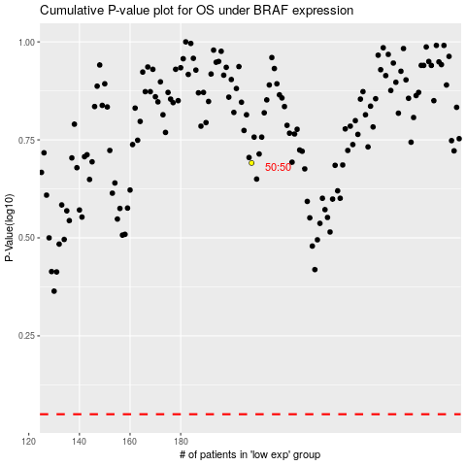

 |  |  |  |  |  | cases_OS | p_OS | rank | exp
 |  |  |  |  |  |  | cases_RFS | p_RFS | rank | exp

