BRCC3 _multivariate
Reported by Tex Li-Hsing Chi. tex@gate.sinica.edu.tw 2019-08-21

Table 2. The clinicopathological features of HNSCC cohort and BRCC3 expression. (Chi square test)
Cutoff at -0.234 (49.8%)
 |  | BRCC3 expression |  | BRCC3 expression |  | (Optimised)
 | Features | Low | (%) | High | (%) | Case no | P-value | Remark | Matthews
Gender | Female | 156 | 37.6 | 150 | 36.1 | 415 | 0.5222 | 0 | 0
2 | Male | 51 | 12.3 | 58 | 14
Age at diagnosis | <=65y | 131 | 31.6 | 143 | 34.5 | 415 | 0.2839 | 0 | 0
4 | >65y | 76 | 18.3 | 65 | 15.7
Clinical T Status | T1+T2 | 56 | 13.5 | 93 | 22.4 | 415 | 3e-04 | 1 | 0
6 | T3+T4 | 151 | 36.4 | 115 | 27.7
Clinical N Status | N0 | 111 | 26.7 | 105 | 25.3 | 415 | 0.5875 | 0 | 0
8 | N1-3 | 96 | 23.1 | 103 | 24.8
Clinical M Status | M0 | 207 | 49.9 | 205 | 49.4 | 415 | 0.2482 | 0 | 0
10 | M1 | 0 | 0 | 3 | 0.7
Clinical Stage | Stage I+II | 41 | 9.9 | 61 | 14.7 | 415 | 0.0325 | 1 | 0
12 | Stage III+IV | 166 | 40 | 147 | 35.4
Surgical Margin status | Negative | 160 | 38.6 | 158 | 38.1 | 415 | 0.8167 | 0 | 0
14 | Positive | 47 | 11.3 | 50 | 12
Tobacco Exposure | Low | 75 | 18.1 | 86 | 20.7 | 415 | 0.3141 | 0 | 0
16 | High | 132 | 31.8 | 122 | 29.4

Table 3. Univariate/Multivariate Cox's proportional hazards regression analyses on OS time of BRCC3 gene expression in HNSCC

 |  | Univariate |  |  |  | Multivariate
 | Features | HR | CI95%(L) | CI95%(H) | P-value | HR | CI95%(L) | CI95%(H) | P-value
1 | Female | 1 |  |  |  | 1
Gender | Male | 1.157 | 0.843 | 1.587 | 0.367 | 1.196 | 0.857 | 1.669 | 0.293
11 | <=65y | 1 |  |  |  | 1
Age at diagnosis | >65y | 1.329 | 0.99 | 1.784 | 0.058 | 1.393 | 1.025 | 1.893 | 0.034
12 | T1+T2 | 1 |  |  |  | 1
Clinical T Status | T3+T4 | 1.409 | 1.028 | 1.931 | 0.033 | 2.338 | 1.231 | 4.441 | 0.009
13 | N0 | 1 |  |  |  | 1
Clinical N Status | N1-3 | 1.185 | 0.89 | 1.577 | 0.246 | 1.242 | 0.87 | 1.774 | 0.232
14 | M0 | 1 |  |  |  | 1
Clinical M Status | M1 | 4.097 | 1.009 | 16.644 | 0.049 | 8.863 | 1.93 | 40.705 | 0.005
15 | Stage I+II | 1 |  |  |  | 1
Clinical Stage | Stage III+IV | 1.245 | 0.882 | 1.759 | 0.213 | 0.483 | 0.224 | 1.039 | 0.062
16 | Negative | 1 |  |  |  | 1
Surgical Margin status | Positive | 1.591 | 1.155 | 2.191 | 0.004 | 1.682 | 1.216 | 2.326 | 0.002
17 | Low | 1 |  |  |  | 1
Tobacco Exposure | High | 1.364 | 1.008 | 1.844 | 0.044 | 1.481 | 1.074 | 2.042 | 0.017
18 | Low | 1 |  |  |  | 1
RNAseq(z-score) | High | 1.156 | 0.868 | 1.54 | 0.322 | 1.254 | 0.936 | 1.68 | 0.13

Table 4. Univariate/Multivariate Cox's proportional hazards regression analyses on RFS time of BRCC3 gene expression in HNSCC

 |  | Univariate |  |  |  | Multivariate
 | Features | HR | CI95%(L) | CI95%(H) | P-value | HR | CI95%(L) | CI95%(H) | P-value
1 | Female | 1 |  |  |  | 1
Gender | Male | 1.157 | 0.843 | 1.587 | 0.367 | 1.196 | 0.857 | 1.669 | 0.293
11 | <=65y | 1 |  |  |  | 1
Age at diagnosis | >65y | 1.329 | 0.99 | 1.784 | 0.058 | 1.393 | 1.025 | 1.893 | 0.034
12 | T1+T2 | 1 |  |  |  | 1
Clinical T Status | T3+T4 | 1.409 | 1.028 | 1.931 | 0.033 | 2.338 | 1.231 | 4.441 | 0.009
13 | N0 | 1 |  |  |  | 1
Clinical N Status | N1-3 | 1.185 | 0.89 | 1.577 | 0.246 | 1.242 | 0.87 | 1.774 | 0.232
14 | M0 | 1 |  |  |  | 1
Clinical M Status | M1 | 4.097 | 1.009 | 16.644 | 0.049 | 8.863 | 1.93 | 40.705 | 0.005
15 | Stage I+II | 1 |  |  |  | 1
Clinical Stage | Stage III+IV | 1.245 | 0.882 | 1.759 | 0.213 | 0.483 | 0.224 | 1.039 | 0.062
16 | Negative | 1 |  |  |  | 1
Surgical Margin status | Positive | 1.591 | 1.155 | 2.191 | 0.004 | 1.682 | 1.216 | 2.326 | 0.002
17 | Low | 1 |  |  |  | 1
Tobacco Exposure | High | 1.364 | 1.008 | 1.844 | 0.044 | 1.481 | 1.074 | 2.042 | 0.017
18 | Low | 1 |  |  |  | 1
RNAseq(z-score) | High | 1.156 | 0.868 | 1.54 | 0.322 | 1.254 | 0.936 | 1.68 | 0.13

Kaplan-Meier survival estimate: Cutoff at -0.234 (49.8%)



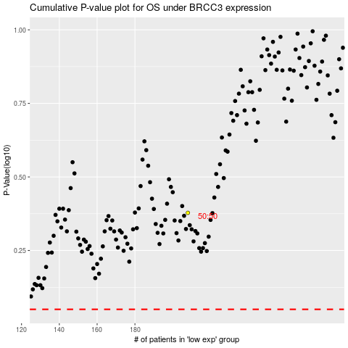

 |  |  |  |  |  | cases_OS | p_OS | rank | exp
 |  |  |  |  |  |  | cases_RFS | p_RFS | rank | exp

