BRD3 _multivariate
Reported by Tex Li-Hsing Chi. tex@gate.sinica.edu.tw 2019-08-21

Table 2. The clinicopathological features of HNSCC cohort and BRD3 expression. (Chi square test)
Cutoff at -0.21 (49.8%)
 |  | BRD3 expression |  | BRD3 expression |  | (Optimised)
 | Features | Low | (%) | High | (%) | Case no | P-value | Remark | Matthews
Gender | Female | 142 | 34.2 | 164 | 39.5 | 415 | 0.0238 | 1 | 0
2 | Male | 65 | 15.7 | 44 | 10.6
Age at diagnosis | <=65y | 130 | 31.3 | 144 | 34.7 | 415 | 0.2009 | 0 | 0
4 | >65y | 77 | 18.6 | 64 | 15.4
Clinical T Status | T1+T2 | 73 | 17.6 | 76 | 18.3 | 415 | 0.8666 | 0 | 0
6 | T3+T4 | 134 | 32.3 | 132 | 31.8
Clinical N Status | N0 | 107 | 25.8 | 109 | 26.3 | 415 | 0.9624 | 0 | 0
8 | N1-3 | 100 | 24.1 | 99 | 23.9
Clinical M Status | M0 | 204 | 49.2 | 208 | 50.1 | 415 | 0.1232 | 0 | 0
10 | M1 | 3 | 0.7 | 0 | 0
Clinical Stage | Stage I+II | 50 | 12 | 52 | 12.5 | 415 | 0.9315 | 0 | 0
12 | Stage III+IV | 157 | 37.8 | 156 | 37.6
Surgical Margin status | Negative | 164 | 39.5 | 154 | 37.1 | 415 | 0.2462 | 0 | 0
14 | Positive | 43 | 10.4 | 54 | 13
Tobacco Exposure | Low | 93 | 22.4 | 68 | 16.4 | 415 | 0.0118 | 1 | 0
16 | High | 114 | 27.5 | 140 | 33.7

Table 3. Univariate/Multivariate Cox's proportional hazards regression analyses on OS time of BRD3 gene expression in HNSCC

 |  | Univariate |  |  |  | Multivariate
 | Features | HR | CI95%(L) | CI95%(H) | P-value | HR | CI95%(L) | CI95%(H) | P-value
1 | Female | 1 |  |  |  | 1
Gender | Male | 1.157 | 0.843 | 1.587 | 0.367 | 1.251 | 0.889 | 1.759 | 0.199
11 | <=65y | 1 |  |  |  | 1
Age at diagnosis | >65y | 1.329 | 0.99 | 1.784 | 0.058 | 1.392 | 1.023 | 1.893 | 0.035
12 | T1+T2 | 1 |  |  |  | 1
Clinical T Status | T3+T4 | 1.409 | 1.028 | 1.931 | 0.033 | 2.242 | 1.184 | 4.244 | 0.013
13 | N0 | 1 |  |  |  | 1
Clinical N Status | N1-3 | 1.185 | 0.89 | 1.577 | 0.246 | 1.239 | 0.868 | 1.768 | 0.237
14 | M0 | 1 |  |  |  | 1
Clinical M Status | M1 | 4.097 | 1.009 | 16.644 | 0.049 | 10.605 | 2.278 | 49.362 | 0.003
15 | Stage I+II | 1 |  |  |  | 1
Clinical Stage | Stage III+IV | 1.245 | 0.882 | 1.759 | 0.213 | 0.493 | 0.229 | 1.059 | 0.07
16 | Negative | 1 |  |  |  | 1
Surgical Margin status | Positive | 1.591 | 1.155 | 2.191 | 0.004 | 1.655 | 1.197 | 2.289 | 0.002
17 | Low | 1 |  |  |  | 1
Tobacco Exposure | High | 1.364 | 1.008 | 1.844 | 0.044 | 1.439 | 1.044 | 1.984 | 0.026
18 | Low | 1 |  |  |  | 1
RNAseq(z-score) | High | 1.158 | 0.868 | 1.545 | 0.318 | 1.19 | 0.881 | 1.608 | 0.257

Table 4. Univariate/Multivariate Cox's proportional hazards regression analyses on RFS time of BRD3 gene expression in HNSCC

 |  | Univariate |  |  |  | Multivariate
 | Features | HR | CI95%(L) | CI95%(H) | P-value | HR | CI95%(L) | CI95%(H) | P-value
1 | Female | 1 |  |  |  | 1
Gender | Male | 1.157 | 0.843 | 1.587 | 0.367 | 1.251 | 0.889 | 1.759 | 0.199
11 | <=65y | 1 |  |  |  | 1
Age at diagnosis | >65y | 1.329 | 0.99 | 1.784 | 0.058 | 1.392 | 1.023 | 1.893 | 0.035
12 | T1+T2 | 1 |  |  |  | 1
Clinical T Status | T3+T4 | 1.409 | 1.028 | 1.931 | 0.033 | 2.242 | 1.184 | 4.244 | 0.013
13 | N0 | 1 |  |  |  | 1
Clinical N Status | N1-3 | 1.185 | 0.89 | 1.577 | 0.246 | 1.239 | 0.868 | 1.768 | 0.237
14 | M0 | 1 |  |  |  | 1
Clinical M Status | M1 | 4.097 | 1.009 | 16.644 | 0.049 | 10.605 | 2.278 | 49.362 | 0.003
15 | Stage I+II | 1 |  |  |  | 1
Clinical Stage | Stage III+IV | 1.245 | 0.882 | 1.759 | 0.213 | 0.493 | 0.229 | 1.059 | 0.07
16 | Negative | 1 |  |  |  | 1
Surgical Margin status | Positive | 1.591 | 1.155 | 2.191 | 0.004 | 1.655 | 1.197 | 2.289 | 0.002
17 | Low | 1 |  |  |  | 1
Tobacco Exposure | High | 1.364 | 1.008 | 1.844 | 0.044 | 1.439 | 1.044 | 1.984 | 0.026
18 | Low | 1 |  |  |  | 1
RNAseq(z-score) | High | 1.158 | 0.868 | 1.545 | 0.318 | 1.19 | 0.881 | 1.608 | 0.257

Kaplan-Meier survival estimate: Cutoff at -0.21 (49.8%)



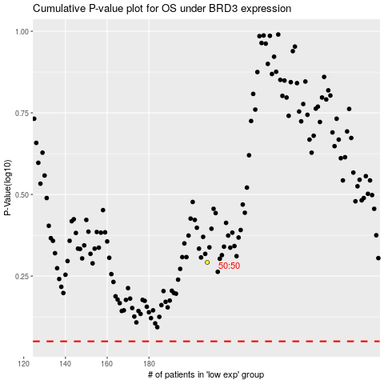

 |  |  |  |  |  | cases_OS | p_OS | rank | exp
 |  |  |  |  |  |  | cases_RFS | p_RFS | rank | exp

