BRD4 _multivariate
Reported by Tex Li-Hsing Chi. tex@gate.sinica.edu.tw 2019-08-21

Table 2. The clinicopathological features of HNSCC cohort and BRD4 expression. (Chi square test)
Cutoff at -0.052 (49.8%)
 |  | BRD4 expression |  | BRD4 expression |  | (Optimised)
 | Features | Low | (%) | High | (%) | Case no | P-value | Remark | Matthews
Gender | Female | 141 | 34 | 165 | 39.8 | 415 | 0.013 | 1 | 0
2 | Male | 66 | 15.9 | 43 | 10.4
Age at diagnosis | <=65y | 134 | 32.3 | 140 | 33.7 | 415 | 0.6529 | 0 | 0
4 | >65y | 73 | 17.6 | 68 | 16.4
Clinical T Status | T1+T2 | 84 | 20.2 | 65 | 15.7 | 415 | 0.0603 | 0 | 0
6 | T3+T4 | 123 | 29.6 | 143 | 34.5
Clinical N Status | N0 | 114 | 27.5 | 102 | 24.6 | 415 | 0.2576 | 1 | 0
8 | N1-3 | 93 | 22.4 | 106 | 25.5
Clinical M Status | M0 | 204 | 49.2 | 208 | 50.1 | 415 | 0.1232 | 0 | 0
10 | M1 | 3 | 0.7 | 0 | 0
Clinical Stage | Stage I+II | 58 | 14 | 44 | 10.6 | 415 | 0.131 | 0 | 0
12 | Stage III+IV | 149 | 35.9 | 164 | 39.5
Surgical Margin status | Negative | 150 | 36.1 | 168 | 40.5 | 415 | 0.0492 | 1 | 0
14 | Positive | 57 | 13.7 | 40 | 9.6
Tobacco Exposure | Low | 94 | 22.7 | 67 | 16.1 | 415 | 0.0065 | 1 | 0
16 | High | 113 | 27.2 | 141 | 34

Table 3. Univariate/Multivariate Cox's proportional hazards regression analyses on OS time of BRD4 gene expression in HNSCC

 |  | Univariate |  |  |  | Multivariate
 | Features | HR | CI95%(L) | CI95%(H) | P-value | HR | CI95%(L) | CI95%(H) | P-value
1 | Female | 1 |  |  |  | 1
Gender | Male | 1.157 | 0.843 | 1.587 | 0.367 | 1.228 | 0.874 | 1.726 | 0.236
11 | <=65y | 1 |  |  |  | 1
Age at diagnosis | >65y | 1.329 | 0.99 | 1.784 | 0.058 | 1.395 | 1.026 | 1.897 | 0.034
12 | T1+T2 | 1 |  |  |  | 1
Clinical T Status | T3+T4 | 1.409 | 1.028 | 1.931 | 0.033 | 2.182 | 1.154 | 4.125 | 0.016
13 | N0 | 1 |  |  |  | 1
Clinical N Status | N1-3 | 1.185 | 0.89 | 1.577 | 0.246 | 1.241 | 0.869 | 1.77 | 0.235
14 | M0 | 1 |  |  |  | 1
Clinical M Status | M1 | 4.097 | 1.009 | 16.644 | 0.049 | 9.936 | 2.147 | 45.971 | 0.003
15 | Stage I+II | 1 |  |  |  | 1
Clinical Stage | Stage III+IV | 1.245 | 0.882 | 1.759 | 0.213 | 0.503 | 0.234 | 1.078 | 0.077
16 | Negative | 1 |  |  |  | 1
Surgical Margin status | Positive | 1.591 | 1.155 | 2.191 | 0.004 | 1.695 | 1.223 | 2.348 | 0.002
17 | Low | 1 |  |  |  | 1
Tobacco Exposure | High | 1.364 | 1.008 | 1.844 | 0.044 | 1.441 | 1.045 | 1.987 | 0.026
18 | Low | 1 |  |  |  | 1
RNAseq(z-score) | High | 1.06 | 0.794 | 1.415 | 0.694 | 1.107 | 0.815 | 1.504 | 0.516

Table 4. Univariate/Multivariate Cox's proportional hazards regression analyses on RFS time of BRD4 gene expression in HNSCC

 |  | Univariate |  |  |  | Multivariate
 | Features | HR | CI95%(L) | CI95%(H) | P-value | HR | CI95%(L) | CI95%(H) | P-value
1 | Female | 1 |  |  |  | 1
Gender | Male | 1.157 | 0.843 | 1.587 | 0.367 | 1.228 | 0.874 | 1.726 | 0.236
11 | <=65y | 1 |  |  |  | 1
Age at diagnosis | >65y | 1.329 | 0.99 | 1.784 | 0.058 | 1.395 | 1.026 | 1.897 | 0.034
12 | T1+T2 | 1 |  |  |  | 1
Clinical T Status | T3+T4 | 1.409 | 1.028 | 1.931 | 0.033 | 2.182 | 1.154 | 4.125 | 0.016
13 | N0 | 1 |  |  |  | 1
Clinical N Status | N1-3 | 1.185 | 0.89 | 1.577 | 0.246 | 1.241 | 0.869 | 1.77 | 0.235
14 | M0 | 1 |  |  |  | 1
Clinical M Status | M1 | 4.097 | 1.009 | 16.644 | 0.049 | 9.936 | 2.147 | 45.971 | 0.003
15 | Stage I+II | 1 |  |  |  | 1
Clinical Stage | Stage III+IV | 1.245 | 0.882 | 1.759 | 0.213 | 0.503 | 0.234 | 1.078 | 0.077
16 | Negative | 1 |  |  |  | 1
Surgical Margin status | Positive | 1.591 | 1.155 | 2.191 | 0.004 | 1.695 | 1.223 | 2.348 | 0.002
17 | Low | 1 |  |  |  | 1
Tobacco Exposure | High | 1.364 | 1.008 | 1.844 | 0.044 | 1.441 | 1.045 | 1.987 | 0.026
18 | Low | 1 |  |  |  | 1
RNAseq(z-score) | High | 1.06 | 0.794 | 1.415 | 0.694 | 1.107 | 0.815 | 1.504 | 0.516

Kaplan-Meier survival estimate: Cutoff at -0.052 (49.8%)



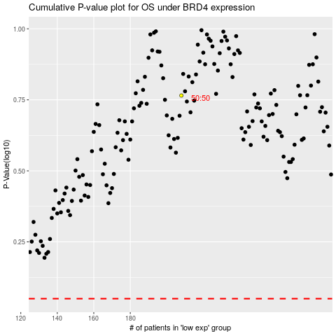

 |  |  |  |  |  | cases_OS | p_OS | rank | exp
 |  |  |  |  |  |  | cases_RFS | p_RFS | rank | exp

