BRD7 _multivariate
Reported by Tex Li-Hsing Chi. tex@gate.sinica.edu.tw 2019-08-21

Table 2. The clinicopathological features of HNSCC cohort and BRD7 expression. (Chi square test)
Cutoff at -0.116 (50.0%)
 |  | BRD7 expression |  | BRD7 expression |  | (Optimised)
 | Features | Low | (%) | High | (%) | Case no | P-value | Remark | Matthews
Gender | Female | 148 | 35.7 | 158 | 38.1 | 415 | 0.3567 | 0 | 0
2 | Male | 59 | 14.2 | 50 | 12
Age at diagnosis | <=65y | 129 | 31.1 | 145 | 34.9 | 415 | 0.1372 | 0 | 0
4 | >65y | 78 | 18.8 | 63 | 15.2
Clinical T Status | T1+T2 | 80 | 19.3 | 69 | 16.6 | 415 | 0.2891 | 0 | 0
6 | T3+T4 | 127 | 30.6 | 139 | 33.5
Clinical N Status | N0 | 103 | 24.8 | 113 | 27.2 | 415 | 0.4047 | 0 | 0
8 | N1-3 | 104 | 25.1 | 95 | 22.9
Clinical M Status | M0 | 206 | 49.6 | 206 | 49.6 | 415 | 1 | 0 | 0
10 | M1 | 1 | 0.2 | 2 | 0.5
Clinical Stage | Stage I+II | 51 | 12.3 | 51 | 12.3 | 415 | 1 | 0 | 0
12 | Stage III+IV | 156 | 37.6 | 157 | 37.8
Surgical Margin status | Negative | 161 | 38.8 | 157 | 37.8 | 415 | 0.6429 | 0 | 0
14 | Positive | 46 | 11.1 | 51 | 12.3
Tobacco Exposure | Low | 81 | 19.5 | 80 | 19.3 | 415 | 0.9199 | 0 | 0
16 | High | 126 | 30.4 | 128 | 30.8

Table 3. Univariate/Multivariate Cox's proportional hazards regression analyses on OS time of BRD7 gene expression in HNSCC

 |  | Univariate |  |  |  | Multivariate
 | Features | HR | CI95%(L) | CI95%(H) | P-value | HR | CI95%(L) | CI95%(H) | P-value
1 | Female | 1 |  |  |  | 1
Gender | Male | 1.157 | 0.843 | 1.587 | 0.367 | 1.201 | 0.86 | 1.678 | 0.283
11 | <=65y | 1 |  |  |  | 1
Age at diagnosis | >65y | 1.329 | 0.99 | 1.784 | 0.058 | 1.394 | 1.022 | 1.901 | 0.036
12 | T1+T2 | 1 |  |  |  | 1
Clinical T Status | T3+T4 | 1.409 | 1.028 | 1.931 | 0.033 | 2.199 | 1.162 | 4.163 | 0.015
13 | N0 | 1 |  |  |  | 1
Clinical N Status | N1-3 | 1.185 | 0.89 | 1.577 | 0.246 | 1.241 | 0.87 | 1.772 | 0.233
14 | M0 | 1 |  |  |  | 1
Clinical M Status | M1 | 4.097 | 1.009 | 16.644 | 0.049 | 9.364 | 2.033 | 43.125 | 0.004
15 | Stage I+II | 1 |  |  |  | 1
Clinical Stage | Stage III+IV | 1.245 | 0.882 | 1.759 | 0.213 | 0.505 | 0.235 | 1.084 | 0.08
16 | Negative | 1 |  |  |  | 1
Surgical Margin status | Positive | 1.591 | 1.155 | 2.191 | 0.004 | 1.67 | 1.207 | 2.31 | 0.002
17 | Low | 1 |  |  |  | 1
Tobacco Exposure | High | 1.364 | 1.008 | 1.844 | 0.044 | 1.452 | 1.054 | 2.002 | 0.023
18 | Low | 1 |  |  |  | 1
RNAseq(z-score) | High | 1.045 | 0.784 | 1.391 | 0.765 | 1.011 | 0.755 | 1.355 | 0.941

Table 4. Univariate/Multivariate Cox's proportional hazards regression analyses on RFS time of BRD7 gene expression in HNSCC

 |  | Univariate |  |  |  | Multivariate
 | Features | HR | CI95%(L) | CI95%(H) | P-value | HR | CI95%(L) | CI95%(H) | P-value
1 | Female | 1 |  |  |  | 1
Gender | Male | 1.157 | 0.843 | 1.587 | 0.367 | 1.201 | 0.86 | 1.678 | 0.283
11 | <=65y | 1 |  |  |  | 1
Age at diagnosis | >65y | 1.329 | 0.99 | 1.784 | 0.058 | 1.394 | 1.022 | 1.901 | 0.036
12 | T1+T2 | 1 |  |  |  | 1
Clinical T Status | T3+T4 | 1.409 | 1.028 | 1.931 | 0.033 | 2.199 | 1.162 | 4.163 | 0.015
13 | N0 | 1 |  |  |  | 1
Clinical N Status | N1-3 | 1.185 | 0.89 | 1.577 | 0.246 | 1.241 | 0.87 | 1.772 | 0.233
14 | M0 | 1 |  |  |  | 1
Clinical M Status | M1 | 4.097 | 1.009 | 16.644 | 0.049 | 9.364 | 2.033 | 43.125 | 0.004
15 | Stage I+II | 1 |  |  |  | 1
Clinical Stage | Stage III+IV | 1.245 | 0.882 | 1.759 | 0.213 | 0.505 | 0.235 | 1.084 | 0.08
16 | Negative | 1 |  |  |  | 1
Surgical Margin status | Positive | 1.591 | 1.155 | 2.191 | 0.004 | 1.67 | 1.207 | 2.31 | 0.002
17 | Low | 1 |  |  |  | 1
Tobacco Exposure | High | 1.364 | 1.008 | 1.844 | 0.044 | 1.452 | 1.054 | 2.002 | 0.023
18 | Low | 1 |  |  |  | 1
RNAseq(z-score) | High | 1.045 | 0.784 | 1.391 | 0.765 | 1.011 | 0.755 | 1.355 | 0.941

Kaplan-Meier survival estimate: Cutoff at -0.116 (50.0%)



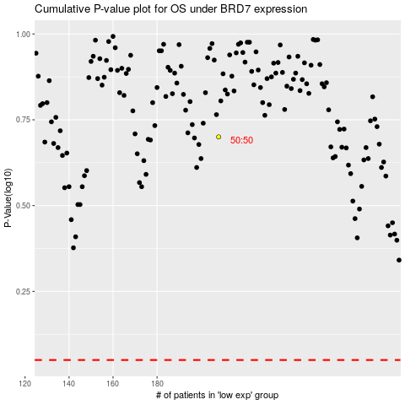

 |  |  |  |  |  | cases_OS | p_OS | rank | exp
 |  |  |  |  |  |  | cases_RFS | p_RFS | rank | exp

