BRD8 _multivariate
Reported by Tex Li-Hsing Chi. tex@gate.sinica.edu.tw 2019-08-21

Table 2. The clinicopathological features of HNSCC cohort and BRD8 expression. (Chi square test)
Cutoff at -0.304 (49.8%)
 |  | BRD8 expression |  | BRD8 expression |  | (Optimised)
 | Features | Low | (%) | High | (%) | Case no | P-value | Remark | Matthews
Gender | Female | 155 | 37.3 | 151 | 36.4 | 415 | 0.6768 | 0 | 0
2 | Male | 52 | 12.5 | 57 | 13.7
Age at diagnosis | <=65y | 134 | 32.3 | 140 | 33.7 | 415 | 0.6529 | 0 | 0
4 | >65y | 73 | 17.6 | 68 | 16.4
Clinical T Status | T1+T2 | 61 | 14.7 | 88 | 21.2 | 415 | 0.0087 | 1 | 0
6 | T3+T4 | 146 | 35.2 | 120 | 28.9
Clinical N Status | N0 | 108 | 26 | 108 | 26 | 415 | 1 | 0 | 0
8 | N1-3 | 99 | 23.9 | 100 | 24.1
Clinical M Status | M0 | 206 | 49.6 | 206 | 49.6 | 415 | 1 | 0 | 0
10 | M1 | 1 | 0.2 | 2 | 0.5
Clinical Stage | Stage I+II | 48 | 11.6 | 54 | 13 | 415 | 0.5878 | 0 | 0
12 | Stage III+IV | 159 | 38.3 | 154 | 37.1
Surgical Margin status | Negative | 166 | 40 | 152 | 36.6 | 415 | 0.1042 | 0 | 0
14 | Positive | 41 | 9.9 | 56 | 13.5
Tobacco Exposure | Low | 73 | 17.6 | 88 | 21.2 | 415 | 0.1587 | 0 | 0
16 | High | 134 | 32.3 | 120 | 28.9

Table 3. Univariate/Multivariate Cox's proportional hazards regression analyses on OS time of BRD8 gene expression in HNSCC

 |  | Univariate |  |  |  | Multivariate
 | Features | HR | CI95%(L) | CI95%(H) | P-value | HR | CI95%(L) | CI95%(H) | P-value
1 | Female | 1 |  |  |  | 1
Gender | Male | 1.157 | 0.843 | 1.587 | 0.367 | 1.202 | 0.86 | 1.68 | 0.281
11 | <=65y | 1 |  |  |  | 1
Age at diagnosis | >65y | 1.329 | 0.99 | 1.784 | 0.058 | 1.394 | 1.025 | 1.897 | 0.034
12 | T1+T2 | 1 |  |  |  | 1
Clinical T Status | T3+T4 | 1.409 | 1.028 | 1.931 | 0.033 | 2.249 | 1.184 | 4.271 | 0.013
13 | N0 | 1 |  |  |  | 1
Clinical N Status | N1-3 | 1.185 | 0.89 | 1.577 | 0.246 | 1.251 | 0.875 | 1.787 | 0.219
14 | M0 | 1 |  |  |  | 1
Clinical M Status | M1 | 4.097 | 1.009 | 16.644 | 0.049 | 9.458 | 2.063 | 43.358 | 0.004
15 | Stage I+II | 1 |  |  |  | 1
Clinical Stage | Stage III+IV | 1.245 | 0.882 | 1.759 | 0.213 | 0.498 | 0.232 | 1.071 | 0.074
16 | Negative | 1 |  |  |  | 1
Surgical Margin status | Positive | 1.591 | 1.155 | 2.191 | 0.004 | 1.65 | 1.191 | 2.287 | 0.003
17 | Low | 1 |  |  |  | 1
Tobacco Exposure | High | 1.364 | 1.008 | 1.844 | 0.044 | 1.463 | 1.061 | 2.019 | 0.02
18 | Low | 1 |  |  |  | 1
RNAseq(z-score) | High | 1.029 | 0.773 | 1.37 | 0.845 | 1.084 | 0.807 | 1.458 | 0.592

Table 4. Univariate/Multivariate Cox's proportional hazards regression analyses on RFS time of BRD8 gene expression in HNSCC

 |  | Univariate |  |  |  | Multivariate
 | Features | HR | CI95%(L) | CI95%(H) | P-value | HR | CI95%(L) | CI95%(H) | P-value
1 | Female | 1 |  |  |  | 1
Gender | Male | 1.157 | 0.843 | 1.587 | 0.367 | 1.202 | 0.86 | 1.68 | 0.281
11 | <=65y | 1 |  |  |  | 1
Age at diagnosis | >65y | 1.329 | 0.99 | 1.784 | 0.058 | 1.394 | 1.025 | 1.897 | 0.034
12 | T1+T2 | 1 |  |  |  | 1
Clinical T Status | T3+T4 | 1.409 | 1.028 | 1.931 | 0.033 | 2.249 | 1.184 | 4.271 | 0.013
13 | N0 | 1 |  |  |  | 1
Clinical N Status | N1-3 | 1.185 | 0.89 | 1.577 | 0.246 | 1.251 | 0.875 | 1.787 | 0.219
14 | M0 | 1 |  |  |  | 1
Clinical M Status | M1 | 4.097 | 1.009 | 16.644 | 0.049 | 9.458 | 2.063 | 43.358 | 0.004
15 | Stage I+II | 1 |  |  |  | 1
Clinical Stage | Stage III+IV | 1.245 | 0.882 | 1.759 | 0.213 | 0.498 | 0.232 | 1.071 | 0.074
16 | Negative | 1 |  |  |  | 1
Surgical Margin status | Positive | 1.591 | 1.155 | 2.191 | 0.004 | 1.65 | 1.191 | 2.287 | 0.003
17 | Low | 1 |  |  |  | 1
Tobacco Exposure | High | 1.364 | 1.008 | 1.844 | 0.044 | 1.463 | 1.061 | 2.019 | 0.02
18 | Low | 1 |  |  |  | 1
RNAseq(z-score) | High | 1.029 | 0.773 | 1.37 | 0.845 | 1.084 | 0.807 | 1.458 | 0.592

Kaplan-Meier survival estimate: Cutoff at -0.304 (49.8%)



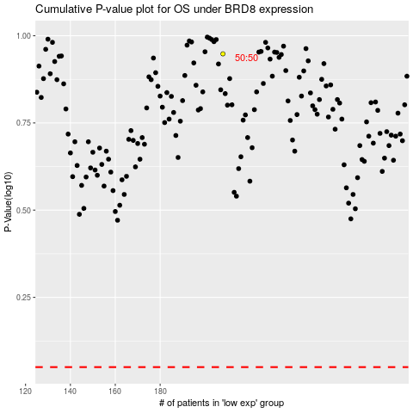

 |  |  |  |  |  | cases_OS | p_OS | rank | exp
 |  |  |  |  |  |  | cases_RFS | p_RFS | rank | exp

