BRI3BP _multivariate
Reported by Tex Li-Hsing Chi. tex@gate.sinica.edu.tw 2019-08-21

Table 2. The clinicopathological features of HNSCC cohort and BRI3BP expression. (Chi square test)
Cutoff at -0.192 (49.8%)
 |  | BRI3BP expression |  | BRI3BP expression |  | (Optimised)
 | Features | Low | (%) | High | (%) | Case no | P-value | Remark | Matthews
Gender | Female | 153 | 36.9 | 153 | 36.9 | 415 | 1 | 0 | 0
2 | Male | 54 | 13 | 55 | 13.3
Age at diagnosis | <=65y | 133 | 32 | 141 | 34 | 415 | 0.5111 | 0 | 0
4 | >65y | 74 | 17.8 | 67 | 16.1
Clinical T Status | T1+T2 | 78 | 18.8 | 71 | 17.1 | 415 | 0.5152 | 0 | 0
6 | T3+T4 | 129 | 31.1 | 137 | 33
Clinical N Status | N0 | 106 | 25.5 | 110 | 26.5 | 415 | 0.8075 | 0 | 0
8 | N1-3 | 101 | 24.3 | 98 | 23.6
Clinical M Status | M0 | 206 | 49.6 | 206 | 49.6 | 415 | 1 | 0 | 0
10 | M1 | 1 | 0.2 | 2 | 0.5
Clinical Stage | Stage I+II | 55 | 13.3 | 47 | 11.3 | 415 | 0.4087 | 0 | 0
12 | Stage III+IV | 152 | 36.6 | 161 | 38.8
Surgical Margin status | Negative | 157 | 37.8 | 161 | 38.8 | 415 | 0.729 | 0 | 0
14 | Positive | 50 | 12 | 47 | 11.3
Tobacco Exposure | Low | 87 | 21 | 74 | 17.8 | 415 | 0.1911 | 0 | 0
16 | High | 120 | 28.9 | 134 | 32.3

Table 3. Univariate/Multivariate Cox's proportional hazards regression analyses on OS time of BRI3BP gene expression in HNSCC

 |  | Univariate |  |  |  | Multivariate
 | Features | HR | CI95%(L) | CI95%(H) | P-value | HR | CI95%(L) | CI95%(H) | P-value
1 | Female | 1 |  |  |  | 1
Gender | Male | 1.157 | 0.843 | 1.587 | 0.367 | 1.196 | 0.856 | 1.671 | 0.295
11 | <=65y | 1 |  |  |  | 1
Age at diagnosis | >65y | 1.329 | 0.99 | 1.784 | 0.058 | 1.384 | 1.018 | 1.882 | 0.038
12 | T1+T2 | 1 |  |  |  | 1
Clinical T Status | T3+T4 | 1.409 | 1.028 | 1.931 | 0.033 | 2.183 | 1.155 | 4.128 | 0.016
13 | N0 | 1 |  |  |  | 1
Clinical N Status | N1-3 | 1.185 | 0.89 | 1.577 | 0.246 | 1.227 | 0.86 | 1.751 | 0.259
14 | M0 | 1 |  |  |  | 1
Clinical M Status | M1 | 4.097 | 1.009 | 16.644 | 0.049 | 9.423 | 2.056 | 43.182 | 0.004
15 | Stage I+II | 1 |  |  |  | 1
Clinical Stage | Stage III+IV | 1.245 | 0.882 | 1.759 | 0.213 | 0.52 | 0.242 | 1.119 | 0.095
16 | Negative | 1 |  |  |  | 1
Surgical Margin status | Positive | 1.591 | 1.155 | 2.191 | 0.004 | 1.646 | 1.19 | 2.276 | 0.003
17 | Low | 1 |  |  |  | 1
Tobacco Exposure | High | 1.364 | 1.008 | 1.844 | 0.044 | 1.462 | 1.061 | 2.014 | 0.02
18 | Low | 1 |  |  |  | 1
RNAseq(z-score) | High | 0.833 | 0.625 | 1.111 | 0.213 | 0.853 | 0.637 | 1.141 | 0.284

Table 4. Univariate/Multivariate Cox's proportional hazards regression analyses on RFS time of BRI3BP gene expression in HNSCC

 |  | Univariate |  |  |  | Multivariate
 | Features | HR | CI95%(L) | CI95%(H) | P-value | HR | CI95%(L) | CI95%(H) | P-value
1 | Female | 1 |  |  |  | 1
Gender | Male | 1.157 | 0.843 | 1.587 | 0.367 | 1.196 | 0.856 | 1.671 | 0.295
11 | <=65y | 1 |  |  |  | 1
Age at diagnosis | >65y | 1.329 | 0.99 | 1.784 | 0.058 | 1.384 | 1.018 | 1.882 | 0.038
12 | T1+T2 | 1 |  |  |  | 1
Clinical T Status | T3+T4 | 1.409 | 1.028 | 1.931 | 0.033 | 2.183 | 1.155 | 4.128 | 0.016
13 | N0 | 1 |  |  |  | 1
Clinical N Status | N1-3 | 1.185 | 0.89 | 1.577 | 0.246 | 1.227 | 0.86 | 1.751 | 0.259
14 | M0 | 1 |  |  |  | 1
Clinical M Status | M1 | 4.097 | 1.009 | 16.644 | 0.049 | 9.423 | 2.056 | 43.182 | 0.004
15 | Stage I+II | 1 |  |  |  | 1
Clinical Stage | Stage III+IV | 1.245 | 0.882 | 1.759 | 0.213 | 0.52 | 0.242 | 1.119 | 0.095
16 | Negative | 1 |  |  |  | 1
Surgical Margin status | Positive | 1.591 | 1.155 | 2.191 | 0.004 | 1.646 | 1.19 | 2.276 | 0.003
17 | Low | 1 |  |  |  | 1
Tobacco Exposure | High | 1.364 | 1.008 | 1.844 | 0.044 | 1.462 | 1.061 | 2.014 | 0.02
18 | Low | 1 |  |  |  | 1
RNAseq(z-score) | High | 0.833 | 0.625 | 1.111 | 0.213 | 0.853 | 0.637 | 1.141 | 0.284

Kaplan-Meier survival estimate: Cutoff at -0.192 (49.8%)



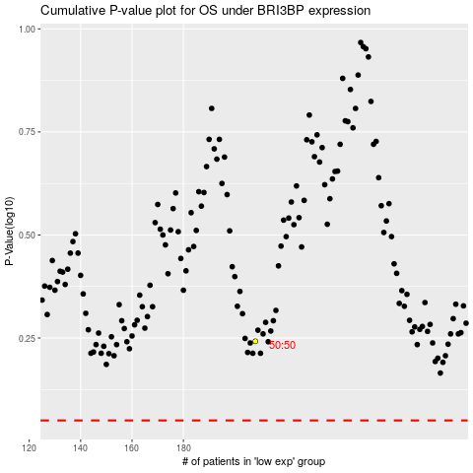

 |  |  |  |  |  | cases_OS | p_OS | rank | exp
 |  |  |  |  |  |  | cases_RFS | p_RFS | rank | exp

