BRMS1 _multivariate
Reported by Tex Li-Hsing Chi. tex@gate.sinica.edu.tw 2019-08-21

Table 2. The clinicopathological features of HNSCC cohort and BRMS1 expression. (Chi square test)
Cutoff at -0.294 (41.3%)
 |  | BRMS1 expression |  | BRMS1 expression |  | (Optimised)
 | Features | Low | (%) | High | (%) | Case no | P-value | Remark | Matthews
Gender | Female | 132 | 31.8 | 174 | 41.9 | 415 | 0.2199 | 0 | 0
2 | Male | 39 | 9.4 | 70 | 16.9
Age at diagnosis | <=65y | 114 | 27.5 | 160 | 38.6 | 415 | 0.8997 | 0 | 0
4 | >65y | 57 | 13.7 | 84 | 20.2
Clinical T Status | T1+T2 | 60 | 14.5 | 89 | 21.4 | 415 | 0.8524 | 0 | 0
6 | T3+T4 | 111 | 26.7 | 155 | 37.3
Clinical N Status | N0 | 91 | 21.9 | 125 | 30.1 | 415 | 0.765 | 0 | 0
8 | N1-3 | 80 | 19.3 | 119 | 28.7
Clinical M Status | M0 | 170 | 41 | 242 | 58.3 | 415 | 1 | 0 | 0
10 | M1 | 1 | 0.2 | 2 | 0.5
Clinical Stage | Stage I+II | 36 | 8.7 | 66 | 15.9 | 415 | 0.2003 | 0 | 0
12 | Stage III+IV | 135 | 32.5 | 178 | 42.9
Surgical Margin status | Negative | 131 | 31.6 | 187 | 45.1 | 415 | 1 | 0 | 0
14 | Positive | 40 | 9.6 | 57 | 13.7
Tobacco Exposure | Low | 61 | 14.7 | 100 | 24.1 | 415 | 0.3064 | 0 | 0
16 | High | 110 | 26.5 | 144 | 34.7

Table 3. Univariate/Multivariate Cox's proportional hazards regression analyses on OS time of BRMS1 gene expression in HNSCC

 |  | Univariate |  |  |  | Multivariate
 | Features | HR | CI95%(L) | CI95%(H) | P-value | HR | CI95%(L) | CI95%(H) | P-value
1 | Female | 1 |  |  |  | 1
Gender | Male | 1.157 | 0.843 | 1.587 | 0.367 | 1.182 | 0.844 | 1.656 | 0.329
11 | <=65y | 1 |  |  |  | 1
Age at diagnosis | >65y | 1.329 | 0.99 | 1.784 | 0.058 | 1.405 | 1.034 | 1.909 | 0.03
12 | T1+T2 | 1 |  |  |  | 1
Clinical T Status | T3+T4 | 1.409 | 1.028 | 1.931 | 0.033 | 2.067 | 1.091 | 3.916 | 0.026
13 | N0 | 1 |  |  |  | 1
Clinical N Status | N1-3 | 1.185 | 0.89 | 1.577 | 0.246 | 1.185 | 0.829 | 1.694 | 0.351
14 | M0 | 1 |  |  |  | 1
Clinical M Status | M1 | 4.097 | 1.009 | 16.644 | 0.049 | 8.344 | 1.813 | 38.399 | 0.006
15 | Stage I+II | 1 |  |  |  | 1
Clinical Stage | Stage III+IV | 1.245 | 0.882 | 1.759 | 0.213 | 0.572 | 0.264 | 1.239 | 0.157
16 | Negative | 1 |  |  |  | 1
Surgical Margin status | Positive | 1.591 | 1.155 | 2.191 | 0.004 | 1.619 | 1.171 | 2.239 | 0.004
17 | Low | 1 |  |  |  | 1
Tobacco Exposure | High | 1.364 | 1.008 | 1.844 | 0.044 | 1.485 | 1.075 | 2.051 | 0.016
18 | Low | 1 |  |  |  | 1
RNAseq(z-score) | High | 1.449 | 1.072 | 1.959 | 0.016 | 1.404 | 1.031 | 1.912 | 0.031

Table 4. Univariate/Multivariate Cox's proportional hazards regression analyses on RFS time of BRMS1 gene expression in HNSCC

 |  | Univariate |  |  |  | Multivariate
 | Features | HR | CI95%(L) | CI95%(H) | P-value | HR | CI95%(L) | CI95%(H) | P-value
1 | Female | 1 |  |  |  | 1
Gender | Male | 1.157 | 0.843 | 1.587 | 0.367 | 1.182 | 0.844 | 1.656 | 0.329
11 | <=65y | 1 |  |  |  | 1
Age at diagnosis | >65y | 1.329 | 0.99 | 1.784 | 0.058 | 1.405 | 1.034 | 1.909 | 0.03
12 | T1+T2 | 1 |  |  |  | 1
Clinical T Status | T3+T4 | 1.409 | 1.028 | 1.931 | 0.033 | 2.067 | 1.091 | 3.916 | 0.026
13 | N0 | 1 |  |  |  | 1
Clinical N Status | N1-3 | 1.185 | 0.89 | 1.577 | 0.246 | 1.185 | 0.829 | 1.694 | 0.351
14 | M0 | 1 |  |  |  | 1
Clinical M Status | M1 | 4.097 | 1.009 | 16.644 | 0.049 | 8.344 | 1.813 | 38.399 | 0.006
15 | Stage I+II | 1 |  |  |  | 1
Clinical Stage | Stage III+IV | 1.245 | 0.882 | 1.759 | 0.213 | 0.572 | 0.264 | 1.239 | 0.157
16 | Negative | 1 |  |  |  | 1
Surgical Margin status | Positive | 1.591 | 1.155 | 2.191 | 0.004 | 1.619 | 1.171 | 2.239 | 0.004
17 | Low | 1 |  |  |  | 1
Tobacco Exposure | High | 1.364 | 1.008 | 1.844 | 0.044 | 1.485 | 1.075 | 2.051 | 0.016
18 | Low | 1 |  |  |  | 1
RNAseq(z-score) | High | 1.449 | 1.072 | 1.959 | 0.016 | 1.404 | 1.031 | 1.912 | 0.031

Kaplan-Meier survival estimate: Cutoff at -0.294 (41.3%)

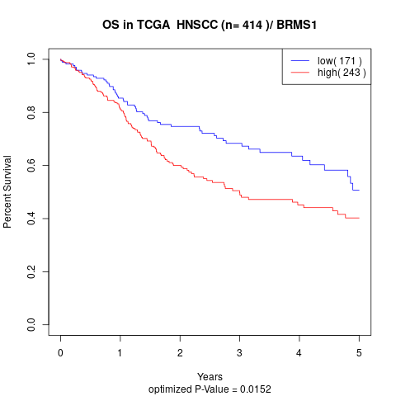

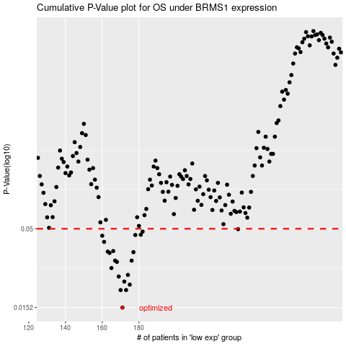

 |  |  |  |  |  | cases_OS | p_OS | rank | exp
 |  |  |  |  |  | 171 | 0.0152 | 247 | -0.29374141065
 |  |  |  |  |  | 170 | 0.0198 | 71 | -0.29681213073
 |  |  |  |  |  | 173 | 0.0198 | 74 | -0.28858385923
 |  |  |  |  |  | 175 | 0.0215 | 257 | -0.28531194302
 |  |  |  |  |  | 172 | 0.0225 | 408 | -0.28861135016
 |  |  |  |  |  | 169 | 0.0243 | 119 | -0.3014047133
 |  |  |  |  |  | 174 | 0.0249 | 103 | -0.28778364736
 |  |  |  |  |  | 165 | 0.0276 | 86 | -0.30828758212
 |  |  |  |  |  | 168 | 0.0303 | 34 | -0.30285071405
 |  |  |  |  |  | 167 | 0.0309 | 277 | -0.30321294421
 |  |  |  |  |  | 176 | 0.0309 | 278 | -0.28435301099
 |  |  |  |  |  | 164 | 0.0347 | 121 | -0.31348457944
 |  |  |  |  |  | 177 | 0.0351 | 284 | -0.27754616919
 |  |  |  |  |  | 163 | 0.0354 | 28 | -0.31666432666
 |  |  |  |  |  | 166 | 0.0357 | 292 | -0.30340317702
 |  |  |  |  |  | 161 | 0.041 | 217 | -0.31890475462
 |  |  |  |  |  | 160 | 0.045 | 331 | -0.32142675799
 |  |  |  |  |  | 178 | 0.0455 | 52 | -0.27572366944
 |  |  |  |  |  | 181 | 0.0457 | 212 | -0.263833375
 |  |  |  |  |  | 182 | 0.0479 | 1 | -0.26080259665
 |  |  |  |  |  | 234 | 0.0497 | 387 | -0.11567501527
 |  |  |  |  |  |  | cases_RFS | p_RFS | rank | exp
 |  |  |  |  |  |  | 170 | 0.0152 | 71 | -0.29681213073
 |  |  |  |  |  |  | 169 | 0.0198 | 119 | -0.3014047133
 |  |  |  |  |  |  | 172 | 0.0198 | 408 | -0.28861135016
 |  |  |  |  |  |  | 174 | 0.0215 | 103 | -0.28778364736
 |  |  |  |  |  |  | 171 | 0.0225 | 247 | -0.29374141065
 |  |  |  |  |  |  | 168 | 0.0243 | 34 | -0.30285071405
 |  |  |  |  |  |  | 173 | 0.0249 | 74 | -0.28858385923
 |  |  |  |  |  |  | 164 | 0.0276 | 121 | -0.31348457944
 |  |  |  |  |  |  | 167 | 0.0303 | 277 | -0.30321294421
 |  |  |  |  |  |  | 175 | 0.0309 | 257 | -0.28531194302
 |  |  |  |  |  |  | 166 | 0.0309 | 292 | -0.30340317702
 |  |  |  |  |  |  | 163 | 0.0347 | 28 | -0.31666432666
 |  |  |  |  |  |  | 176 | 0.0351 | 278 | -0.28435301099
 |  |  |  |  |  |  | 162 | 0.0354 | 177 | -0.31714191955
 |  |  |  |  |  |  | 165 | 0.0357 | 86 | -0.30828758212
 |  |  |  |  |  |  | 160 | 0.041 | 331 | -0.32142675799
 |  |  |  |  |  |  | 159 | 0.045 | 150 | -0.32878347343
 |  |  |  |  |  |  | 177 | 0.0455 | 284 | -0.27754616919
 |  |  |  |  |  |  | 180 | 0.0457 | 269 | -0.26887616971
 |  |  |  |  |  |  | 181 | 0.0479 | 212 | -0.263833375
 |  |  |  |  |  |  | 233 | 0.0497 | 122 | -0.11612935932

