BRPF1 _multivariate
Reported by Tex Li-Hsing Chi. tex@gate.sinica.edu.tw 2019-08-21

Table 2. The clinicopathological features of HNSCC cohort and BRPF1 expression. (Chi square test)
Cutoff at -0.196 (49.8%)
 |  | BRPF1 expression |  | BRPF1 expression |  | (Optimised)
 | Features | Low | (%) | High | (%) | Case no | P-value | Remark | Matthews
Gender | Female | 153 | 36.9 | 153 | 36.9 | 415 | 1 | 0 | 0
2 | Male | 54 | 13 | 55 | 13.3
Age at diagnosis | <=65y | 137 | 33 | 137 | 33 | 415 | 1 | 0 | 0
4 | >65y | 70 | 16.9 | 71 | 17.1
Clinical T Status | T1+T2 | 73 | 17.6 | 76 | 18.3 | 415 | 0.8666 | 0 | 0
6 | T3+T4 | 134 | 32.3 | 132 | 31.8
Clinical N Status | N0 | 111 | 26.7 | 105 | 25.3 | 415 | 0.5875 | 0 | 0
8 | N1-3 | 96 | 23.1 | 103 | 24.8
Clinical M Status | M0 | 205 | 49.4 | 207 | 49.9 | 415 | 0.6232 | 0 | 0
10 | M1 | 2 | 0.5 | 1 | 0.2
Clinical Stage | Stage I+II | 52 | 12.5 | 50 | 12 | 415 | 0.8871 | 0 | 0
12 | Stage III+IV | 155 | 37.3 | 158 | 38.1
Surgical Margin status | Negative | 163 | 39.3 | 155 | 37.3 | 415 | 0.3537 | 0 | 0
14 | Positive | 44 | 10.6 | 53 | 12.8
Tobacco Exposure | Low | 75 | 18.1 | 86 | 20.7 | 415 | 0.3141 | 0 | 0
16 | High | 132 | 31.8 | 122 | 29.4

Table 3. Univariate/Multivariate Cox's proportional hazards regression analyses on OS time of BRPF1 gene expression in HNSCC

 |  | Univariate |  |  |  | Multivariate
 | Features | HR | CI95%(L) | CI95%(H) | P-value | HR | CI95%(L) | CI95%(H) | P-value
1 | Female | 1 |  |  |  | 1
Gender | Male | 1.157 | 0.843 | 1.587 | 0.367 | 1.203 | 0.861 | 1.681 | 0.278
11 | <=65y | 1 |  |  |  | 1
Age at diagnosis | >65y | 1.329 | 0.99 | 1.784 | 0.058 | 1.391 | 1.023 | 1.891 | 0.035
12 | T1+T2 | 1 |  |  |  | 1
Clinical T Status | T3+T4 | 1.409 | 1.028 | 1.931 | 0.033 | 2.23 | 1.177 | 4.223 | 0.014
13 | N0 | 1 |  |  |  | 1
Clinical N Status | N1-3 | 1.185 | 0.89 | 1.577 | 0.246 | 1.247 | 0.874 | 1.781 | 0.224
14 | M0 | 1 |  |  |  | 1
Clinical M Status | M1 | 4.097 | 1.009 | 16.644 | 0.049 | 9.775 | 2.122 | 45.025 | 0.003
15 | Stage I+II | 1 |  |  |  | 1
Clinical Stage | Stage III+IV | 1.245 | 0.882 | 1.759 | 0.213 | 0.496 | 0.231 | 1.067 | 0.073
16 | Negative | 1 |  |  |  | 1
Surgical Margin status | Positive | 1.591 | 1.155 | 2.191 | 0.004 | 1.684 | 1.217 | 2.329 | 0.002
17 | Low | 1 |  |  |  | 1
Tobacco Exposure | High | 1.364 | 1.008 | 1.844 | 0.044 | 1.458 | 1.058 | 2.01 | 0.021
18 | Low | 1 |  |  |  | 1
RNAseq(z-score) | High | 1.027 | 0.771 | 1.368 | 0.855 | 1.099 | 0.822 | 1.468 | 0.524

Table 4. Univariate/Multivariate Cox's proportional hazards regression analyses on RFS time of BRPF1 gene expression in HNSCC

 |  | Univariate |  |  |  | Multivariate
 | Features | HR | CI95%(L) | CI95%(H) | P-value | HR | CI95%(L) | CI95%(H) | P-value
1 | Female | 1 |  |  |  | 1
Gender | Male | 1.157 | 0.843 | 1.587 | 0.367 | 1.203 | 0.861 | 1.681 | 0.278
11 | <=65y | 1 |  |  |  | 1
Age at diagnosis | >65y | 1.329 | 0.99 | 1.784 | 0.058 | 1.391 | 1.023 | 1.891 | 0.035
12 | T1+T2 | 1 |  |  |  | 1
Clinical T Status | T3+T4 | 1.409 | 1.028 | 1.931 | 0.033 | 2.23 | 1.177 | 4.223 | 0.014
13 | N0 | 1 |  |  |  | 1
Clinical N Status | N1-3 | 1.185 | 0.89 | 1.577 | 0.246 | 1.247 | 0.874 | 1.781 | 0.224
14 | M0 | 1 |  |  |  | 1
Clinical M Status | M1 | 4.097 | 1.009 | 16.644 | 0.049 | 9.775 | 2.122 | 45.025 | 0.003
15 | Stage I+II | 1 |  |  |  | 1
Clinical Stage | Stage III+IV | 1.245 | 0.882 | 1.759 | 0.213 | 0.496 | 0.231 | 1.067 | 0.073
16 | Negative | 1 |  |  |  | 1
Surgical Margin status | Positive | 1.591 | 1.155 | 2.191 | 0.004 | 1.684 | 1.217 | 2.329 | 0.002
17 | Low | 1 |  |  |  | 1
Tobacco Exposure | High | 1.364 | 1.008 | 1.844 | 0.044 | 1.458 | 1.058 | 2.01 | 0.021
18 | Low | 1 |  |  |  | 1
RNAseq(z-score) | High | 1.027 | 0.771 | 1.368 | 0.855 | 1.099 | 0.822 | 1.468 | 0.524

Kaplan-Meier survival estimate: Cutoff at -0.196 (49.8%)



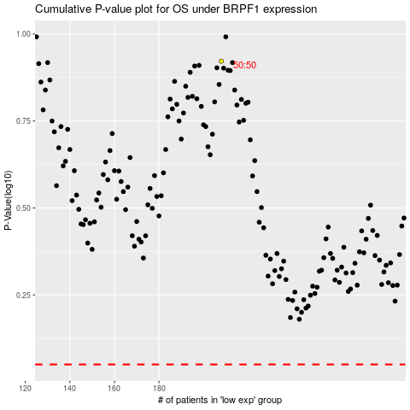

 |  |  |  |  |  | cases_OS | p_OS | rank | exp
 |  |  |  |  |  |  | cases_RFS | p_RFS | rank | exp

