BRPF3 _multivariate
Reported by Tex Li-Hsing Chi. tex@gate.sinica.edu.tw 2019-08-21

Table 2. The clinicopathological features of HNSCC cohort and BRPF3 expression. (Chi square test)
Cutoff at -0.203 (49.8%)
 |  | BRPF3 expression |  | BRPF3 expression |  | (Optimised)
 | Features | Low | (%) | High | (%) | Case no | P-value | Remark | Matthews
Gender | Female | 145 | 34.9 | 161 | 38.8 | 415 | 0.1116 | 0 | 0
2 | Male | 62 | 14.9 | 47 | 11.3
Age at diagnosis | <=65y | 136 | 32.8 | 138 | 33.3 | 415 | 0.9719 | 0 | 0
4 | >65y | 71 | 17.1 | 70 | 16.9
Clinical T Status | T1+T2 | 67 | 16.1 | 82 | 19.8 | 415 | 0.1628 | 0 | 0
6 | T3+T4 | 140 | 33.7 | 126 | 30.4
Clinical N Status | N0 | 98 | 23.6 | 118 | 28.4 | 415 | 0.0694 | 0 | 0
8 | N1-3 | 109 | 26.3 | 90 | 21.7
Clinical M Status | M0 | 204 | 49.2 | 208 | 50.1 | 415 | 0.1232 | 0 | 0
10 | M1 | 3 | 0.7 | 0 | 0
Clinical Stage | Stage I+II | 47 | 11.3 | 55 | 13.3 | 415 | 0.4413 | 0 | 0
12 | Stage III+IV | 160 | 38.6 | 153 | 36.9
Surgical Margin status | Negative | 163 | 39.3 | 155 | 37.3 | 415 | 0.3537 | 0 | 0
14 | Positive | 44 | 10.6 | 53 | 12.8
Tobacco Exposure | Low | 77 | 18.6 | 84 | 20.2 | 415 | 0.5459 | 0 | 0
16 | High | 130 | 31.3 | 124 | 29.9

Table 3. Univariate/Multivariate Cox's proportional hazards regression analyses on OS time of BRPF3 gene expression in HNSCC

 |  | Univariate |  |  |  | Multivariate
 | Features | HR | CI95%(L) | CI95%(H) | P-value | HR | CI95%(L) | CI95%(H) | P-value
1 | Female | 1 |  |  |  | 1
Gender | Male | 1.157 | 0.843 | 1.587 | 0.367 | 1.203 | 0.858 | 1.688 | 0.283
11 | <=65y | 1 |  |  |  | 1
Age at diagnosis | >65y | 1.329 | 0.99 | 1.784 | 0.058 | 1.391 | 1.023 | 1.892 | 0.035
12 | T1+T2 | 1 |  |  |  | 1
Clinical T Status | T3+T4 | 1.409 | 1.028 | 1.931 | 0.033 | 2.207 | 1.162 | 4.192 | 0.016
13 | N0 | 1 |  |  |  | 1
Clinical N Status | N1-3 | 1.185 | 0.89 | 1.577 | 0.246 | 1.243 | 0.868 | 1.78 | 0.236
14 | M0 | 1 |  |  |  | 1
Clinical M Status | M1 | 4.097 | 1.009 | 16.644 | 0.049 | 9.466 | 2.034 | 44.044 | 0.004
15 | Stage I+II | 1 |  |  |  | 1
Clinical Stage | Stage III+IV | 1.245 | 0.882 | 1.759 | 0.213 | 0.503 | 0.233 | 1.086 | 0.08
16 | Negative | 1 |  |  |  | 1
Surgical Margin status | Positive | 1.591 | 1.155 | 2.191 | 0.004 | 1.672 | 1.21 | 2.31 | 0.002
17 | Low | 1 |  |  |  | 1
Tobacco Exposure | High | 1.364 | 1.008 | 1.844 | 0.044 | 1.455 | 1.053 | 2.011 | 0.023
18 | Low | 1 |  |  |  | 1
RNAseq(z-score) | High | 0.901 | 0.676 | 1.201 | 0.477 | 1.009 | 0.747 | 1.363 | 0.954

Table 4. Univariate/Multivariate Cox's proportional hazards regression analyses on RFS time of BRPF3 gene expression in HNSCC

 |  | Univariate |  |  |  | Multivariate
 | Features | HR | CI95%(L) | CI95%(H) | P-value | HR | CI95%(L) | CI95%(H) | P-value
1 | Female | 1 |  |  |  | 1
Gender | Male | 1.157 | 0.843 | 1.587 | 0.367 | 1.203 | 0.858 | 1.688 | 0.283
11 | <=65y | 1 |  |  |  | 1
Age at diagnosis | >65y | 1.329 | 0.99 | 1.784 | 0.058 | 1.391 | 1.023 | 1.892 | 0.035
12 | T1+T2 | 1 |  |  |  | 1
Clinical T Status | T3+T4 | 1.409 | 1.028 | 1.931 | 0.033 | 2.207 | 1.162 | 4.192 | 0.016
13 | N0 | 1 |  |  |  | 1
Clinical N Status | N1-3 | 1.185 | 0.89 | 1.577 | 0.246 | 1.243 | 0.868 | 1.78 | 0.236
14 | M0 | 1 |  |  |  | 1
Clinical M Status | M1 | 4.097 | 1.009 | 16.644 | 0.049 | 9.466 | 2.034 | 44.044 | 0.004
15 | Stage I+II | 1 |  |  |  | 1
Clinical Stage | Stage III+IV | 1.245 | 0.882 | 1.759 | 0.213 | 0.503 | 0.233 | 1.086 | 0.08
16 | Negative | 1 |  |  |  | 1
Surgical Margin status | Positive | 1.591 | 1.155 | 2.191 | 0.004 | 1.672 | 1.21 | 2.31 | 0.002
17 | Low | 1 |  |  |  | 1
Tobacco Exposure | High | 1.364 | 1.008 | 1.844 | 0.044 | 1.455 | 1.053 | 2.011 | 0.023
18 | Low | 1 |  |  |  | 1
RNAseq(z-score) | High | 0.901 | 0.676 | 1.201 | 0.477 | 1.009 | 0.747 | 1.363 | 0.954

Kaplan-Meier survival estimate: Cutoff at -0.203 (49.8%)



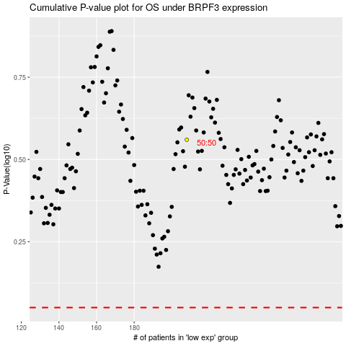

 |  |  |  |  |  | cases_OS | p_OS | rank | exp
 |  |  |  |  |  |  | cases_RFS | p_RFS | rank | exp

