BRSK2 _multivariate
Reported by Tex Li-Hsing Chi. tex@gate.sinica.edu.tw 2019-08-21

Table 2. The clinicopathological features of HNSCC cohort and BRSK2 expression. (Chi square test)
Cutoff at -0.295 (50.0%)
 |  | BRSK2 expression |  | BRSK2 expression |  | (Optimised)
 | Features | Low | (%) | High | (%) | Case no | P-value | Remark | Matthews
Gender | Female | 138 | 33.3 | 168 | 40.5 | 415 | 9e-04 | 1 | 0
2 | Male | 70 | 16.9 | 39 | 9.4
Age at diagnosis | <=65y | 131 | 31.6 | 143 | 34.5 | 415 | 0.2269 | 0 | 0
4 | >65y | 77 | 18.6 | 64 | 15.4
Clinical T Status | T1+T2 | 79 | 19 | 70 | 16.9 | 415 | 0.4343 | 0 | 0
6 | T3+T4 | 129 | 31.1 | 137 | 33
Clinical N Status | N0 | 105 | 25.3 | 111 | 26.7 | 415 | 0.5875 | 0 | 0
8 | N1-3 | 103 | 24.8 | 96 | 23.1
Clinical M Status | M0 | 206 | 49.6 | 206 | 49.6 | 415 | 1 | 0 | 0
10 | M1 | 2 | 0.5 | 1 | 0.2
Clinical Stage | Stage I+II | 54 | 13 | 48 | 11.6 | 415 | 0.5878 | 0 | 0
12 | Stage III+IV | 154 | 37.1 | 159 | 38.3
Surgical Margin status | Negative | 152 | 36.6 | 166 | 40 | 415 | 0.1042 | 0 | 0
14 | Positive | 56 | 13.5 | 41 | 9.9
Tobacco Exposure | Low | 95 | 22.9 | 66 | 15.9 | 415 | 0.0048 | 1 | 0
16 | High | 113 | 27.2 | 141 | 34

Table 3. Univariate/Multivariate Cox's proportional hazards regression analyses on OS time of BRSK2 gene expression in HNSCC

 |  | Univariate |  |  |  | Multivariate
 | Features | HR | CI95%(L) | CI95%(H) | P-value | HR | CI95%(L) | CI95%(H) | P-value
1 | Female | 1 |  |  |  | 1
Gender | Male | 1.157 | 0.843 | 1.587 | 0.367 | 1.158 | 0.828 | 1.619 | 0.392
11 | <=65y | 1 |  |  |  | 1
Age at diagnosis | >65y | 1.329 | 0.99 | 1.784 | 0.058 | 1.384 | 1.019 | 1.879 | 0.037
12 | T1+T2 | 1 |  |  |  | 1
Clinical T Status | T3+T4 | 1.409 | 1.028 | 1.931 | 0.033 | 2.192 | 1.159 | 4.145 | 0.016
13 | N0 | 1 |  |  |  | 1
Clinical N Status | N1-3 | 1.185 | 0.89 | 1.577 | 0.246 | 1.229 | 0.862 | 1.751 | 0.254
14 | M0 | 1 |  |  |  | 1
Clinical M Status | M1 | 4.097 | 1.009 | 16.644 | 0.049 | 8.916 | 1.943 | 40.911 | 0.005
15 | Stage I+II | 1 |  |  |  | 1
Clinical Stage | Stage III+IV | 1.245 | 0.882 | 1.759 | 0.213 | 0.525 | 0.244 | 1.126 | 0.098
16 | Negative | 1 |  |  |  | 1
Surgical Margin status | Positive | 1.591 | 1.155 | 2.191 | 0.004 | 1.604 | 1.158 | 2.22 | 0.004
17 | Low | 1 |  |  |  | 1
Tobacco Exposure | High | 1.364 | 1.008 | 1.844 | 0.044 | 1.539 | 1.111 | 2.132 | 0.01
18 | Low | 1 |  |  |  | 1
RNAseq(z-score) | High | 0.745 | 0.557 | 0.995 | 0.047 | 0.736 | 0.544 | 0.997 | 0.048

Table 4. Univariate/Multivariate Cox's proportional hazards regression analyses on RFS time of BRSK2 gene expression in HNSCC

 |  | Univariate |  |  |  | Multivariate
 | Features | HR | CI95%(L) | CI95%(H) | P-value | HR | CI95%(L) | CI95%(H) | P-value
1 | Female | 1 |  |  |  | 1
Gender | Male | 1.157 | 0.843 | 1.587 | 0.367 | 1.158 | 0.828 | 1.619 | 0.392
11 | <=65y | 1 |  |  |  | 1
Age at diagnosis | >65y | 1.329 | 0.99 | 1.784 | 0.058 | 1.384 | 1.019 | 1.879 | 0.037
12 | T1+T2 | 1 |  |  |  | 1
Clinical T Status | T3+T4 | 1.409 | 1.028 | 1.931 | 0.033 | 2.192 | 1.159 | 4.145 | 0.016
13 | N0 | 1 |  |  |  | 1
Clinical N Status | N1-3 | 1.185 | 0.89 | 1.577 | 0.246 | 1.229 | 0.862 | 1.751 | 0.254
14 | M0 | 1 |  |  |  | 1
Clinical M Status | M1 | 4.097 | 1.009 | 16.644 | 0.049 | 8.916 | 1.943 | 40.911 | 0.005
15 | Stage I+II | 1 |  |  |  | 1
Clinical Stage | Stage III+IV | 1.245 | 0.882 | 1.759 | 0.213 | 0.525 | 0.244 | 1.126 | 0.098
16 | Negative | 1 |  |  |  | 1
Surgical Margin status | Positive | 1.591 | 1.155 | 2.191 | 0.004 | 1.604 | 1.158 | 2.22 | 0.004
17 | Low | 1 |  |  |  | 1
Tobacco Exposure | High | 1.364 | 1.008 | 1.844 | 0.044 | 1.539 | 1.111 | 2.132 | 0.01
18 | Low | 1 |  |  |  | 1
RNAseq(z-score) | High | 0.745 | 0.557 | 0.995 | 0.047 | 0.736 | 0.544 | 0.997 | 0.048

Kaplan-Meier survival estimate: Cutoff at -0.295 (50.0%)



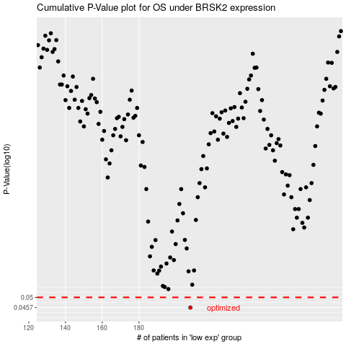

 |  |  |  |  |  | cases_OS | p_OS | rank | exp
 |  |  |  |  |  | 208 | 0.0457 | 365 | -0.2948068655
 |  |  |  |  |  |  | cases_RFS | p_RFS | rank | exp
 |  |  |  |  |  |  | 207 | 0.0457 | 224 | -0.29497623813

