BRWD1 _multivariate
Reported by Tex Li-Hsing Chi. tex@gate.sinica.edu.tw 2019-08-21

Table 2. The clinicopathological features of HNSCC cohort and BRWD1 expression. (Chi square test)
Cutoff at 0.184 (65.2%)
 |  | BRWD1 expression |  | BRWD1 expression |  | (Optimised)
 | Features | Low | (%) | High | (%) | Case no | P-value | Remark | Matthews
Gender | Female | 196 | 47.2 | 110 | 26.5 | 415 | 0.5454 | 0 | 0
2 | Male | 74 | 17.8 | 35 | 8.4
Age at diagnosis | <=65y | 167 | 40.2 | 107 | 25.8 | 415 | 0.0193 | 1 | 0
4 | >65y | 103 | 24.8 | 38 | 9.2
Clinical T Status | T1+T2 | 95 | 22.9 | 54 | 13 | 415 | 0.7573 | 0 | 0
6 | T3+T4 | 175 | 42.2 | 91 | 21.9
Clinical N Status | N0 | 137 | 33 | 79 | 19 | 415 | 0.5323 | 0 | 0
8 | N1-3 | 133 | 32 | 66 | 15.9
Clinical M Status | M0 | 267 | 64.3 | 145 | 34.9 | 415 | 0.5547 | 0 | 0
10 | M1 | 3 | 0.7 | 0 | 0
Clinical Stage | Stage I+II | 66 | 15.9 | 36 | 8.7 | 415 | 1 | 0 | 0
12 | Stage III+IV | 204 | 49.2 | 109 | 26.3
Surgical Margin status | Negative | 207 | 49.9 | 111 | 26.7 | 415 | 1 | 0 | 0
14 | Positive | 63 | 15.2 | 34 | 8.2
Tobacco Exposure | Low | 108 | 26 | 53 | 12.8 | 415 | 0.5269 | 0 | 0
16 | High | 162 | 39 | 92 | 22.2

Table 3. Univariate/Multivariate Cox's proportional hazards regression analyses on OS time of BRWD1 gene expression in HNSCC

 |  | Univariate |  |  |  | Multivariate
 | Features | HR | CI95%(L) | CI95%(H) | P-value | HR | CI95%(L) | CI95%(H) | P-value
1 | Female | 1 |  |  |  | 1
Gender | Male | 1.157 | 0.843 | 1.587 | 0.367 | 1.195 | 0.855 | 1.67 | 0.298
11 | <=65y | 1 |  |  |  | 1
Age at diagnosis | >65y | 1.329 | 0.99 | 1.784 | 0.058 | 1.354 | 0.996 | 1.842 | 0.053
12 | T1+T2 | 1 |  |  |  | 1
Clinical T Status | T3+T4 | 1.409 | 1.028 | 1.931 | 0.033 | 2.181 | 1.154 | 4.123 | 0.016
13 | N0 | 1 |  |  |  | 1
Clinical N Status | N1-3 | 1.185 | 0.89 | 1.577 | 0.246 | 1.228 | 0.86 | 1.753 | 0.259
14 | M0 | 1 |  |  |  | 1
Clinical M Status | M1 | 4.097 | 1.009 | 16.644 | 0.049 | 8.473 | 1.841 | 38.995 | 0.006
15 | Stage I+II | 1 |  |  |  | 1
Clinical Stage | Stage III+IV | 1.245 | 0.882 | 1.759 | 0.213 | 0.525 | 0.244 | 1.129 | 0.099
16 | Negative | 1 |  |  |  | 1
Surgical Margin status | Positive | 1.591 | 1.155 | 2.191 | 0.004 | 1.661 | 1.203 | 2.295 | 0.002
17 | Low | 1 |  |  |  | 1
Tobacco Exposure | High | 1.364 | 1.008 | 1.844 | 0.044 | 1.456 | 1.057 | 2.006 | 0.021
18 | Low | 1 |  |  |  | 1
RNAseq(z-score) | High | 0.729 | 0.533 | 0.999 | 0.049 | 0.757 | 0.551 | 1.041 | 0.087

Table 4. Univariate/Multivariate Cox's proportional hazards regression analyses on RFS time of BRWD1 gene expression in HNSCC

 |  | Univariate |  |  |  | Multivariate
 | Features | HR | CI95%(L) | CI95%(H) | P-value | HR | CI95%(L) | CI95%(H) | P-value
1 | Female | 1 |  |  |  | 1
Gender | Male | 1.157 | 0.843 | 1.587 | 0.367 | 1.195 | 0.855 | 1.67 | 0.298
11 | <=65y | 1 |  |  |  | 1
Age at diagnosis | >65y | 1.329 | 0.99 | 1.784 | 0.058 | 1.354 | 0.996 | 1.842 | 0.053
12 | T1+T2 | 1 |  |  |  | 1
Clinical T Status | T3+T4 | 1.409 | 1.028 | 1.931 | 0.033 | 2.181 | 1.154 | 4.123 | 0.016
13 | N0 | 1 |  |  |  | 1
Clinical N Status | N1-3 | 1.185 | 0.89 | 1.577 | 0.246 | 1.228 | 0.86 | 1.753 | 0.259
14 | M0 | 1 |  |  |  | 1
Clinical M Status | M1 | 4.097 | 1.009 | 16.644 | 0.049 | 8.473 | 1.841 | 38.995 | 0.006
15 | Stage I+II | 1 |  |  |  | 1
Clinical Stage | Stage III+IV | 1.245 | 0.882 | 1.759 | 0.213 | 0.525 | 0.244 | 1.129 | 0.099
16 | Negative | 1 |  |  |  | 1
Surgical Margin status | Positive | 1.591 | 1.155 | 2.191 | 0.004 | 1.661 | 1.203 | 2.295 | 0.002
17 | Low | 1 |  |  |  | 1
Tobacco Exposure | High | 1.364 | 1.008 | 1.844 | 0.044 | 1.456 | 1.057 | 2.006 | 0.021
18 | Low | 1 |  |  |  | 1
RNAseq(z-score) | High | 0.729 | 0.533 | 0.999 | 0.049 | 0.757 | 0.551 | 1.041 | 0.087

Kaplan-Meier survival estimate: Cutoff at 0.184 (65.2%)



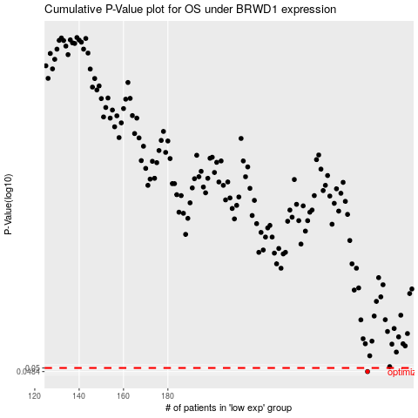

 |  |  |  |  |  | cases_OS | p_OS | rank | exp
 |  |  |  |  |  | 270 | 0.0484 | 156 | 0.18419613163
 |  |  |  |  |  |  | cases_RFS | p_RFS | rank | exp
 |  |  |  |  |  |  | 269 | 0.0484 | 373 | 0.18050365297

