BSN _multivariate
Reported by Tex Li-Hsing Chi. tex@gate.sinica.edu.tw 2019-08-21

Table 2. The clinicopathological features of HNSCC cohort and BSN expression. (Chi square test)
Cutoff at -0.202 (49.8%)
 |  | BSN expression |  | BSN expression |  | (Optimised)
 | Features | Low | (%) | High | (%) | Case no | P-value | Remark | Matthews
Gender | Female | 150 | 36.1 | 156 | 37.6 | 415 | 0.6344 | 0 | 0
2 | Male | 57 | 13.7 | 52 | 12.5
Age at diagnosis | <=65y | 137 | 33 | 137 | 33 | 415 | 1 | 0 | 0
4 | >65y | 70 | 16.9 | 71 | 17.1
Clinical T Status | T1+T2 | 59 | 14.2 | 90 | 21.7 | 415 | 0.0024 | 1 | 0
6 | T3+T4 | 148 | 35.7 | 118 | 28.4
Clinical N Status | N0 | 100 | 24.1 | 116 | 28 | 415 | 0.1548 | 0 | 0
8 | N1-3 | 107 | 25.8 | 92 | 22.2
Clinical M Status | M0 | 205 | 49.4 | 207 | 49.9 | 415 | 0.6232 | 0 | 0
10 | M1 | 2 | 0.5 | 1 | 0.2
Clinical Stage | Stage I+II | 39 | 9.4 | 63 | 15.2 | 415 | 0.0095 | 1 | 0
12 | Stage III+IV | 168 | 40.5 | 145 | 34.9
Surgical Margin status | Negative | 159 | 38.3 | 159 | 38.3 | 415 | 1 | 0 | 0
14 | Positive | 48 | 11.6 | 49 | 11.8
Tobacco Exposure | Low | 85 | 20.5 | 76 | 18.3 | 415 | 0.3655 | 0 | 0
16 | High | 122 | 29.4 | 132 | 31.8

Table 3. Univariate/Multivariate Cox's proportional hazards regression analyses on OS time of BSN gene expression in HNSCC

 |  | Univariate |  |  |  | Multivariate
 | Features | HR | CI95%(L) | CI95%(H) | P-value | HR | CI95%(L) | CI95%(H) | P-value
1 | Female | 1 |  |  |  | 1
Gender | Male | 1.157 | 0.843 | 1.587 | 0.367 | 1.195 | 0.855 | 1.671 | 0.297
11 | <=65y | 1 |  |  |  | 1
Age at diagnosis | >65y | 1.329 | 0.99 | 1.784 | 0.058 | 1.4 | 1.029 | 1.904 | 0.032
12 | T1+T2 | 1 |  |  |  | 1
Clinical T Status | T3+T4 | 1.409 | 1.028 | 1.931 | 0.033 | 2.189 | 1.158 | 4.141 | 0.016
13 | N0 | 1 |  |  |  | 1
Clinical N Status | N1-3 | 1.185 | 0.89 | 1.577 | 0.246 | 1.249 | 0.875 | 1.783 | 0.22
14 | M0 | 1 |  |  |  | 1
Clinical M Status | M1 | 4.097 | 1.009 | 16.644 | 0.049 | 9.261 | 2.019 | 42.485 | 0.004
15 | Stage I+II | 1 |  |  |  | 1
Clinical Stage | Stage III+IV | 1.245 | 0.882 | 1.759 | 0.213 | 0.5 | 0.233 | 1.074 | 0.076
16 | Negative | 1 |  |  |  | 1
Surgical Margin status | Positive | 1.591 | 1.155 | 2.191 | 0.004 | 1.67 | 1.209 | 2.307 | 0.002
17 | Low | 1 |  |  |  | 1
Tobacco Exposure | High | 1.364 | 1.008 | 1.844 | 0.044 | 1.46 | 1.059 | 2.014 | 0.021
18 | Low | 1 |  |  |  | 1
RNAseq(z-score) | High | 0.905 | 0.679 | 1.205 | 0.493 | 0.917 | 0.685 | 1.227 | 0.559

Table 4. Univariate/Multivariate Cox's proportional hazards regression analyses on RFS time of BSN gene expression in HNSCC

 |  | Univariate |  |  |  | Multivariate
 | Features | HR | CI95%(L) | CI95%(H) | P-value | HR | CI95%(L) | CI95%(H) | P-value
1 | Female | 1 |  |  |  | 1
Gender | Male | 1.157 | 0.843 | 1.587 | 0.367 | 1.195 | 0.855 | 1.671 | 0.297
11 | <=65y | 1 |  |  |  | 1
Age at diagnosis | >65y | 1.329 | 0.99 | 1.784 | 0.058 | 1.4 | 1.029 | 1.904 | 0.032
12 | T1+T2 | 1 |  |  |  | 1
Clinical T Status | T3+T4 | 1.409 | 1.028 | 1.931 | 0.033 | 2.189 | 1.158 | 4.141 | 0.016
13 | N0 | 1 |  |  |  | 1
Clinical N Status | N1-3 | 1.185 | 0.89 | 1.577 | 0.246 | 1.249 | 0.875 | 1.783 | 0.22
14 | M0 | 1 |  |  |  | 1
Clinical M Status | M1 | 4.097 | 1.009 | 16.644 | 0.049 | 9.261 | 2.019 | 42.485 | 0.004
15 | Stage I+II | 1 |  |  |  | 1
Clinical Stage | Stage III+IV | 1.245 | 0.882 | 1.759 | 0.213 | 0.5 | 0.233 | 1.074 | 0.076
16 | Negative | 1 |  |  |  | 1
Surgical Margin status | Positive | 1.591 | 1.155 | 2.191 | 0.004 | 1.67 | 1.209 | 2.307 | 0.002
17 | Low | 1 |  |  |  | 1
Tobacco Exposure | High | 1.364 | 1.008 | 1.844 | 0.044 | 1.46 | 1.059 | 2.014 | 0.021
18 | Low | 1 |  |  |  | 1
RNAseq(z-score) | High | 0.905 | 0.679 | 1.205 | 0.493 | 0.917 | 0.685 | 1.227 | 0.559

Kaplan-Meier survival estimate: Cutoff at -0.202 (49.8%)



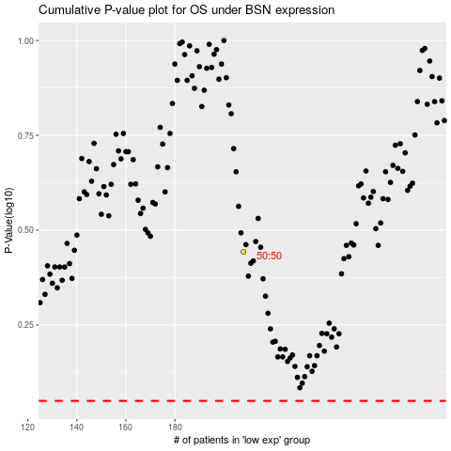

 |  |  |  |  |  | cases_OS | p_OS | rank | exp
 |  |  |  |  |  |  | cases_RFS | p_RFS | rank | exp

