BST1 _multivariate
Reported by Tex Li-Hsing Chi. tex@gate.sinica.edu.tw 2019-08-21

Table 2. The clinicopathological features of HNSCC cohort and BST1 expression. (Chi square test)
Cutoff at -0.26 (49.8%)
 |  | BST1 expression |  | BST1 expression |  | (Optimised)
 | Features | Low | (%) | High | (%) | Case no | P-value | Remark | Matthews
Gender | Female | 156 | 37.6 | 150 | 36.1 | 415 | 0.5222 | 0 | 0
2 | Male | 51 | 12.3 | 58 | 14
Age at diagnosis | <=65y | 139 | 33.5 | 135 | 32.5 | 415 | 0.7044 | 0 | 0
4 | >65y | 68 | 16.4 | 73 | 17.6
Clinical T Status | T1+T2 | 78 | 18.8 | 71 | 17.1 | 415 | 0.5152 | 0 | 0
6 | T3+T4 | 129 | 31.1 | 137 | 33
Clinical N Status | N0 | 115 | 27.7 | 101 | 24.3 | 415 | 0.184 | 1 | 0
8 | N1-3 | 92 | 22.2 | 107 | 25.8
Clinical M Status | M0 | 205 | 49.4 | 207 | 49.9 | 415 | 0.6232 | 0 | 0
10 | M1 | 2 | 0.5 | 1 | 0.2
Clinical Stage | Stage I+II | 55 | 13.3 | 47 | 11.3 | 415 | 0.4087 | 0 | 0
12 | Stage III+IV | 152 | 36.6 | 161 | 38.8
Surgical Margin status | Negative | 156 | 37.6 | 162 | 39 | 415 | 0.5636 | 0 | 0
14 | Positive | 51 | 12.3 | 46 | 11.1
Tobacco Exposure | Low | 77 | 18.6 | 84 | 20.2 | 415 | 0.5459 | 0 | 0
16 | High | 130 | 31.3 | 124 | 29.9

Table 3. Univariate/Multivariate Cox's proportional hazards regression analyses on OS time of BST1 gene expression in HNSCC

 |  | Univariate |  |  |  | Multivariate
 | Features | HR | CI95%(L) | CI95%(H) | P-value | HR | CI95%(L) | CI95%(H) | P-value
1 | Female | 1 |  |  |  | 1
Gender | Male | 1.157 | 0.843 | 1.587 | 0.367 | 1.199 | 0.859 | 1.674 | 0.285
11 | <=65y | 1 |  |  |  | 1
Age at diagnosis | >65y | 1.329 | 0.99 | 1.784 | 0.058 | 1.401 | 1.03 | 1.907 | 0.032
12 | T1+T2 | 1 |  |  |  | 1
Clinical T Status | T3+T4 | 1.409 | 1.028 | 1.931 | 0.033 | 2.193 | 1.16 | 4.146 | 0.016
13 | N0 | 1 |  |  |  | 1
Clinical N Status | N1-3 | 1.185 | 0.89 | 1.577 | 0.246 | 1.24 | 0.869 | 1.769 | 0.235
14 | M0 | 1 |  |  |  | 1
Clinical M Status | M1 | 4.097 | 1.009 | 16.644 | 0.049 | 9.492 | 2.071 | 43.516 | 0.004
15 | Stage I+II | 1 |  |  |  | 1
Clinical Stage | Stage III+IV | 1.245 | 0.882 | 1.759 | 0.213 | 0.502 | 0.234 | 1.078 | 0.077
16 | Negative | 1 |  |  |  | 1
Surgical Margin status | Positive | 1.591 | 1.155 | 2.191 | 0.004 | 1.673 | 1.211 | 2.311 | 0.002
17 | Low | 1 |  |  |  | 1
Tobacco Exposure | High | 1.364 | 1.008 | 1.844 | 0.044 | 1.463 | 1.062 | 2.015 | 0.02
18 | Low | 1 |  |  |  | 1
RNAseq(z-score) | High | 1.119 | 0.84 | 1.49 | 0.443 | 1.128 | 0.846 | 1.504 | 0.414

Table 4. Univariate/Multivariate Cox's proportional hazards regression analyses on RFS time of BST1 gene expression in HNSCC

 |  | Univariate |  |  |  | Multivariate
 | Features | HR | CI95%(L) | CI95%(H) | P-value | HR | CI95%(L) | CI95%(H) | P-value
1 | Female | 1 |  |  |  | 1
Gender | Male | 1.157 | 0.843 | 1.587 | 0.367 | 1.199 | 0.859 | 1.674 | 0.285
11 | <=65y | 1 |  |  |  | 1
Age at diagnosis | >65y | 1.329 | 0.99 | 1.784 | 0.058 | 1.401 | 1.03 | 1.907 | 0.032
12 | T1+T2 | 1 |  |  |  | 1
Clinical T Status | T3+T4 | 1.409 | 1.028 | 1.931 | 0.033 | 2.193 | 1.16 | 4.146 | 0.016
13 | N0 | 1 |  |  |  | 1
Clinical N Status | N1-3 | 1.185 | 0.89 | 1.577 | 0.246 | 1.24 | 0.869 | 1.769 | 0.235
14 | M0 | 1 |  |  |  | 1
Clinical M Status | M1 | 4.097 | 1.009 | 16.644 | 0.049 | 9.492 | 2.071 | 43.516 | 0.004
15 | Stage I+II | 1 |  |  |  | 1
Clinical Stage | Stage III+IV | 1.245 | 0.882 | 1.759 | 0.213 | 0.502 | 0.234 | 1.078 | 0.077
16 | Negative | 1 |  |  |  | 1
Surgical Margin status | Positive | 1.591 | 1.155 | 2.191 | 0.004 | 1.673 | 1.211 | 2.311 | 0.002
17 | Low | 1 |  |  |  | 1
Tobacco Exposure | High | 1.364 | 1.008 | 1.844 | 0.044 | 1.463 | 1.062 | 2.015 | 0.02
18 | Low | 1 |  |  |  | 1
RNAseq(z-score) | High | 1.119 | 0.84 | 1.49 | 0.443 | 1.128 | 0.846 | 1.504 | 0.414

Kaplan-Meier survival estimate: Cutoff at -0.26 (49.8%)

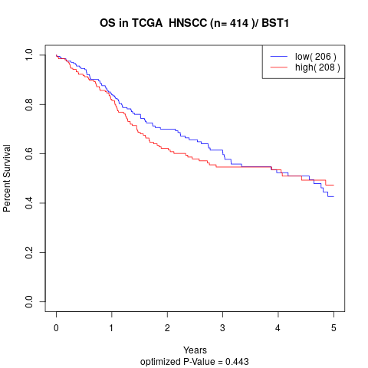

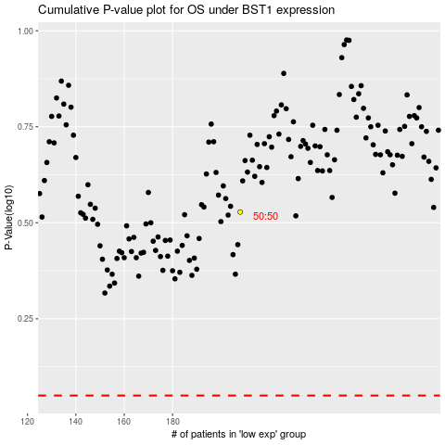

 |  |  |  |  |  | cases_OS | p_OS | rank | exp
 |  |  |  |  |  |  | cases_RFS | p_RFS | rank | exp

