BST2 _multivariate
Reported by Tex Li-Hsing Chi. tex@gate.sinica.edu.tw 2019-08-21

Table 2. The clinicopathological features of HNSCC cohort and BST2 expression. (Chi square test)
Cutoff at -0.211 (50.0%)
 |  | BST2 expression |  | BST2 expression |  | (Optimised)
 | Features | Low | (%) | High | (%) | Case no | P-value | Remark | Matthews
Gender | Female | 164 | 39.5 | 142 | 34.2 | 415 | 0.0153 | 1 | 0
2 | Male | 43 | 10.4 | 66 | 15.9
Age at diagnosis | <=65y | 142 | 34.2 | 132 | 31.8 | 415 | 0.3167 | 0 | 0
4 | >65y | 65 | 15.7 | 76 | 18.3
Clinical T Status | T1+T2 | 71 | 17.1 | 78 | 18.8 | 415 | 0.5638 | 0 | 0
6 | T3+T4 | 136 | 32.8 | 130 | 31.3
Clinical N Status | N0 | 113 | 27.2 | 103 | 24.8 | 415 | 0.3495 | 1 | 0
8 | N1-3 | 94 | 22.7 | 105 | 25.3
Clinical M Status | M0 | 207 | 49.9 | 205 | 49.4 | 415 | 0.2482 | 0 | 0
10 | M1 | 0 | 0 | 3 | 0.7
Clinical Stage | Stage I+II | 48 | 11.6 | 54 | 13 | 415 | 0.5878 | 0 | 0
12 | Stage III+IV | 159 | 38.3 | 154 | 37.1
Surgical Margin status | Negative | 161 | 38.8 | 157 | 37.8 | 415 | 0.6429 | 0 | 0
14 | Positive | 46 | 11.1 | 51 | 12.3
Tobacco Exposure | Low | 70 | 16.9 | 91 | 21.9 | 415 | 0.0439 | 1 | 0
16 | High | 137 | 33 | 117 | 28.2

Table 3. Univariate/Multivariate Cox's proportional hazards regression analyses on OS time of BST2 gene expression in HNSCC

 |  | Univariate |  |  |  | Multivariate
 | Features | HR | CI95%(L) | CI95%(H) | P-value | HR | CI95%(L) | CI95%(H) | P-value
1 | Female | 1 |  |  |  | 1
Gender | Male | 1.157 | 0.843 | 1.587 | 0.367 | 1.211 | 0.865 | 1.696 | 0.264
11 | <=65y | 1 |  |  |  | 1
Age at diagnosis | >65y | 1.329 | 0.99 | 1.784 | 0.058 | 1.399 | 1.028 | 1.903 | 0.033
12 | T1+T2 | 1 |  |  |  | 1
Clinical T Status | T3+T4 | 1.409 | 1.028 | 1.931 | 0.033 | 2.218 | 1.172 | 4.196 | 0.014
13 | N0 | 1 |  |  |  | 1
Clinical N Status | N1-3 | 1.185 | 0.89 | 1.577 | 0.246 | 1.252 | 0.875 | 1.79 | 0.219
14 | M0 | 1 |  |  |  | 1
Clinical M Status | M1 | 4.097 | 1.009 | 16.644 | 0.049 | 9.774 | 2.109 | 45.297 | 0.004
15 | Stage I+II | 1 |  |  |  | 1
Clinical Stage | Stage III+IV | 1.245 | 0.882 | 1.759 | 0.213 | 0.498 | 0.231 | 1.071 | 0.074
16 | Negative | 1 |  |  |  | 1
Surgical Margin status | Positive | 1.591 | 1.155 | 2.191 | 0.004 | 1.678 | 1.214 | 2.319 | 0.002
17 | Low | 1 |  |  |  | 1
Tobacco Exposure | High | 1.364 | 1.008 | 1.844 | 0.044 | 1.446 | 1.048 | 1.993 | 0.025
18 | Low | 1 |  |  |  | 1
RNAseq(z-score) | High | 1.022 | 0.765 | 1.365 | 0.884 | 0.939 | 0.696 | 1.266 | 0.679

Table 4. Univariate/Multivariate Cox's proportional hazards regression analyses on RFS time of BST2 gene expression in HNSCC

 |  | Univariate |  |  |  | Multivariate
 | Features | HR | CI95%(L) | CI95%(H) | P-value | HR | CI95%(L) | CI95%(H) | P-value
1 | Female | 1 |  |  |  | 1
Gender | Male | 1.157 | 0.843 | 1.587 | 0.367 | 1.211 | 0.865 | 1.696 | 0.264
11 | <=65y | 1 |  |  |  | 1
Age at diagnosis | >65y | 1.329 | 0.99 | 1.784 | 0.058 | 1.399 | 1.028 | 1.903 | 0.033
12 | T1+T2 | 1 |  |  |  | 1
Clinical T Status | T3+T4 | 1.409 | 1.028 | 1.931 | 0.033 | 2.218 | 1.172 | 4.196 | 0.014
13 | N0 | 1 |  |  |  | 1
Clinical N Status | N1-3 | 1.185 | 0.89 | 1.577 | 0.246 | 1.252 | 0.875 | 1.79 | 0.219
14 | M0 | 1 |  |  |  | 1
Clinical M Status | M1 | 4.097 | 1.009 | 16.644 | 0.049 | 9.774 | 2.109 | 45.297 | 0.004
15 | Stage I+II | 1 |  |  |  | 1
Clinical Stage | Stage III+IV | 1.245 | 0.882 | 1.759 | 0.213 | 0.498 | 0.231 | 1.071 | 0.074
16 | Negative | 1 |  |  |  | 1
Surgical Margin status | Positive | 1.591 | 1.155 | 2.191 | 0.004 | 1.678 | 1.214 | 2.319 | 0.002
17 | Low | 1 |  |  |  | 1
Tobacco Exposure | High | 1.364 | 1.008 | 1.844 | 0.044 | 1.446 | 1.048 | 1.993 | 0.025
18 | Low | 1 |  |  |  | 1
RNAseq(z-score) | High | 1.022 | 0.765 | 1.365 | 0.884 | 0.939 | 0.696 | 1.266 | 0.679

Kaplan-Meier survival estimate: Cutoff at -0.211 (50.0%)



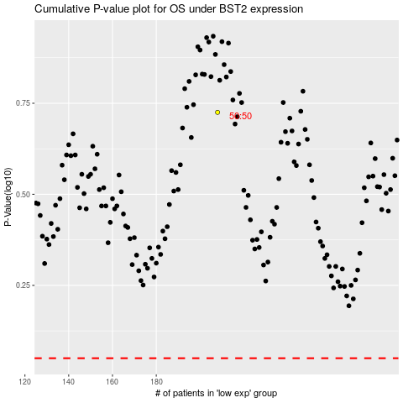

 |  |  |  |  |  | cases_OS | p_OS | rank | exp
 |  |  |  |  |  |  | cases_RFS | p_RFS | rank | exp

