BTBD1 _multivariate
Reported by Tex Li-Hsing Chi. tex@gate.sinica.edu.tw 2019-08-21

Table 2. The clinicopathological features of HNSCC cohort and BTBD1 expression. (Chi square test)
Cutoff at 0.099 (68.6%)
 |  | BTBD1 expression |  | BTBD1 expression |  | (Optimised)
 | Features | Low | (%) | High | (%) | Case no | P-value | Remark | Matthews
Gender | Female | 219 | 52.8 | 87 | 21 | 415 | 0.0291 | 1 | 0
2 | Male | 65 | 15.7 | 44 | 10.6
Age at diagnosis | <=65y | 183 | 44.1 | 91 | 21.9 | 415 | 0.3714 | 0 | 0
4 | >65y | 101 | 24.3 | 40 | 9.6
Clinical T Status | T1+T2 | 104 | 25.1 | 45 | 10.8 | 415 | 0.7356 | 0 | 0
6 | T3+T4 | 180 | 43.4 | 86 | 20.7
Clinical N Status | N0 | 151 | 36.4 | 65 | 15.7 | 415 | 0.5706 | 0 | 0
8 | N1-3 | 133 | 32 | 66 | 15.9
Clinical M Status | M0 | 281 | 67.7 | 131 | 31.6 | 415 | 0.5549 | 0 | 0
10 | M1 | 3 | 0.7 | 0 | 0
Clinical Stage | Stage I+II | 68 | 16.4 | 34 | 8.2 | 415 | 0.7494 | 0 | 0
12 | Stage III+IV | 216 | 52 | 97 | 23.4
Surgical Margin status | Negative | 219 | 52.8 | 99 | 23.9 | 415 | 0.803 | 0 | 0
14 | Positive | 65 | 15.7 | 32 | 7.7
Tobacco Exposure | Low | 111 | 26.7 | 50 | 12 | 415 | 0.9138 | 0 | 0
16 | High | 173 | 41.7 | 81 | 19.5

Table 3. Univariate/Multivariate Cox's proportional hazards regression analyses on OS time of BTBD1 gene expression in HNSCC

 |  | Univariate |  |  |  | Multivariate
 | Features | HR | CI95%(L) | CI95%(H) | P-value | HR | CI95%(L) | CI95%(H) | P-value
1 | Female | 1 |  |  |  | 1
Gender | Male | 1.157 | 0.843 | 1.587 | 0.367 | 1.144 | 0.817 | 1.602 | 0.433
11 | <=65y | 1 |  |  |  | 1
Age at diagnosis | >65y | 1.329 | 0.99 | 1.784 | 0.058 | 1.425 | 1.047 | 1.94 | 0.024
12 | T1+T2 | 1 |  |  |  | 1
Clinical T Status | T3+T4 | 1.409 | 1.028 | 1.931 | 0.033 | 2.092 | 1.105 | 3.96 | 0.023
13 | N0 | 1 |  |  |  | 1
Clinical N Status | N1-3 | 1.185 | 0.89 | 1.577 | 0.246 | 1.212 | 0.848 | 1.732 | 0.291
14 | M0 | 1 |  |  |  | 1
Clinical M Status | M1 | 4.097 | 1.009 | 16.644 | 0.049 | 10.232 | 2.229 | 46.957 | 0.003
15 | Stage I+II | 1 |  |  |  | 1
Clinical Stage | Stage III+IV | 1.245 | 0.882 | 1.759 | 0.213 | 0.535 | 0.249 | 1.151 | 0.109
16 | Negative | 1 |  |  |  | 1
Surgical Margin status | Positive | 1.591 | 1.155 | 2.191 | 0.004 | 1.638 | 1.186 | 2.263 | 0.003
17 | Low | 1 |  |  |  | 1
Tobacco Exposure | High | 1.364 | 1.008 | 1.844 | 0.044 | 1.437 | 1.043 | 1.978 | 0.026
18 | Low | 1 |  |  |  | 1
RNAseq(z-score) | High | 1.529 | 1.13 | 2.069 | 0.006 | 1.474 | 1.084 | 2.004 | 0.013

Table 4. Univariate/Multivariate Cox's proportional hazards regression analyses on RFS time of BTBD1 gene expression in HNSCC

 |  | Univariate |  |  |  | Multivariate
 | Features | HR | CI95%(L) | CI95%(H) | P-value | HR | CI95%(L) | CI95%(H) | P-value
1 | Female | 1 |  |  |  | 1
Gender | Male | 1.157 | 0.843 | 1.587 | 0.367 | 1.144 | 0.817 | 1.602 | 0.433
11 | <=65y | 1 |  |  |  | 1
Age at diagnosis | >65y | 1.329 | 0.99 | 1.784 | 0.058 | 1.425 | 1.047 | 1.94 | 0.024
12 | T1+T2 | 1 |  |  |  | 1
Clinical T Status | T3+T4 | 1.409 | 1.028 | 1.931 | 0.033 | 2.092 | 1.105 | 3.96 | 0.023
13 | N0 | 1 |  |  |  | 1
Clinical N Status | N1-3 | 1.185 | 0.89 | 1.577 | 0.246 | 1.212 | 0.848 | 1.732 | 0.291
14 | M0 | 1 |  |  |  | 1
Clinical M Status | M1 | 4.097 | 1.009 | 16.644 | 0.049 | 10.232 | 2.229 | 46.957 | 0.003
15 | Stage I+II | 1 |  |  |  | 1
Clinical Stage | Stage III+IV | 1.245 | 0.882 | 1.759 | 0.213 | 0.535 | 0.249 | 1.151 | 0.109
16 | Negative | 1 |  |  |  | 1
Surgical Margin status | Positive | 1.591 | 1.155 | 2.191 | 0.004 | 1.638 | 1.186 | 2.263 | 0.003
17 | Low | 1 |  |  |  | 1
Tobacco Exposure | High | 1.364 | 1.008 | 1.844 | 0.044 | 1.437 | 1.043 | 1.978 | 0.026
18 | Low | 1 |  |  |  | 1
RNAseq(z-score) | High | 1.529 | 1.13 | 2.069 | 0.006 | 1.474 | 1.084 | 2.004 | 0.013

Kaplan-Meier survival estimate: Cutoff at 0.099 (68.6%)

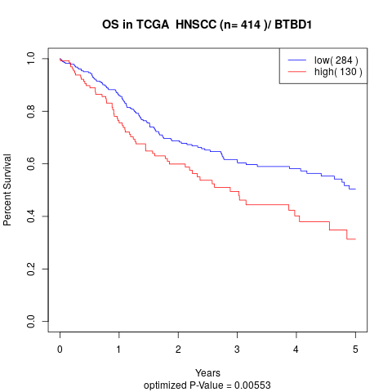

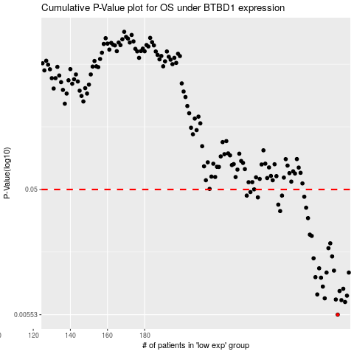

 |  |  |  |  |  | cases_OS | p_OS | rank | exp
 |  |  |  |  |  | 284 | 0.00553 | 229 | 0.099408244512
 |  |  |  |  |  | 288 | 0.00691 | 211 | 0.10938274974
 |  |  |  |  |  | 286 | 0.00714 | 251 | 0.10284382248
 |  |  |  |  |  | 283 | 0.00722 | 357 | 0.09750279499
 |  |  |  |  |  | 277 | 0.00737 | 257 | 0.068985169506
 |  |  |  |  |  | 289 | 0.00772 | 364 | 0.11250260623
 |  |  |  |  |  | 273 | 0.00789 | 247 | 0.04785250756
 |  |  |  |  |  | 285 | 0.00838 | 307 | 0.10092377713
 |  |  |  |  |  | 287 | 0.00872 | 33 | 0.10618365881
 |  |  |  |  |  | 276 | 0.00906 | 382 | 0.065952540424
 |  |  |  |  |  | 275 | 0.0106 | 388 | 0.063493839828
 |  |  |  |  |  | 272 | 0.0107 | 192 | 0.040943993283
 |  |  |  |  |  | 278 | 0.0116 | 43 | 0.0773112159
 |  |  |  |  |  | 290 | 0.0116 | 130 | 0.11824345492
 |  |  |  |  |  | 282 | 0.012 | 63 | 0.094754089355
 |  |  |  |  |  | 274 | 0.0125 | 238 | 0.057972102191
 |  |  |  |  |  | 271 | 0.0149 | 363 | 0.031558533635
 |  |  |  |  |  | 281 | 0.0154 | 170 | 0.091388189054
 |  |  |  |  |  | 279 | 0.0178 | 254 | 0.082500029838
 |  |  |  |  |  | 280 | 0.0194 | 407 | 0.084286106405
 |  |  |  |  |  | 270 | 0.0221 | 255 | 0.020869702031
 |  |  |  |  |  | 269 | 0.0226 | 345 | 0.015508865932
 |  |  |  |  |  | 268 | 0.0302 | 141 | 0.015230155278
 |  |  |  |  |  | 253 | 0.0342 | 253 | -0.041061056399
 |  |  |  |  |  | 267 | 0.0363 | 37 | 0.014676382925
 |  |  |  |  |  | 252 | 0.0383 | 346 | -0.044313144058
 |  |  |  |  |  | 241 | 0.0435 | 276 | -0.087206783241
 |  |  |  |  |  | 266 | 0.044 | 93 | 0.012125937175
 |  |  |  |  |  | 254 | 0.0449 | 70 | -0.021772159261
 |  |  |  |  |  | 235 | 0.0449 | 86 | -0.098775881786
 |  |  |  |  |  | 237 | 0.0478 | 209 | -0.095494776248
 |  |  |  |  |  |  | cases_RFS | p_RFS | rank | exp
 |  |  |  |  |  |  | 283 | 0.00553 | 357 | 0.09750279499
 |  |  |  |  |  |  | 287 | 0.00691 | 33 | 0.10618365881
 |  |  |  |  |  |  | 285 | 0.00714 | 307 | 0.10092377713
 |  |  |  |  |  |  | 282 | 0.00722 | 63 | 0.094754089355
 |  |  |  |  |  |  | 276 | 0.00737 | 382 | 0.065952540424
 |  |  |  |  |  |  | 288 | 0.00772 | 211 | 0.10938274974
 |  |  |  |  |  |  | 272 | 0.00789 | 192 | 0.040943993283
 |  |  |  |  |  |  | 284 | 0.00838 | 229 | 0.099408244512
 |  |  |  |  |  |  | 286 | 0.00872 | 251 | 0.10284382248
 |  |  |  |  |  |  | 275 | 0.00906 | 388 | 0.063493839828
 |  |  |  |  |  |  | 274 | 0.0106 | 238 | 0.057972102191
 |  |  |  |  |  |  | 271 | 0.0107 | 363 | 0.031558533635
 |  |  |  |  |  |  | 277 | 0.0116 | 257 | 0.068985169506
 |  |  |  |  |  |  | 289 | 0.0116 | 364 | 0.11250260623
 |  |  |  |  |  |  | 281 | 0.012 | 170 | 0.091388189054
 |  |  |  |  |  |  | 273 | 0.0125 | 247 | 0.04785250756
 |  |  |  |  |  |  | 270 | 0.0149 | 255 | 0.020869702031
 |  |  |  |  |  |  | 280 | 0.0154 | 407 | 0.084286106405
 |  |  |  |  |  |  | 278 | 0.0178 | 43 | 0.0773112159
 |  |  |  |  |  |  | 279 | 0.0194 | 254 | 0.082500029838
 |  |  |  |  |  |  | 269 | 0.0221 | 345 | 0.015508865932
 |  |  |  |  |  |  | 268 | 0.0226 | 141 | 0.015230155278
 |  |  |  |  |  |  | 267 | 0.0302 | 37 | 0.014676382925
 |  |  |  |  |  |  | 252 | 0.0342 | 346 | -0.044313144058
 |  |  |  |  |  |  | 266 | 0.0363 | 93 | 0.012125937175
 |  |  |  |  |  |  | 251 | 0.0383 | 182 | -0.058209407061
 |  |  |  |  |  |  | 240 | 0.0435 | 403 | -0.087649175588
 |  |  |  |  |  |  | 265 | 0.044 | 59 | 0.012061646064
 |  |  |  |  |  |  | 234 | 0.0449 | 26 | -0.099752237874
 |  |  |  |  |  |  | 253 | 0.0449 | 253 | -0.041061056399
 |  |  |  |  |  |  | 236 | 0.0478 | 167 | -0.096362880006

