BTBD11 _multivariate
Reported by Tex Li-Hsing Chi. tex@gate.sinica.edu.tw 2019-08-21

Table 2. The clinicopathological features of HNSCC cohort and BTBD11 expression. (Chi square test)
Cutoff at -0.209 (50.0%)
 |  | BTBD11 expression |  | BTBD11 expression |  | (Optimised)
 | Features | Low | (%) | High | (%) | Case no | P-value | Remark | Matthews
Gender | Female | 158 | 38.1 | 148 | 35.7 | 415 | 0.2774 | 0 | 0
2 | Male | 49 | 11.8 | 60 | 14.5
Age at diagnosis | <=65y | 138 | 33.3 | 136 | 32.8 | 415 | 0.8634 | 0 | 0
4 | >65y | 69 | 16.6 | 72 | 17.3
Clinical T Status | T1+T2 | 87 | 21 | 62 | 14.9 | 415 | 0.0127 | 1 | 0
6 | T3+T4 | 120 | 28.9 | 146 | 35.2
Clinical N Status | N0 | 96 | 23.1 | 120 | 28.9 | 415 | 0.0272 | 1 | 0
8 | N1-3 | 111 | 26.7 | 88 | 21.2
Clinical M Status | M0 | 206 | 49.6 | 206 | 49.6 | 415 | 1 | 0 | 0
10 | M1 | 1 | 0.2 | 2 | 0.5
Clinical Stage | Stage I+II | 53 | 12.8 | 49 | 11.8 | 415 | 0.7113 | 0 | 0
12 | Stage III+IV | 154 | 37.1 | 159 | 38.3
Surgical Margin status | Negative | 156 | 37.6 | 162 | 39 | 415 | 0.5636 | 0 | 0
14 | Positive | 51 | 12.3 | 46 | 11.1
Tobacco Exposure | Low | 79 | 19 | 82 | 19.8 | 415 | 0.8405 | 0 | 0
16 | High | 128 | 30.8 | 126 | 30.4

Table 3. Univariate/Multivariate Cox's proportional hazards regression analyses on OS time of BTBD11 gene expression in HNSCC

 |  | Univariate |  |  |  | Multivariate
 | Features | HR | CI95%(L) | CI95%(H) | P-value | HR | CI95%(L) | CI95%(H) | P-value
1 | Female | 1 |  |  |  | 1
Gender | Male | 1.157 | 0.843 | 1.587 | 0.367 | 1.196 | 0.855 | 1.671 | 0.296
11 | <=65y | 1 |  |  |  | 1
Age at diagnosis | >65y | 1.329 | 0.99 | 1.784 | 0.058 | 1.387 | 1.02 | 1.885 | 0.037
12 | T1+T2 | 1 |  |  |  | 1
Clinical T Status | T3+T4 | 1.409 | 1.028 | 1.931 | 0.033 | 2.154 | 1.135 | 4.088 | 0.019
13 | N0 | 1 |  |  |  | 1
Clinical N Status | N1-3 | 1.185 | 0.89 | 1.577 | 0.246 | 1.254 | 0.878 | 1.792 | 0.214
14 | M0 | 1 |  |  |  | 1
Clinical M Status | M1 | 4.097 | 1.009 | 16.644 | 0.049 | 9.111 | 1.981 | 41.897 | 0.005
15 | Stage I+II | 1 |  |  |  | 1
Clinical Stage | Stage III+IV | 1.245 | 0.882 | 1.759 | 0.213 | 0.509 | 0.237 | 1.094 | 0.084
16 | Negative | 1 |  |  |  | 1
Surgical Margin status | Positive | 1.591 | 1.155 | 2.191 | 0.004 | 1.669 | 1.208 | 2.306 | 0.002
17 | Low | 1 |  |  |  | 1
Tobacco Exposure | High | 1.364 | 1.008 | 1.844 | 0.044 | 1.453 | 1.054 | 2.004 | 0.023
18 | Low | 1 |  |  |  | 1
RNAseq(z-score) | High | 1.169 | 0.877 | 1.557 | 0.286 | 1.098 | 0.82 | 1.469 | 0.53

Table 4. Univariate/Multivariate Cox's proportional hazards regression analyses on RFS time of BTBD11 gene expression in HNSCC

 |  | Univariate |  |  |  | Multivariate
 | Features | HR | CI95%(L) | CI95%(H) | P-value | HR | CI95%(L) | CI95%(H) | P-value
1 | Female | 1 |  |  |  | 1
Gender | Male | 1.157 | 0.843 | 1.587 | 0.367 | 1.196 | 0.855 | 1.671 | 0.296
11 | <=65y | 1 |  |  |  | 1
Age at diagnosis | >65y | 1.329 | 0.99 | 1.784 | 0.058 | 1.387 | 1.02 | 1.885 | 0.037
12 | T1+T2 | 1 |  |  |  | 1
Clinical T Status | T3+T4 | 1.409 | 1.028 | 1.931 | 0.033 | 2.154 | 1.135 | 4.088 | 0.019
13 | N0 | 1 |  |  |  | 1
Clinical N Status | N1-3 | 1.185 | 0.89 | 1.577 | 0.246 | 1.254 | 0.878 | 1.792 | 0.214
14 | M0 | 1 |  |  |  | 1
Clinical M Status | M1 | 4.097 | 1.009 | 16.644 | 0.049 | 9.111 | 1.981 | 41.897 | 0.005
15 | Stage I+II | 1 |  |  |  | 1
Clinical Stage | Stage III+IV | 1.245 | 0.882 | 1.759 | 0.213 | 0.509 | 0.237 | 1.094 | 0.084
16 | Negative | 1 |  |  |  | 1
Surgical Margin status | Positive | 1.591 | 1.155 | 2.191 | 0.004 | 1.669 | 1.208 | 2.306 | 0.002
17 | Low | 1 |  |  |  | 1
Tobacco Exposure | High | 1.364 | 1.008 | 1.844 | 0.044 | 1.453 | 1.054 | 2.004 | 0.023
18 | Low | 1 |  |  |  | 1
RNAseq(z-score) | High | 1.169 | 0.877 | 1.557 | 0.286 | 1.098 | 0.82 | 1.469 | 0.53

Kaplan-Meier survival estimate: Cutoff at -0.209 (50.0%)



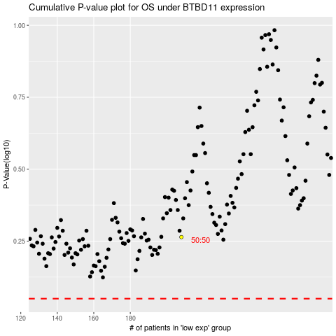

 |  |  |  |  |  | cases_OS | p_OS | rank | exp
 |  |  |  |  |  |  | cases_RFS | p_RFS | rank | exp

