BTBD19 _multivariate
Reported by Tex Li-Hsing Chi. tex@gate.sinica.edu.tw 2019-08-21

Table 2. The clinicopathological features of HNSCC cohort and BTBD19 expression. (Chi square test)
Cutoff at -0.137 (50.0%)
 |  | BTBD19 expression |  | BTBD19 expression |  | (Optimised)
 | Features | Low | (%) | High | (%) | Case no | P-value | Remark | Matthews
Gender | Female | 151 | 36.4 | 155 | 37.3 | 415 | 0.8007 | 0 | 0
2 | Male | 56 | 13.5 | 53 | 12.8
Age at diagnosis | <=65y | 139 | 33.5 | 135 | 32.5 | 415 | 0.7044 | 0 | 0
4 | >65y | 68 | 16.4 | 73 | 17.6
Clinical T Status | T1+T2 | 77 | 18.6 | 72 | 17.3 | 415 | 0.6556 | 0 | 0
6 | T3+T4 | 130 | 31.3 | 136 | 32.8
Clinical N Status | N0 | 109 | 26.3 | 107 | 25.8 | 415 | 0.8812 | 0 | 0
8 | N1-3 | 98 | 23.6 | 101 | 24.3
Clinical M Status | M0 | 205 | 49.4 | 207 | 49.9 | 415 | 0.6232 | 0 | 0
10 | M1 | 2 | 0.5 | 1 | 0.2
Clinical Stage | Stage I+II | 50 | 12 | 52 | 12.5 | 415 | 0.9315 | 0 | 0
12 | Stage III+IV | 157 | 37.8 | 156 | 37.6
Surgical Margin status | Negative | 153 | 36.9 | 165 | 39.8 | 415 | 0.2036 | 0 | 0
14 | Positive | 54 | 13 | 43 | 10.4
Tobacco Exposure | Low | 79 | 19 | 82 | 19.8 | 415 | 0.8405 | 0 | 0
16 | High | 128 | 30.8 | 126 | 30.4

Table 3. Univariate/Multivariate Cox's proportional hazards regression analyses on OS time of BTBD19 gene expression in HNSCC

 |  | Univariate |  |  |  | Multivariate
 | Features | HR | CI95%(L) | CI95%(H) | P-value | HR | CI95%(L) | CI95%(H) | P-value
1 | Female | 1 |  |  |  | 1
Gender | Male | 1.157 | 0.843 | 1.587 | 0.367 | 1.18 | 0.843 | 1.65 | 0.334
11 | <=65y | 1 |  |  |  | 1
Age at diagnosis | >65y | 1.329 | 0.99 | 1.784 | 0.058 | 1.398 | 1.03 | 1.9 | 0.032
12 | T1+T2 | 1 |  |  |  | 1
Clinical T Status | T3+T4 | 1.409 | 1.028 | 1.931 | 0.033 | 2.269 | 1.198 | 4.298 | 0.012
13 | N0 | 1 |  |  |  | 1
Clinical N Status | N1-3 | 1.185 | 0.89 | 1.577 | 0.246 | 1.261 | 0.884 | 1.8 | 0.201
14 | M0 | 1 |  |  |  | 1
Clinical M Status | M1 | 4.097 | 1.009 | 16.644 | 0.049 | 8.945 | 1.948 | 41.072 | 0.005
15 | Stage I+II | 1 |  |  |  | 1
Clinical Stage | Stage III+IV | 1.245 | 0.882 | 1.759 | 0.213 | 0.486 | 0.226 | 1.045 | 0.065
16 | Negative | 1 |  |  |  | 1
Surgical Margin status | Positive | 1.591 | 1.155 | 2.191 | 0.004 | 1.637 | 1.183 | 2.265 | 0.003
17 | Low | 1 |  |  |  | 1
Tobacco Exposure | High | 1.364 | 1.008 | 1.844 | 0.044 | 1.43 | 1.037 | 1.972 | 0.029
18 | Low | 1 |  |  |  | 1
RNAseq(z-score) | High | 0.778 | 0.583 | 1.037 | 0.086 | 0.807 | 0.603 | 1.08 | 0.149

Table 4. Univariate/Multivariate Cox's proportional hazards regression analyses on RFS time of BTBD19 gene expression in HNSCC

 |  | Univariate |  |  |  | Multivariate
 | Features | HR | CI95%(L) | CI95%(H) | P-value | HR | CI95%(L) | CI95%(H) | P-value
1 | Female | 1 |  |  |  | 1
Gender | Male | 1.157 | 0.843 | 1.587 | 0.367 | 1.18 | 0.843 | 1.65 | 0.334
11 | <=65y | 1 |  |  |  | 1
Age at diagnosis | >65y | 1.329 | 0.99 | 1.784 | 0.058 | 1.398 | 1.03 | 1.9 | 0.032
12 | T1+T2 | 1 |  |  |  | 1
Clinical T Status | T3+T4 | 1.409 | 1.028 | 1.931 | 0.033 | 2.269 | 1.198 | 4.298 | 0.012
13 | N0 | 1 |  |  |  | 1
Clinical N Status | N1-3 | 1.185 | 0.89 | 1.577 | 0.246 | 1.261 | 0.884 | 1.8 | 0.201
14 | M0 | 1 |  |  |  | 1
Clinical M Status | M1 | 4.097 | 1.009 | 16.644 | 0.049 | 8.945 | 1.948 | 41.072 | 0.005
15 | Stage I+II | 1 |  |  |  | 1
Clinical Stage | Stage III+IV | 1.245 | 0.882 | 1.759 | 0.213 | 0.486 | 0.226 | 1.045 | 0.065
16 | Negative | 1 |  |  |  | 1
Surgical Margin status | Positive | 1.591 | 1.155 | 2.191 | 0.004 | 1.637 | 1.183 | 2.265 | 0.003
17 | Low | 1 |  |  |  | 1
Tobacco Exposure | High | 1.364 | 1.008 | 1.844 | 0.044 | 1.43 | 1.037 | 1.972 | 0.029
18 | Low | 1 |  |  |  | 1
RNAseq(z-score) | High | 0.778 | 0.583 | 1.037 | 0.086 | 0.807 | 0.603 | 1.08 | 0.149

Kaplan-Meier survival estimate: Cutoff at -0.137 (50.0%)



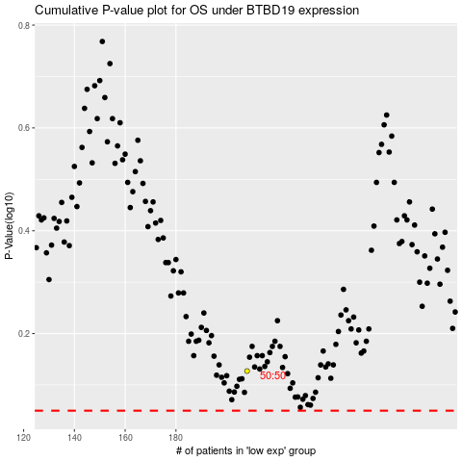

 |  |  |  |  |  | cases_OS | p_OS | rank | exp
 |  |  |  |  |  |  | cases_RFS | p_RFS | rank | exp

