BTBD3 _multivariate
Reported by Tex Li-Hsing Chi. tex@gate.sinica.edu.tw 2019-08-21

Table 2. The clinicopathological features of HNSCC cohort and BTBD3 expression. (Chi square test)
Cutoff at -0.198 (49.8%)
 |  | BTBD3 expression |  | BTBD3 expression |  | (Optimised)
 | Features | Low | (%) | High | (%) | Case no | P-value | Remark | Matthews
Gender | Female | 156 | 37.6 | 150 | 36.1 | 415 | 0.5222 | 0 | 0
2 | Male | 51 | 12.3 | 58 | 14
Age at diagnosis | <=65y | 138 | 33.3 | 136 | 32.8 | 415 | 0.8634 | 0 | 0
4 | >65y | 69 | 16.6 | 72 | 17.3
Clinical T Status | T1+T2 | 69 | 16.6 | 80 | 19.3 | 415 | 0.3239 | 0 | 0
6 | T3+T4 | 138 | 33.3 | 128 | 30.8
Clinical N Status | N0 | 104 | 25.1 | 112 | 27 | 415 | 0.5243 | 0 | 0
8 | N1-3 | 103 | 24.8 | 96 | 23.1
Clinical M Status | M0 | 206 | 49.6 | 206 | 49.6 | 415 | 1 | 0 | 0
10 | M1 | 1 | 0.2 | 2 | 0.5
Clinical Stage | Stage I+II | 48 | 11.6 | 54 | 13 | 415 | 0.5878 | 0 | 0
12 | Stage III+IV | 159 | 38.3 | 154 | 37.1
Surgical Margin status | Negative | 161 | 38.8 | 157 | 37.8 | 415 | 0.6429 | 0 | 0
14 | Positive | 46 | 11.1 | 51 | 12.3
Tobacco Exposure | Low | 74 | 17.8 | 87 | 21 | 415 | 0.227 | 0 | 0
16 | High | 133 | 32 | 121 | 29.2

Table 3. Univariate/Multivariate Cox's proportional hazards regression analyses on OS time of BTBD3 gene expression in HNSCC

 |  | Univariate |  |  |  | Multivariate
 | Features | HR | CI95%(L) | CI95%(H) | P-value | HR | CI95%(L) | CI95%(H) | P-value
1 | Female | 1 |  |  |  | 1
Gender | Male | 1.157 | 0.843 | 1.587 | 0.367 | 1.195 | 0.856 | 1.669 | 0.296
11 | <=65y | 1 |  |  |  | 1
Age at diagnosis | >65y | 1.329 | 0.99 | 1.784 | 0.058 | 1.386 | 1.019 | 1.884 | 0.037
12 | T1+T2 | 1 |  |  |  | 1
Clinical T Status | T3+T4 | 1.409 | 1.028 | 1.931 | 0.033 | 2.263 | 1.192 | 4.295 | 0.013
13 | N0 | 1 |  |  |  | 1
Clinical N Status | N1-3 | 1.185 | 0.89 | 1.577 | 0.246 | 1.254 | 0.878 | 1.791 | 0.213
14 | M0 | 1 |  |  |  | 1
Clinical M Status | M1 | 4.097 | 1.009 | 16.644 | 0.049 | 9.265 | 2.02 | 42.504 | 0.004
15 | Stage I+II | 1 |  |  |  | 1
Clinical Stage | Stage III+IV | 1.245 | 0.882 | 1.759 | 0.213 | 0.487 | 0.226 | 1.051 | 0.067
16 | Negative | 1 |  |  |  | 1
Surgical Margin status | Positive | 1.591 | 1.155 | 2.191 | 0.004 | 1.679 | 1.214 | 2.321 | 0.002
17 | Low | 1 |  |  |  | 1
Tobacco Exposure | High | 1.364 | 1.008 | 1.844 | 0.044 | 1.469 | 1.066 | 2.025 | 0.019
18 | Low | 1 |  |  |  | 1
RNAseq(z-score) | High | 1.068 | 0.8 | 1.427 | 0.656 | 1.125 | 0.838 | 1.511 | 0.432

Table 4. Univariate/Multivariate Cox's proportional hazards regression analyses on RFS time of BTBD3 gene expression in HNSCC

 |  | Univariate |  |  |  | Multivariate
 | Features | HR | CI95%(L) | CI95%(H) | P-value | HR | CI95%(L) | CI95%(H) | P-value
1 | Female | 1 |  |  |  | 1
Gender | Male | 1.157 | 0.843 | 1.587 | 0.367 | 1.195 | 0.856 | 1.669 | 0.296
11 | <=65y | 1 |  |  |  | 1
Age at diagnosis | >65y | 1.329 | 0.99 | 1.784 | 0.058 | 1.386 | 1.019 | 1.884 | 0.037
12 | T1+T2 | 1 |  |  |  | 1
Clinical T Status | T3+T4 | 1.409 | 1.028 | 1.931 | 0.033 | 2.263 | 1.192 | 4.295 | 0.013
13 | N0 | 1 |  |  |  | 1
Clinical N Status | N1-3 | 1.185 | 0.89 | 1.577 | 0.246 | 1.254 | 0.878 | 1.791 | 0.213
14 | M0 | 1 |  |  |  | 1
Clinical M Status | M1 | 4.097 | 1.009 | 16.644 | 0.049 | 9.265 | 2.02 | 42.504 | 0.004
15 | Stage I+II | 1 |  |  |  | 1
Clinical Stage | Stage III+IV | 1.245 | 0.882 | 1.759 | 0.213 | 0.487 | 0.226 | 1.051 | 0.067
16 | Negative | 1 |  |  |  | 1
Surgical Margin status | Positive | 1.591 | 1.155 | 2.191 | 0.004 | 1.679 | 1.214 | 2.321 | 0.002
17 | Low | 1 |  |  |  | 1
Tobacco Exposure | High | 1.364 | 1.008 | 1.844 | 0.044 | 1.469 | 1.066 | 2.025 | 0.019
18 | Low | 1 |  |  |  | 1
RNAseq(z-score) | High | 1.068 | 0.8 | 1.427 | 0.656 | 1.125 | 0.838 | 1.511 | 0.432

Kaplan-Meier survival estimate: Cutoff at -0.198 (49.8%)



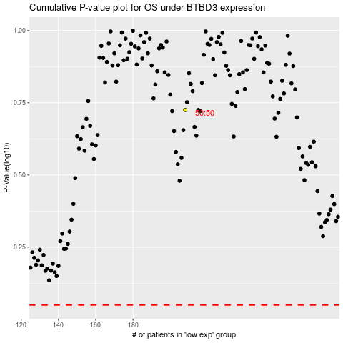

 |  |  |  |  |  | cases_OS | p_OS | rank | exp
 |  |  |  |  |  |  | cases_RFS | p_RFS | rank | exp

