BTF3L4 _multivariate
Reported by Tex Li-Hsing Chi. tex@gate.sinica.edu.tw 2019-08-21

Table 2. The clinicopathological features of HNSCC cohort and BTF3L4 expression. (Chi square test)
Cutoff at -0.183 (50.0%)
 |  | BTF3L4 expression |  | BTF3L4 expression |  | (Optimised)
 | Features | Low | (%) | High | (%) | Case no | P-value | Remark | Matthews
Gender | Female | 153 | 36.9 | 153 | 36.9 | 415 | 1 | 0 | 0
2 | Male | 54 | 13 | 55 | 13.3
Age at diagnosis | <=65y | 128 | 30.8 | 146 | 35.2 | 415 | 0.0904 | 0 | 0
4 | >65y | 79 | 19 | 62 | 14.9
Clinical T Status | T1+T2 | 72 | 17.3 | 77 | 18.6 | 415 | 0.7095 | 0 | 0
6 | T3+T4 | 135 | 32.5 | 131 | 31.6
Clinical N Status | N0 | 112 | 27 | 104 | 25.1 | 415 | 0.4599 | 0 | 0
8 | N1-3 | 95 | 22.9 | 104 | 25.1
Clinical M Status | M0 | 207 | 49.9 | 205 | 49.4 | 415 | 0.2482 | 0 | 0
10 | M1 | 0 | 0 | 3 | 0.7
Clinical Stage | Stage I+II | 53 | 12.8 | 49 | 11.8 | 415 | 0.7113 | 0 | 0
12 | Stage III+IV | 154 | 37.1 | 159 | 38.3
Surgical Margin status | Negative | 170 | 41 | 148 | 35.7 | 415 | 0.0105 | 1 | 0
14 | Positive | 37 | 8.9 | 60 | 14.5
Tobacco Exposure | Low | 85 | 20.5 | 76 | 18.3 | 415 | 0.3655 | 0 | 0
16 | High | 122 | 29.4 | 132 | 31.8

Table 3. Univariate/Multivariate Cox's proportional hazards regression analyses on OS time of BTF3L4 gene expression in HNSCC

 |  | Univariate |  |  |  | Multivariate
 | Features | HR | CI95%(L) | CI95%(H) | P-value | HR | CI95%(L) | CI95%(H) | P-value
1 | Female | 1 |  |  |  | 1
Gender | Male | 1.157 | 0.843 | 1.587 | 0.367 | 1.224 | 0.874 | 1.715 | 0.24
11 | <=65y | 1 |  |  |  | 1
Age at diagnosis | >65y | 1.329 | 0.99 | 1.784 | 0.058 | 1.381 | 1.015 | 1.879 | 0.04
12 | T1+T2 | 1 |  |  |  | 1
Clinical T Status | T3+T4 | 1.409 | 1.028 | 1.931 | 0.033 | 2.196 | 1.162 | 4.149 | 0.015
13 | N0 | 1 |  |  |  | 1
Clinical N Status | N1-3 | 1.185 | 0.89 | 1.577 | 0.246 | 1.242 | 0.87 | 1.773 | 0.232
14 | M0 | 1 |  |  |  | 1
Clinical M Status | M1 | 4.097 | 1.009 | 16.644 | 0.049 | 10.124 | 2.19 | 46.804 | 0.003
15 | Stage I+II | 1 |  |  |  | 1
Clinical Stage | Stage III+IV | 1.245 | 0.882 | 1.759 | 0.213 | 0.51 | 0.237 | 1.095 | 0.084
16 | Negative | 1 |  |  |  | 1
Surgical Margin status | Positive | 1.591 | 1.155 | 2.191 | 0.004 | 1.703 | 1.229 | 2.358 | 0.001
17 | Low | 1 |  |  |  | 1
Tobacco Exposure | High | 1.364 | 1.008 | 1.844 | 0.044 | 1.48 | 1.071 | 2.045 | 0.018
18 | Low | 1 |  |  |  | 1
RNAseq(z-score) | High | 0.966 | 0.725 | 1.287 | 0.814 | 0.87 | 0.647 | 1.17 | 0.357

Table 4. Univariate/Multivariate Cox's proportional hazards regression analyses on RFS time of BTF3L4 gene expression in HNSCC

 |  | Univariate |  |  |  | Multivariate
 | Features | HR | CI95%(L) | CI95%(H) | P-value | HR | CI95%(L) | CI95%(H) | P-value
1 | Female | 1 |  |  |  | 1
Gender | Male | 1.157 | 0.843 | 1.587 | 0.367 | 1.224 | 0.874 | 1.715 | 0.24
11 | <=65y | 1 |  |  |  | 1
Age at diagnosis | >65y | 1.329 | 0.99 | 1.784 | 0.058 | 1.381 | 1.015 | 1.879 | 0.04
12 | T1+T2 | 1 |  |  |  | 1
Clinical T Status | T3+T4 | 1.409 | 1.028 | 1.931 | 0.033 | 2.196 | 1.162 | 4.149 | 0.015
13 | N0 | 1 |  |  |  | 1
Clinical N Status | N1-3 | 1.185 | 0.89 | 1.577 | 0.246 | 1.242 | 0.87 | 1.773 | 0.232
14 | M0 | 1 |  |  |  | 1
Clinical M Status | M1 | 4.097 | 1.009 | 16.644 | 0.049 | 10.124 | 2.19 | 46.804 | 0.003
15 | Stage I+II | 1 |  |  |  | 1
Clinical Stage | Stage III+IV | 1.245 | 0.882 | 1.759 | 0.213 | 0.51 | 0.237 | 1.095 | 0.084
16 | Negative | 1 |  |  |  | 1
Surgical Margin status | Positive | 1.591 | 1.155 | 2.191 | 0.004 | 1.703 | 1.229 | 2.358 | 0.001
17 | Low | 1 |  |  |  | 1
Tobacco Exposure | High | 1.364 | 1.008 | 1.844 | 0.044 | 1.48 | 1.071 | 2.045 | 0.018
18 | Low | 1 |  |  |  | 1
RNAseq(z-score) | High | 0.966 | 0.725 | 1.287 | 0.814 | 0.87 | 0.647 | 1.17 | 0.357

Kaplan-Meier survival estimate: Cutoff at -0.183 (50.0%)

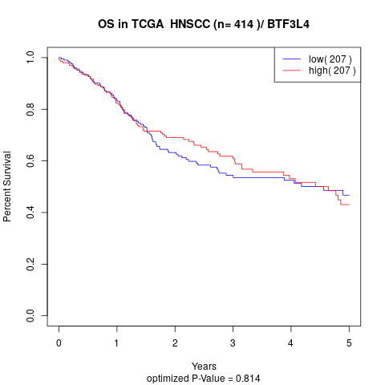

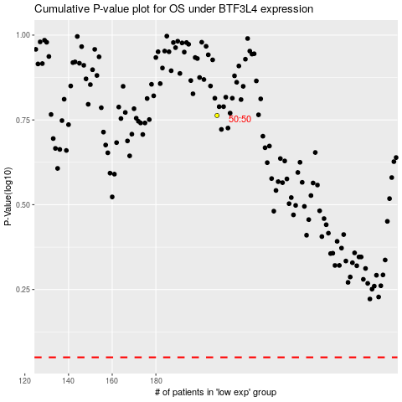

 |  |  |  |  |  | cases_OS | p_OS | rank | exp
 |  |  |  |  |  |  | cases_RFS | p_RFS | rank | exp

