BTG2 _multivariate
Reported by Tex Li-Hsing Chi. tex@gate.sinica.edu.tw 2019-08-21

Table 2. The clinicopathological features of HNSCC cohort and BTG2 expression. (Chi square test)
Cutoff at -0.299 (50.0%)
 |  | BTG2 expression |  | BTG2 expression |  | (Optimised)
 | Features | Low | (%) | High | (%) | Case no | P-value | Remark | Matthews
Gender | Female | 151 | 36.4 | 155 | 37.3 | 415 | 0.8007 | 0 | 0
2 | Male | 56 | 13.5 | 53 | 12.8
Age at diagnosis | <=65y | 127 | 30.6 | 147 | 35.4 | 415 | 0.0573 | 0 | 0
4 | >65y | 80 | 19.3 | 61 | 14.7
Clinical T Status | T1+T2 | 68 | 16.4 | 81 | 19.5 | 415 | 0.2336 | 0 | 0
6 | T3+T4 | 139 | 33.5 | 127 | 30.6
Clinical N Status | N0 | 103 | 24.8 | 113 | 27.2 | 415 | 0.4047 | 0 | 0
8 | N1-3 | 104 | 25.1 | 95 | 22.9
Clinical M Status | M0 | 204 | 49.2 | 208 | 50.1 | 415 | 0.1232 | 0 | 0
10 | M1 | 3 | 0.7 | 0 | 0
Clinical Stage | Stage I+II | 47 | 11.3 | 55 | 13.3 | 415 | 0.4413 | 0 | 0
12 | Stage III+IV | 160 | 38.6 | 153 | 36.9
Surgical Margin status | Negative | 158 | 38.1 | 160 | 38.6 | 415 | 0.9081 | 0 | 0
14 | Positive | 49 | 11.8 | 48 | 11.6
Tobacco Exposure | Low | 86 | 20.7 | 75 | 18.1 | 415 | 0.2687 | 0 | 0
16 | High | 121 | 29.2 | 133 | 32

Table 3. Univariate/Multivariate Cox's proportional hazards regression analyses on OS time of BTG2 gene expression in HNSCC

 |  | Univariate |  |  |  | Multivariate
 | Features | HR | CI95%(L) | CI95%(H) | P-value | HR | CI95%(L) | CI95%(H) | P-value
1 | Female | 1 |  |  |  | 1
Gender | Male | 1.157 | 0.843 | 1.587 | 0.367 | 1.194 | 0.854 | 1.67 | 0.3
11 | <=65y | 1 |  |  |  | 1
Age at diagnosis | >65y | 1.329 | 0.99 | 1.784 | 0.058 | 1.375 | 1.008 | 1.875 | 0.044
12 | T1+T2 | 1 |  |  |  | 1
Clinical T Status | T3+T4 | 1.409 | 1.028 | 1.931 | 0.033 | 2.186 | 1.156 | 4.135 | 0.016
13 | N0 | 1 |  |  |  | 1
Clinical N Status | N1-3 | 1.185 | 0.89 | 1.577 | 0.246 | 1.238 | 0.868 | 1.767 | 0.239
14 | M0 | 1 |  |  |  | 1
Clinical M Status | M1 | 4.097 | 1.009 | 16.644 | 0.049 | 8.949 | 1.934 | 41.406 | 0.005
15 | Stage I+II | 1 |  |  |  | 1
Clinical Stage | Stage III+IV | 1.245 | 0.882 | 1.759 | 0.213 | 0.507 | 0.236 | 1.089 | 0.081
16 | Negative | 1 |  |  |  | 1
Surgical Margin status | Positive | 1.591 | 1.155 | 2.191 | 0.004 | 1.688 | 1.219 | 2.337 | 0.002
17 | Low | 1 |  |  |  | 1
Tobacco Exposure | High | 1.364 | 1.008 | 1.844 | 0.044 | 1.456 | 1.056 | 2.007 | 0.022
18 | Low | 1 |  |  |  | 1
RNAseq(z-score) | High | 0.88 | 0.661 | 1.172 | 0.383 | 0.918 | 0.684 | 1.232 | 0.57

Table 4. Univariate/Multivariate Cox's proportional hazards regression analyses on RFS time of BTG2 gene expression in HNSCC

 |  | Univariate |  |  |  | Multivariate
 | Features | HR | CI95%(L) | CI95%(H) | P-value | HR | CI95%(L) | CI95%(H) | P-value
1 | Female | 1 |  |  |  | 1
Gender | Male | 1.157 | 0.843 | 1.587 | 0.367 | 1.194 | 0.854 | 1.67 | 0.3
11 | <=65y | 1 |  |  |  | 1
Age at diagnosis | >65y | 1.329 | 0.99 | 1.784 | 0.058 | 1.375 | 1.008 | 1.875 | 0.044
12 | T1+T2 | 1 |  |  |  | 1
Clinical T Status | T3+T4 | 1.409 | 1.028 | 1.931 | 0.033 | 2.186 | 1.156 | 4.135 | 0.016
13 | N0 | 1 |  |  |  | 1
Clinical N Status | N1-3 | 1.185 | 0.89 | 1.577 | 0.246 | 1.238 | 0.868 | 1.767 | 0.239
14 | M0 | 1 |  |  |  | 1
Clinical M Status | M1 | 4.097 | 1.009 | 16.644 | 0.049 | 8.949 | 1.934 | 41.406 | 0.005
15 | Stage I+II | 1 |  |  |  | 1
Clinical Stage | Stage III+IV | 1.245 | 0.882 | 1.759 | 0.213 | 0.507 | 0.236 | 1.089 | 0.081
16 | Negative | 1 |  |  |  | 1
Surgical Margin status | Positive | 1.591 | 1.155 | 2.191 | 0.004 | 1.688 | 1.219 | 2.337 | 0.002
17 | Low | 1 |  |  |  | 1
Tobacco Exposure | High | 1.364 | 1.008 | 1.844 | 0.044 | 1.456 | 1.056 | 2.007 | 0.022
18 | Low | 1 |  |  |  | 1
RNAseq(z-score) | High | 0.88 | 0.661 | 1.172 | 0.383 | 0.918 | 0.684 | 1.232 | 0.57

Kaplan-Meier survival estimate: Cutoff at -0.299 (50.0%)



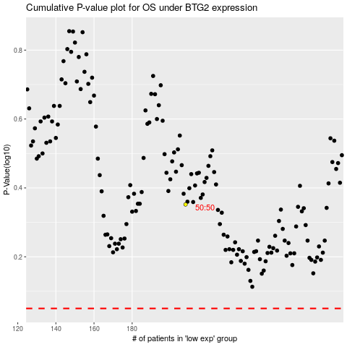

 |  |  |  |  |  | cases_OS | p_OS | rank | exp
 |  |  |  |  |  |  | cases_RFS | p_RFS | rank | exp

