BTN2A2 _multivariate
Reported by Tex Li-Hsing Chi. tex@gate.sinica.edu.tw 2019-08-21

Table 2. The clinicopathological features of HNSCC cohort and BTN2A2 expression. (Chi square test)
Cutoff at -0.257 (50.0%)
 |  | BTN2A2 expression |  | BTN2A2 expression |  | (Optimised)
 | Features | Low | (%) | High | (%) | Case no | P-value | Remark | Matthews
Gender | Female | 154 | 37.1 | 152 | 36.6 | 415 | 0.8463 | 0 | 0
2 | Male | 53 | 12.8 | 56 | 13.5
Age at diagnosis | <=65y | 141 | 34 | 133 | 32 | 415 | 0.4272 | 0 | 0
4 | >65y | 66 | 15.9 | 75 | 18.1
Clinical T Status | T1+T2 | 68 | 16.4 | 81 | 19.5 | 415 | 0.2336 | 0 | 0
6 | T3+T4 | 139 | 33.5 | 127 | 30.6
Clinical N Status | N0 | 124 | 29.9 | 92 | 22.2 | 415 | 0.002 | 1 | 0
8 | N1-3 | 83 | 20 | 116 | 28
Clinical M Status | M0 | 206 | 49.6 | 206 | 49.6 | 415 | 1 | 0 | 0
10 | M1 | 1 | 0.2 | 2 | 0.5
Clinical Stage | Stage I+II | 50 | 12 | 52 | 12.5 | 415 | 0.9315 | 0 | 0
12 | Stage III+IV | 157 | 37.8 | 156 | 37.6
Surgical Margin status | Negative | 160 | 38.6 | 158 | 38.1 | 415 | 0.8167 | 0 | 0
14 | Positive | 47 | 11.3 | 50 | 12
Tobacco Exposure | Low | 82 | 19.8 | 79 | 19 | 415 | 0.763 | 0 | 0
16 | High | 125 | 30.1 | 129 | 31.1

Table 3. Univariate/Multivariate Cox's proportional hazards regression analyses on OS time of BTN2A2 gene expression in HNSCC

 |  | Univariate |  |  |  | Multivariate
 | Features | HR | CI95%(L) | CI95%(H) | P-value | HR | CI95%(L) | CI95%(H) | P-value
1 | Female | 1 |  |  |  | 1
Gender | Male | 1.157 | 0.843 | 1.587 | 0.367 | 1.202 | 0.86 | 1.68 | 0.281
11 | <=65y | 1 |  |  |  | 1
Age at diagnosis | >65y | 1.329 | 0.99 | 1.784 | 0.058 | 1.397 | 1.027 | 1.899 | 0.033
12 | T1+T2 | 1 |  |  |  | 1
Clinical T Status | T3+T4 | 1.409 | 1.028 | 1.931 | 0.033 | 2.194 | 1.161 | 4.148 | 0.016
13 | N0 | 1 |  |  |  | 1
Clinical N Status | N1-3 | 1.185 | 0.89 | 1.577 | 0.246 | 1.258 | 0.878 | 1.802 | 0.211
14 | M0 | 1 |  |  |  | 1
Clinical M Status | M1 | 4.097 | 1.009 | 16.644 | 0.049 | 9.424 | 2.056 | 43.197 | 0.004
15 | Stage I+II | 1 |  |  |  | 1
Clinical Stage | Stage III+IV | 1.245 | 0.882 | 1.759 | 0.213 | 0.5 | 0.233 | 1.074 | 0.075
16 | Negative | 1 |  |  |  | 1
Surgical Margin status | Positive | 1.591 | 1.155 | 2.191 | 0.004 | 1.669 | 1.208 | 2.306 | 0.002
17 | Low | 1 |  |  |  | 1
Tobacco Exposure | High | 1.364 | 1.008 | 1.844 | 0.044 | 1.455 | 1.056 | 2.006 | 0.022
18 | Low | 1 |  |  |  | 1
RNAseq(z-score) | High | 0.952 | 0.714 | 1.268 | 0.736 | 0.932 | 0.696 | 1.248 | 0.637

Table 4. Univariate/Multivariate Cox's proportional hazards regression analyses on RFS time of BTN2A2 gene expression in HNSCC

 |  | Univariate |  |  |  | Multivariate
 | Features | HR | CI95%(L) | CI95%(H) | P-value | HR | CI95%(L) | CI95%(H) | P-value
1 | Female | 1 |  |  |  | 1
Gender | Male | 1.157 | 0.843 | 1.587 | 0.367 | 1.202 | 0.86 | 1.68 | 0.281
11 | <=65y | 1 |  |  |  | 1
Age at diagnosis | >65y | 1.329 | 0.99 | 1.784 | 0.058 | 1.397 | 1.027 | 1.899 | 0.033
12 | T1+T2 | 1 |  |  |  | 1
Clinical T Status | T3+T4 | 1.409 | 1.028 | 1.931 | 0.033 | 2.194 | 1.161 | 4.148 | 0.016
13 | N0 | 1 |  |  |  | 1
Clinical N Status | N1-3 | 1.185 | 0.89 | 1.577 | 0.246 | 1.258 | 0.878 | 1.802 | 0.211
14 | M0 | 1 |  |  |  | 1
Clinical M Status | M1 | 4.097 | 1.009 | 16.644 | 0.049 | 9.424 | 2.056 | 43.197 | 0.004
15 | Stage I+II | 1 |  |  |  | 1
Clinical Stage | Stage III+IV | 1.245 | 0.882 | 1.759 | 0.213 | 0.5 | 0.233 | 1.074 | 0.075
16 | Negative | 1 |  |  |  | 1
Surgical Margin status | Positive | 1.591 | 1.155 | 2.191 | 0.004 | 1.669 | 1.208 | 2.306 | 0.002
17 | Low | 1 |  |  |  | 1
Tobacco Exposure | High | 1.364 | 1.008 | 1.844 | 0.044 | 1.455 | 1.056 | 2.006 | 0.022
18 | Low | 1 |  |  |  | 1
RNAseq(z-score) | High | 0.952 | 0.714 | 1.268 | 0.736 | 0.932 | 0.696 | 1.248 | 0.637

Kaplan-Meier survival estimate: Cutoff at -0.257 (50.0%)



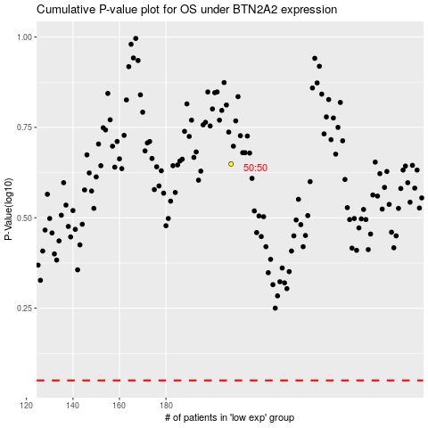

 |  |  |  |  |  | cases_OS | p_OS | rank | exp
 |  |  |  |  |  |  | cases_RFS | p_RFS | rank | exp

