BTN2A3 _multivariate
Reported by Tex Li-Hsing Chi. tex@gate.sinica.edu.tw 2019-08-21

Table 2. The clinicopathological features of HNSCC cohort and BTN2A3 expression. (Chi square test)
Cutoff at 0.183 (60.4%)
 |  | BTN2A3 expression |  | BTN2A3 expression |  | (Optimised)
 | Features | Low | (%) | High | (%) | Case no | P-value | Remark | Matthews
Gender | Female | 188 | 45.3 | 118 | 28.4 | 415 | 0.58 | 0 | 0
2 | Male | 63 | 15.2 | 46 | 11.1
Age at diagnosis | <=65y | 169 | 40.7 | 105 | 25.3 | 415 | 0.5557 | 0 | 0
4 | >65y | 82 | 19.8 | 59 | 14.2
Clinical T Status | T1+T2 | 86 | 20.7 | 63 | 15.2 | 415 | 0.4489 | 0 | 0
6 | T3+T4 | 165 | 39.8 | 101 | 24.3
Clinical N Status | N0 | 131 | 31.6 | 85 | 20.5 | 415 | 1 | 0 | 0
8 | N1-3 | 120 | 28.9 | 79 | 19
Clinical M Status | M0 | 249 | 60 | 163 | 39.3 | 415 | 1 | 0 | 0
10 | M1 | 2 | 0.5 | 1 | 0.2
Clinical Stage | Stage I+II | 58 | 14 | 44 | 10.6 | 415 | 0.4567 | 0 | 0
12 | Stage III+IV | 193 | 46.5 | 120 | 28.9
Surgical Margin status | Negative | 199 | 48 | 119 | 28.7 | 415 | 0.1238 | 0 | 0
14 | Positive | 52 | 12.5 | 45 | 10.8
Tobacco Exposure | Low | 97 | 23.4 | 64 | 15.4 | 415 | 1 | 0 | 0
16 | High | 154 | 37.1 | 100 | 24.1

Table 3. Univariate/Multivariate Cox's proportional hazards regression analyses on OS time of BTN2A3 gene expression in HNSCC

 |  | Univariate |  |  |  | Multivariate
 | Features | HR | CI95%(L) | CI95%(H) | P-value | HR | CI95%(L) | CI95%(H) | P-value
1 | Female | 1 |  |  |  | 1
Gender | Male | 1.157 | 0.843 | 1.587 | 0.367 | 1.225 | 0.875 | 1.713 | 0.237
11 | <=65y | 1 |  |  |  | 1
Age at diagnosis | >65y | 1.329 | 0.99 | 1.784 | 0.058 | 1.409 | 1.036 | 1.917 | 0.029
12 | T1+T2 | 1 |  |  |  | 1
Clinical T Status | T3+T4 | 1.409 | 1.028 | 1.931 | 0.033 | 2.223 | 1.177 | 4.2 | 0.014
13 | N0 | 1 |  |  |  | 1
Clinical N Status | N1-3 | 1.185 | 0.89 | 1.577 | 0.246 | 1.257 | 0.881 | 1.794 | 0.207
14 | M0 | 1 |  |  |  | 1
Clinical M Status | M1 | 4.097 | 1.009 | 16.644 | 0.049 | 8.984 | 1.958 | 41.216 | 0.005
15 | Stage I+II | 1 |  |  |  | 1
Clinical Stage | Stage III+IV | 1.245 | 0.882 | 1.759 | 0.213 | 0.484 | 0.226 | 1.038 | 0.062
16 | Negative | 1 |  |  |  | 1
Surgical Margin status | Positive | 1.591 | 1.155 | 2.191 | 0.004 | 1.765 | 1.274 | 2.446 | 0.001
17 | Low | 1 |  |  |  | 1
Tobacco Exposure | High | 1.364 | 1.008 | 1.844 | 0.044 | 1.458 | 1.057 | 2.012 | 0.022
18 | Low | 1 |  |  |  | 1
RNAseq(z-score) | High | 0.732 | 0.542 | 0.988 | 0.041 | 0.686 | 0.506 | 0.93 | 0.015

Table 4. Univariate/Multivariate Cox's proportional hazards regression analyses on RFS time of BTN2A3 gene expression in HNSCC

 |  | Univariate |  |  |  | Multivariate
 | Features | HR | CI95%(L) | CI95%(H) | P-value | HR | CI95%(L) | CI95%(H) | P-value
1 | Female | 1 |  |  |  | 1
Gender | Male | 1.157 | 0.843 | 1.587 | 0.367 | 1.225 | 0.875 | 1.713 | 0.237
11 | <=65y | 1 |  |  |  | 1
Age at diagnosis | >65y | 1.329 | 0.99 | 1.784 | 0.058 | 1.409 | 1.036 | 1.917 | 0.029
12 | T1+T2 | 1 |  |  |  | 1
Clinical T Status | T3+T4 | 1.409 | 1.028 | 1.931 | 0.033 | 2.223 | 1.177 | 4.2 | 0.014
13 | N0 | 1 |  |  |  | 1
Clinical N Status | N1-3 | 1.185 | 0.89 | 1.577 | 0.246 | 1.257 | 0.881 | 1.794 | 0.207
14 | M0 | 1 |  |  |  | 1
Clinical M Status | M1 | 4.097 | 1.009 | 16.644 | 0.049 | 8.984 | 1.958 | 41.216 | 0.005
15 | Stage I+II | 1 |  |  |  | 1
Clinical Stage | Stage III+IV | 1.245 | 0.882 | 1.759 | 0.213 | 0.484 | 0.226 | 1.038 | 0.062
16 | Negative | 1 |  |  |  | 1
Surgical Margin status | Positive | 1.591 | 1.155 | 2.191 | 0.004 | 1.765 | 1.274 | 2.446 | 0.001
17 | Low | 1 |  |  |  | 1
Tobacco Exposure | High | 1.364 | 1.008 | 1.844 | 0.044 | 1.458 | 1.057 | 2.012 | 0.022
18 | Low | 1 |  |  |  | 1
RNAseq(z-score) | High | 0.732 | 0.542 | 0.988 | 0.041 | 0.686 | 0.506 | 0.93 | 0.015

Kaplan-Meier survival estimate: Cutoff at 0.183 (60.4%)



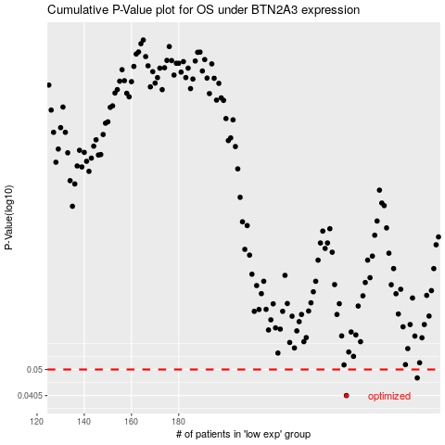

 |  |  |  |  |  | cases_OS | p_OS | rank | exp
 |  |  |  |  |  | 251 | 0.0405 | 272 | 0.18335371899
 |  |  |  |  |  | 281 | 0.0467 | 367 | 0.34840027618
 |  |  |  |  |  |  | cases_RFS | p_RFS | rank | exp
 |  |  |  |  |  |  | 250 | 0.0405 | 263 | 0.17904522519
 |  |  |  |  |  |  | 280 | 0.0467 | 115 | 0.34533335216

