BTN3A2 _multivariate
Reported by Tex Li-Hsing Chi. tex@gate.sinica.edu.tw 2019-08-21

Table 2. The clinicopathological features of HNSCC cohort and BTN3A2 expression. (Chi square test)
Cutoff at -0.164 (49.8%)
 |  | BTN3A2 expression |  | BTN3A2 expression |  | (Optimised)
 | Features | Low | (%) | High | (%) | Case no | P-value | Remark | Matthews
Gender | Female | 155 | 37.3 | 151 | 36.4 | 415 | 0.6768 | 0 | 0
2 | Male | 52 | 12.5 | 57 | 13.7
Age at diagnosis | <=65y | 137 | 33 | 137 | 33 | 415 | 1 | 0 | 0
4 | >65y | 70 | 16.9 | 71 | 17.1
Clinical T Status | T1+T2 | 60 | 14.5 | 89 | 21.4 | 415 | 0.0047 | 1 | 0
6 | T3+T4 | 147 | 35.4 | 119 | 28.7
Clinical N Status | N0 | 110 | 26.5 | 106 | 25.5 | 415 | 0.7294 | 0 | 0
8 | N1-3 | 97 | 23.4 | 102 | 24.6
Clinical M Status | M0 | 207 | 49.9 | 205 | 49.4 | 415 | 0.2482 | 0 | 0
10 | M1 | 0 | 0 | 3 | 0.7
Clinical Stage | Stage I+II | 41 | 9.9 | 61 | 14.7 | 415 | 0.0325 | 1 | 0
12 | Stage III+IV | 166 | 40 | 147 | 35.4
Surgical Margin status | Negative | 158 | 38.1 | 160 | 38.6 | 415 | 0.9081 | 0 | 0
14 | Positive | 49 | 11.8 | 48 | 11.6
Tobacco Exposure | Low | 76 | 18.3 | 85 | 20.5 | 415 | 0.4207 | 0 | 0
16 | High | 131 | 31.6 | 123 | 29.6

Table 3. Univariate/Multivariate Cox's proportional hazards regression analyses on OS time of BTN3A2 gene expression in HNSCC

 |  | Univariate |  |  |  | Multivariate
 | Features | HR | CI95%(L) | CI95%(H) | P-value | HR | CI95%(L) | CI95%(H) | P-value
1 | Female | 1 |  |  |  | 1
Gender | Male | 1.157 | 0.843 | 1.587 | 0.367 | 1.205 | 0.862 | 1.683 | 0.275
11 | <=65y | 1 |  |  |  | 1
Age at diagnosis | >65y | 1.329 | 0.99 | 1.784 | 0.058 | 1.393 | 1.025 | 1.893 | 0.034
12 | T1+T2 | 1 |  |  |  | 1
Clinical T Status | T3+T4 | 1.409 | 1.028 | 1.931 | 0.033 | 2.173 | 1.149 | 4.112 | 0.017
13 | N0 | 1 |  |  |  | 1
Clinical N Status | N1-3 | 1.185 | 0.89 | 1.577 | 0.246 | 1.252 | 0.877 | 1.787 | 0.216
14 | M0 | 1 |  |  |  | 1
Clinical M Status | M1 | 4.097 | 1.009 | 16.644 | 0.049 | 9.971 | 2.162 | 45.993 | 0.003
15 | Stage I+II | 1 |  |  |  | 1
Clinical Stage | Stage III+IV | 1.245 | 0.882 | 1.759 | 0.213 | 0.497 | 0.231 | 1.067 | 0.073
16 | Negative | 1 |  |  |  | 1
Surgical Margin status | Positive | 1.591 | 1.155 | 2.191 | 0.004 | 1.687 | 1.22 | 2.334 | 0.002
17 | Low | 1 |  |  |  | 1
Tobacco Exposure | High | 1.364 | 1.008 | 1.844 | 0.044 | 1.451 | 1.054 | 1.999 | 0.023
18 | Low | 1 |  |  |  | 1
RNAseq(z-score) | High | 0.897 | 0.673 | 1.195 | 0.457 | 0.88 | 0.656 | 1.18 | 0.393

Table 4. Univariate/Multivariate Cox's proportional hazards regression analyses on RFS time of BTN3A2 gene expression in HNSCC

 |  | Univariate |  |  |  | Multivariate
 | Features | HR | CI95%(L) | CI95%(H) | P-value | HR | CI95%(L) | CI95%(H) | P-value
1 | Female | 1 |  |  |  | 1
Gender | Male | 1.157 | 0.843 | 1.587 | 0.367 | 1.205 | 0.862 | 1.683 | 0.275
11 | <=65y | 1 |  |  |  | 1
Age at diagnosis | >65y | 1.329 | 0.99 | 1.784 | 0.058 | 1.393 | 1.025 | 1.893 | 0.034
12 | T1+T2 | 1 |  |  |  | 1
Clinical T Status | T3+T4 | 1.409 | 1.028 | 1.931 | 0.033 | 2.173 | 1.149 | 4.112 | 0.017
13 | N0 | 1 |  |  |  | 1
Clinical N Status | N1-3 | 1.185 | 0.89 | 1.577 | 0.246 | 1.252 | 0.877 | 1.787 | 0.216
14 | M0 | 1 |  |  |  | 1
Clinical M Status | M1 | 4.097 | 1.009 | 16.644 | 0.049 | 9.971 | 2.162 | 45.993 | 0.003
15 | Stage I+II | 1 |  |  |  | 1
Clinical Stage | Stage III+IV | 1.245 | 0.882 | 1.759 | 0.213 | 0.497 | 0.231 | 1.067 | 0.073
16 | Negative | 1 |  |  |  | 1
Surgical Margin status | Positive | 1.591 | 1.155 | 2.191 | 0.004 | 1.687 | 1.22 | 2.334 | 0.002
17 | Low | 1 |  |  |  | 1
Tobacco Exposure | High | 1.364 | 1.008 | 1.844 | 0.044 | 1.451 | 1.054 | 1.999 | 0.023
18 | Low | 1 |  |  |  | 1
RNAseq(z-score) | High | 0.897 | 0.673 | 1.195 | 0.457 | 0.88 | 0.656 | 1.18 | 0.393

Kaplan-Meier survival estimate: Cutoff at -0.164 (49.8%)



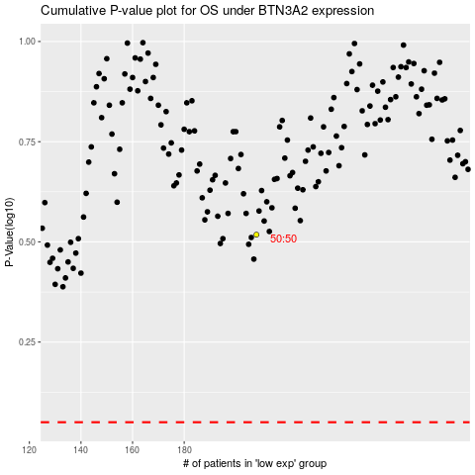

 |  |  |  |  |  | cases_OS | p_OS | rank | exp
 |  |  |  |  |  |  | cases_RFS | p_RFS | rank | exp

