BTN3A3 _multivariate
Reported by Tex Li-Hsing Chi. tex@gate.sinica.edu.tw 2019-08-21

Table 2. The clinicopathological features of HNSCC cohort and BTN3A3 expression. (Chi square test)
Cutoff at -0.21 (49.8%)
 |  | BTN3A3 expression |  | BTN3A3 expression |  | (Optimised)
 | Features | Low | (%) | High | (%) | Case no | P-value | Remark | Matthews
Gender | Female | 161 | 38.8 | 145 | 34.9 | 415 | 0.0792 | 0 | 0
2 | Male | 46 | 11.1 | 63 | 15.2
Age at diagnosis | <=65y | 141 | 34 | 133 | 32 | 415 | 0.4272 | 0 | 0
4 | >65y | 66 | 15.9 | 75 | 18.1
Clinical T Status | T1+T2 | 63 | 15.2 | 86 | 20.7 | 415 | 0.0268 | 1 | 0
6 | T3+T4 | 144 | 34.7 | 122 | 29.4
Clinical N Status | N0 | 106 | 25.5 | 110 | 26.5 | 415 | 0.8075 | 0 | 0
8 | N1-3 | 101 | 24.3 | 98 | 23.6
Clinical M Status | M0 | 206 | 49.6 | 206 | 49.6 | 415 | 1 | 0 | 0
10 | M1 | 1 | 0.2 | 2 | 0.5
Clinical Stage | Stage I+II | 44 | 10.6 | 58 | 14 | 415 | 0.1459 | 0 | 0
12 | Stage III+IV | 163 | 39.3 | 150 | 36.1
Surgical Margin status | Negative | 163 | 39.3 | 155 | 37.3 | 415 | 0.3537 | 0 | 0
14 | Positive | 44 | 10.6 | 53 | 12.8
Tobacco Exposure | Low | 65 | 15.7 | 96 | 23.1 | 415 | 0.0025 | 1 | 0
16 | High | 142 | 34.2 | 112 | 27

Table 3. Univariate/Multivariate Cox's proportional hazards regression analyses on OS time of BTN3A3 gene expression in HNSCC

 |  | Univariate |  |  |  | Multivariate
 | Features | HR | CI95%(L) | CI95%(H) | P-value | HR | CI95%(L) | CI95%(H) | P-value
1 | Female | 1 |  |  |  | 1
Gender | Male | 1.157 | 0.843 | 1.587 | 0.367 | 1.213 | 0.867 | 1.696 | 0.26
11 | <=65y | 1 |  |  |  | 1
Age at diagnosis | >65y | 1.329 | 0.99 | 1.784 | 0.058 | 1.385 | 1.02 | 1.881 | 0.037
12 | T1+T2 | 1 |  |  |  | 1
Clinical T Status | T3+T4 | 1.409 | 1.028 | 1.931 | 0.033 | 2.153 | 1.139 | 4.072 | 0.018
13 | N0 | 1 |  |  |  | 1
Clinical N Status | N1-3 | 1.185 | 0.89 | 1.577 | 0.246 | 1.257 | 0.881 | 1.795 | 0.207
14 | M0 | 1 |  |  |  | 1
Clinical M Status | M1 | 4.097 | 1.009 | 16.644 | 0.049 | 9.873 | 2.151 | 45.312 | 0.003
15 | Stage I+II | 1 |  |  |  | 1
Clinical Stage | Stage III+IV | 1.245 | 0.882 | 1.759 | 0.213 | 0.499 | 0.233 | 1.071 | 0.074
16 | Negative | 1 |  |  |  | 1
Surgical Margin status | Positive | 1.591 | 1.155 | 2.191 | 0.004 | 1.7 | 1.229 | 2.35 | 0.001
17 | Low | 1 |  |  |  | 1
Tobacco Exposure | High | 1.364 | 1.008 | 1.844 | 0.044 | 1.42 | 1.029 | 1.958 | 0.033
18 | Low | 1 |  |  |  | 1
RNAseq(z-score) | High | 0.815 | 0.611 | 1.086 | 0.162 | 0.806 | 0.601 | 1.081 | 0.151

Table 4. Univariate/Multivariate Cox's proportional hazards regression analyses on RFS time of BTN3A3 gene expression in HNSCC

 |  | Univariate |  |  |  | Multivariate
 | Features | HR | CI95%(L) | CI95%(H) | P-value | HR | CI95%(L) | CI95%(H) | P-value
1 | Female | 1 |  |  |  | 1
Gender | Male | 1.157 | 0.843 | 1.587 | 0.367 | 1.213 | 0.867 | 1.696 | 0.26
11 | <=65y | 1 |  |  |  | 1
Age at diagnosis | >65y | 1.329 | 0.99 | 1.784 | 0.058 | 1.385 | 1.02 | 1.881 | 0.037
12 | T1+T2 | 1 |  |  |  | 1
Clinical T Status | T3+T4 | 1.409 | 1.028 | 1.931 | 0.033 | 2.153 | 1.139 | 4.072 | 0.018
13 | N0 | 1 |  |  |  | 1
Clinical N Status | N1-3 | 1.185 | 0.89 | 1.577 | 0.246 | 1.257 | 0.881 | 1.795 | 0.207
14 | M0 | 1 |  |  |  | 1
Clinical M Status | M1 | 4.097 | 1.009 | 16.644 | 0.049 | 9.873 | 2.151 | 45.312 | 0.003
15 | Stage I+II | 1 |  |  |  | 1
Clinical Stage | Stage III+IV | 1.245 | 0.882 | 1.759 | 0.213 | 0.499 | 0.233 | 1.071 | 0.074
16 | Negative | 1 |  |  |  | 1
Surgical Margin status | Positive | 1.591 | 1.155 | 2.191 | 0.004 | 1.7 | 1.229 | 2.35 | 0.001
17 | Low | 1 |  |  |  | 1
Tobacco Exposure | High | 1.364 | 1.008 | 1.844 | 0.044 | 1.42 | 1.029 | 1.958 | 0.033
18 | Low | 1 |  |  |  | 1
RNAseq(z-score) | High | 0.815 | 0.611 | 1.086 | 0.162 | 0.806 | 0.601 | 1.081 | 0.151

Kaplan-Meier survival estimate: Cutoff at -0.21 (49.8%)



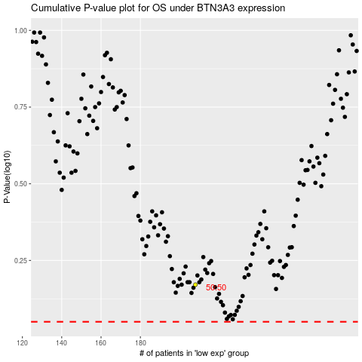

 |  |  |  |  |  | cases_OS | p_OS | rank | exp
 |  |  |  |  |  |  | cases_RFS | p_RFS | rank | exp

