BTNL8 _multivariate
Reported by Tex Li-Hsing Chi. tex@gate.sinica.edu.tw 2019-08-21

Table 2. The clinicopathological features of HNSCC cohort and BTNL8 expression. (Chi square test)
Cutoff at -0.361 (44.9%)
 |  | BTNL8 expression |  | BTNL8 expression |  | (Optimised)
 | Features | Low | (%) | High | (%) | Case no | P-value | Remark | Matthews
Gender | Female | 139 | 33.5 | 167 | 40.2 | 415 | 0.8902 | 0 | 0
2 | Male | 48 | 11.6 | 61 | 14.7
Age at diagnosis | <=65y | 127 | 30.6 | 147 | 35.4 | 415 | 0.5273 | 0 | 0
4 | >65y | 60 | 14.5 | 81 | 19.5
Clinical T Status | T1+T2 | 71 | 17.1 | 78 | 18.8 | 415 | 0.4895 | 0 | 0
6 | T3+T4 | 116 | 28 | 150 | 36.1
Clinical N Status | N0 | 100 | 24.1 | 116 | 28 | 415 | 0.6683 | 0 | 0
8 | N1-3 | 87 | 21 | 112 | 27
Clinical M Status | M0 | 185 | 44.6 | 227 | 54.7 | 415 | 0.5908 | 0 | 0
10 | M1 | 2 | 0.5 | 1 | 0.2
Clinical Stage | Stage I+II | 52 | 12.5 | 50 | 12 | 415 | 0.2044 | 0 | 0
12 | Stage III+IV | 135 | 32.5 | 178 | 42.9
Surgical Margin status | Negative | 144 | 34.7 | 174 | 41.9 | 415 | 0.9075 | 0 | 0
14 | Positive | 43 | 10.4 | 54 | 13
Tobacco Exposure | Low | 71 | 17.1 | 90 | 21.7 | 415 | 0.7624 | 0 | 0
16 | High | 116 | 28 | 138 | 33.3

Table 3. Univariate/Multivariate Cox's proportional hazards regression analyses on OS time of BTNL8 gene expression in HNSCC

 |  | Univariate |  |  |  | Multivariate
 | Features | HR | CI95%(L) | CI95%(H) | P-value | HR | CI95%(L) | CI95%(H) | P-value
1 | Female | 1 |  |  |  | 1
Gender | Male | 1.157 | 0.843 | 1.587 | 0.367 | 1.217 | 0.871 | 1.701 | 0.25
11 | <=65y | 1 |  |  |  | 1
Age at diagnosis | >65y | 1.329 | 0.99 | 1.784 | 0.058 | 1.395 | 1.026 | 1.895 | 0.033
12 | T1+T2 | 1 |  |  |  | 1
Clinical T Status | T3+T4 | 1.409 | 1.028 | 1.931 | 0.033 | 2.217 | 1.173 | 4.192 | 0.014
13 | N0 | 1 |  |  |  | 1
Clinical N Status | N1-3 | 1.185 | 0.89 | 1.577 | 0.246 | 1.256 | 0.881 | 1.791 | 0.209
14 | M0 | 1 |  |  |  | 1
Clinical M Status | M1 | 4.097 | 1.009 | 16.644 | 0.049 | 8.945 | 1.949 | 41.042 | 0.005
15 | Stage I+II | 1 |  |  |  | 1
Clinical Stage | Stage III+IV | 1.245 | 0.882 | 1.759 | 0.213 | 0.505 | 0.235 | 1.084 | 0.08
16 | Negative | 1 |  |  |  | 1
Surgical Margin status | Positive | 1.591 | 1.155 | 2.191 | 0.004 | 1.68 | 1.216 | 2.323 | 0.002
17 | Low | 1 |  |  |  | 1
Tobacco Exposure | High | 1.364 | 1.008 | 1.844 | 0.044 | 1.453 | 1.054 | 2.004 | 0.023
18 | Low | 1 |  |  |  | 1
RNAseq(z-score) | High | 0.732 | 0.55 | 0.976 | 0.033 | 0.727 | 0.545 | 0.969 | 0.03

Table 4. Univariate/Multivariate Cox's proportional hazards regression analyses on RFS time of BTNL8 gene expression in HNSCC

 |  | Univariate |  |  |  | Multivariate
 | Features | HR | CI95%(L) | CI95%(H) | P-value | HR | CI95%(L) | CI95%(H) | P-value
1 | Female | 1 |  |  |  | 1
Gender | Male | 1.157 | 0.843 | 1.587 | 0.367 | 1.217 | 0.871 | 1.701 | 0.25
11 | <=65y | 1 |  |  |  | 1
Age at diagnosis | >65y | 1.329 | 0.99 | 1.784 | 0.058 | 1.395 | 1.026 | 1.895 | 0.033
12 | T1+T2 | 1 |  |  |  | 1
Clinical T Status | T3+T4 | 1.409 | 1.028 | 1.931 | 0.033 | 2.217 | 1.173 | 4.192 | 0.014
13 | N0 | 1 |  |  |  | 1
Clinical N Status | N1-3 | 1.185 | 0.89 | 1.577 | 0.246 | 1.256 | 0.881 | 1.791 | 0.209
14 | M0 | 1 |  |  |  | 1
Clinical M Status | M1 | 4.097 | 1.009 | 16.644 | 0.049 | 8.945 | 1.949 | 41.042 | 0.005
15 | Stage I+II | 1 |  |  |  | 1
Clinical Stage | Stage III+IV | 1.245 | 0.882 | 1.759 | 0.213 | 0.505 | 0.235 | 1.084 | 0.08
16 | Negative | 1 |  |  |  | 1
Surgical Margin status | Positive | 1.591 | 1.155 | 2.191 | 0.004 | 1.68 | 1.216 | 2.323 | 0.002
17 | Low | 1 |  |  |  | 1
Tobacco Exposure | High | 1.364 | 1.008 | 1.844 | 0.044 | 1.453 | 1.054 | 2.004 | 0.023
18 | Low | 1 |  |  |  | 1
RNAseq(z-score) | High | 0.732 | 0.55 | 0.976 | 0.033 | 0.727 | 0.545 | 0.969 | 0.03

Kaplan-Meier survival estimate: Cutoff at -0.361 (44.9%)



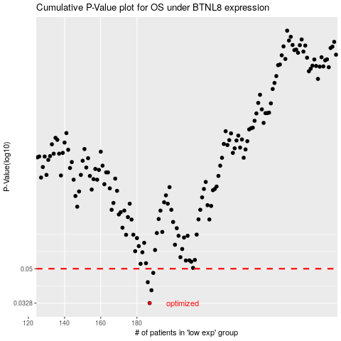

 |  |  |  |  |  | cases_OS | p_OS | rank | exp
 |  |  |  |  |  | 187 | 0.0328 | 102 | -0.36092406077
 |  |  |  |  |  | 188 | 0.0384 | 150 | -0.35754207111
 |  |  |  |  |  | 186 | 0.0424 | 390 | -0.36183057346
 |  |  |  |  |  | 189 | 0.0475 | 111 | -0.35674015604
 |  |  |  |  |  |  | cases_RFS | p_RFS | rank | exp
 |  |  |  |  |  |  | 186 | 0.0328 | 390 | -0.36183057346
 |  |  |  |  |  |  | 187 | 0.0384 | 102 | -0.36092406077
 |  |  |  |  |  |  | 185 | 0.0424 | 185 | -0.36312061075
 |  |  |  |  |  |  | 188 | 0.0475 | 150 | -0.35754207111

