BUB1 _multivariate
Reported by Tex Li-Hsing Chi. tex@gate.sinica.edu.tw 2019-08-21

Table 2. The clinicopathological features of HNSCC cohort and BUB1 expression. (Chi square test)
Cutoff at -0.044 (47.1%)
 |  | BUB1 expression |  | BUB1 expression |  | (Optimised)
 | Features | Low | (%) | High | (%) | Case no | P-value | Remark | Matthews
Gender | Female | 138 | 33.3 | 168 | 40.5 | 415 | 0.1786 | 0 | 0
2 | Male | 58 | 14 | 51 | 12.3
Age at diagnosis | <=65y | 124 | 29.9 | 150 | 36.1 | 415 | 0.3083 | 0 | 0
4 | >65y | 72 | 17.3 | 69 | 16.6
Clinical T Status | T1+T2 | 78 | 18.8 | 71 | 17.1 | 415 | 0.144 | 0 | 0
6 | T3+T4 | 118 | 28.4 | 148 | 35.7
Clinical N Status | N0 | 109 | 26.3 | 107 | 25.8 | 415 | 0.2018 | 1 | 0
8 | N1-3 | 87 | 21 | 112 | 27
Clinical M Status | M0 | 195 | 47 | 217 | 52.3 | 415 | 1 | 0 | 0
10 | M1 | 1 | 0.2 | 2 | 0.5
Clinical Stage | Stage I+II | 54 | 13 | 48 | 11.6 | 415 | 0.2238 | 0 | 0
12 | Stage III+IV | 142 | 34.2 | 171 | 41.2
Surgical Margin status | Negative | 150 | 36.1 | 168 | 40.5 | 415 | 1 | 0 | 0
14 | Positive | 46 | 11.1 | 51 | 12.3
Tobacco Exposure | Low | 90 | 21.7 | 71 | 17.1 | 415 | 0.0064 | 1 | 0
16 | High | 106 | 25.5 | 148 | 35.7

Table 3. Univariate/Multivariate Cox's proportional hazards regression analyses on OS time of BUB1 gene expression in HNSCC

 |  | Univariate |  |  |  | Multivariate
 | Features | HR | CI95%(L) | CI95%(H) | P-value | HR | CI95%(L) | CI95%(H) | P-value
1 | Female | 1 |  |  |  | 1
Gender | Male | 1.157 | 0.843 | 1.587 | 0.367 | 1.281 | 0.913 | 1.796 | 0.151
11 | <=65y | 1 |  |  |  | 1
Age at diagnosis | >65y | 1.329 | 0.99 | 1.784 | 0.058 | 1.403 | 1.033 | 1.906 | 0.03
12 | T1+T2 | 1 |  |  |  | 1
Clinical T Status | T3+T4 | 1.409 | 1.028 | 1.931 | 0.033 | 2.199 | 1.164 | 4.155 | 0.015
13 | N0 | 1 |  |  |  | 1
Clinical N Status | N1-3 | 1.185 | 0.89 | 1.577 | 0.246 | 1.249 | 0.875 | 1.784 | 0.221
14 | M0 | 1 |  |  |  | 1
Clinical M Status | M1 | 4.097 | 1.009 | 16.644 | 0.049 | 9.438 | 2.058 | 43.291 | 0.004
15 | Stage I+II | 1 |  |  |  | 1
Clinical Stage | Stage III+IV | 1.245 | 0.882 | 1.759 | 0.213 | 0.485 | 0.226 | 1.042 | 0.064
16 | Negative | 1 |  |  |  | 1
Surgical Margin status | Positive | 1.591 | 1.155 | 2.191 | 0.004 | 1.705 | 1.234 | 2.357 | 0.001
17 | Low | 1 |  |  |  | 1
Tobacco Exposure | High | 1.364 | 1.008 | 1.844 | 0.044 | 1.426 | 1.035 | 1.966 | 0.03
18 | Low | 1 |  |  |  | 1
RNAseq(z-score) | High | 1.476 | 1.102 | 1.976 | 0.009 | 1.512 | 1.121 | 2.039 | 0.007

Table 4. Univariate/Multivariate Cox's proportional hazards regression analyses on RFS time of BUB1 gene expression in HNSCC

 |  | Univariate |  |  |  | Multivariate
 | Features | HR | CI95%(L) | CI95%(H) | P-value | HR | CI95%(L) | CI95%(H) | P-value
1 | Female | 1 |  |  |  | 1
Gender | Male | 1.157 | 0.843 | 1.587 | 0.367 | 1.281 | 0.913 | 1.796 | 0.151
11 | <=65y | 1 |  |  |  | 1
Age at diagnosis | >65y | 1.329 | 0.99 | 1.784 | 0.058 | 1.403 | 1.033 | 1.906 | 0.03
12 | T1+T2 | 1 |  |  |  | 1
Clinical T Status | T3+T4 | 1.409 | 1.028 | 1.931 | 0.033 | 2.199 | 1.164 | 4.155 | 0.015
13 | N0 | 1 |  |  |  | 1
Clinical N Status | N1-3 | 1.185 | 0.89 | 1.577 | 0.246 | 1.249 | 0.875 | 1.784 | 0.221
14 | M0 | 1 |  |  |  | 1
Clinical M Status | M1 | 4.097 | 1.009 | 16.644 | 0.049 | 9.438 | 2.058 | 43.291 | 0.004
15 | Stage I+II | 1 |  |  |  | 1
Clinical Stage | Stage III+IV | 1.245 | 0.882 | 1.759 | 0.213 | 0.485 | 0.226 | 1.042 | 0.064
16 | Negative | 1 |  |  |  | 1
Surgical Margin status | Positive | 1.591 | 1.155 | 2.191 | 0.004 | 1.705 | 1.234 | 2.357 | 0.001
17 | Low | 1 |  |  |  | 1
Tobacco Exposure | High | 1.364 | 1.008 | 1.844 | 0.044 | 1.426 | 1.035 | 1.966 | 0.03
18 | Low | 1 |  |  |  | 1
RNAseq(z-score) | High | 1.476 | 1.102 | 1.976 | 0.009 | 1.512 | 1.121 | 2.039 | 0.007

Kaplan-Meier survival estimate: Cutoff at -0.044 (47.1%)

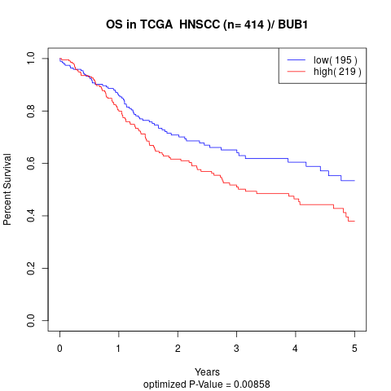

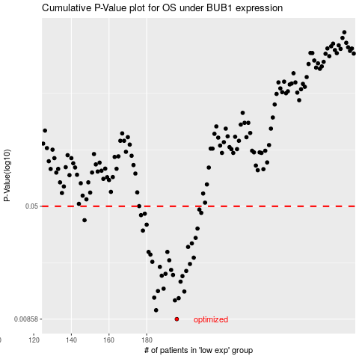

 |  |  |  |  |  | cases_OS | p_OS | rank | exp
 |  |  |  |  |  | 196 | 0.00858 | 58 | -0.044264380067
 |  |  |  |  |  | 185 | 0.00986 | 361 | -0.12228122048
 |  |  |  |  |  | 195 | 0.0115 | 106 | -0.052155233729
 |  |  |  |  |  | 197 | 0.0119 | 161 | -0.039060340342
 |  |  |  |  |  | 184 | 0.012 | 93 | -0.12745037024
 |  |  |  |  |  | 200 | 0.0132 | 97 | -0.031126303188
 |  |  |  |  |  | 186 | 0.0133 | 239 | -0.11120737171
 |  |  |  |  |  | 189 | 0.0138 | 248 | -0.074891771085
 |  |  |  |  |  | 198 | 0.0154 | 243 | -0.034188041348
 |  |  |  |  |  | 199 | 0.0168 | 402 | -0.033139340261
 |  |  |  |  |  | 188 | 0.0169 | 95 | -0.075729130447
 |  |  |  |  |  | 194 | 0.0171 | 131 | -0.052961706885
 |  |  |  |  |  | 190 | 0.0174 | 61 | -0.072990553517
 |  |  |  |  |  | 201 | 0.0182 | 241 | -0.028728046489
 |  |  |  |  |  | 193 | 0.0185 | 313 | -0.057277482205
 |  |  |  |  |  | 187 | 0.0194 | 367 | -0.087211363506
 |  |  |  |  |  | 203 | 0.0203 | 296 | -0.011322525483
 |  |  |  |  |  | 183 | 0.021 | 205 | -0.12912137118
 |  |  |  |  |  | 192 | 0.0215 | 103 | -0.062746628532
 |  |  |  |  |  | 205 | 0.0224 | 308 | 0.0067439031342
 |  |  |  |  |  | 182 | 0.0235 | 252 | -0.15793963128
 |  |  |  |  |  | 191 | 0.0245 | 309 | -0.070975228576
 |  |  |  |  |  | 181 | 0.0245 | 315 | -0.16058697951
 |  |  |  |  |  | 202 | 0.0265 | 193 | -0.015847068677
 |  |  |  |  |  | 204 | 0.028 | 139 | 0.0053414405958
 |  |  |  |  |  | 206 | 0.0305 | 142 | 0.022630280379
 |  |  |  |  |  | 178 | 0.0342 | 253 | -0.19245067672
 |  |  |  |  |  | 207 | 0.0353 | 229 | 0.033061810468
 |  |  |  |  |  | 180 | 0.0375 | 183 | -0.17248417446
 |  |  |  |  |  | 147 | 0.0402 | 276 | -0.42262469314
 |  |  |  |  |  | 177 | 0.0435 | 127 | -0.19938119816
 |  |  |  |  |  | 179 | 0.0445 | 17 | -0.19073420442
 |  |  |  |  |  | 209 | 0.0451 | 222 | 0.037878914668
 |  |  |  |  |  | 208 | 0.0475 | 81 | 0.033173915956
 |  |  |  |  |  |  | cases_RFS | p_RFS | rank | exp
 |  |  |  |  |  |  | 195 | 0.00858 | 106 | -0.052155233729
 |  |  |  |  |  |  | 184 | 0.00986 | 93 | -0.12745037024
 |  |  |  |  |  |  | 194 | 0.0115 | 131 | -0.052961706885
 |  |  |  |  |  |  | 196 | 0.0119 | 58 | -0.044264380067
 |  |  |  |  |  |  | 183 | 0.012 | 205 | -0.12912137118
 |  |  |  |  |  |  | 199 | 0.0132 | 402 | -0.033139340261
 |  |  |  |  |  |  | 185 | 0.0133 | 361 | -0.12228122048
 |  |  |  |  |  |  | 188 | 0.0138 | 95 | -0.075729130447
 |  |  |  |  |  |  | 197 | 0.0154 | 161 | -0.039060340342
 |  |  |  |  |  |  | 198 | 0.0168 | 243 | -0.034188041348
 |  |  |  |  |  |  | 187 | 0.0169 | 367 | -0.087211363506
 |  |  |  |  |  |  | 193 | 0.0171 | 313 | -0.057277482205
 |  |  |  |  |  |  | 189 | 0.0174 | 248 | -0.074891771085
 |  |  |  |  |  |  | 200 | 0.0182 | 97 | -0.031126303188
 |  |  |  |  |  |  | 192 | 0.0185 | 103 | -0.062746628532
 |  |  |  |  |  |  | 186 | 0.0194 | 239 | -0.11120737171
 |  |  |  |  |  |  | 202 | 0.0203 | 193 | -0.015847068677
 |  |  |  |  |  |  | 182 | 0.021 | 252 | -0.15793963128
 |  |  |  |  |  |  | 191 | 0.0215 | 309 | -0.070975228576
 |  |  |  |  |  |  | 204 | 0.0224 | 139 | 0.0053414405958
 |  |  |  |  |  |  | 181 | 0.0235 | 315 | -0.16058697951
 |  |  |  |  |  |  | 190 | 0.0245 | 61 | -0.072990553517
 |  |  |  |  |  |  | 180 | 0.0245 | 183 | -0.17248417446
 |  |  |  |  |  |  | 201 | 0.0265 | 241 | -0.028728046489
 |  |  |  |  |  |  | 203 | 0.028 | 296 | -0.011322525483
 |  |  |  |  |  |  | 205 | 0.0305 | 308 | 0.0067439031342
 |  |  |  |  |  |  | 177 | 0.0342 | 127 | -0.19938119816
 |  |  |  |  |  |  | 206 | 0.0353 | 142 | 0.022630280379
 |  |  |  |  |  |  | 179 | 0.0375 | 17 | -0.19073420442
 |  |  |  |  |  |  | 146 | 0.0402 | 232 | -0.44116127844
 |  |  |  |  |  |  | 176 | 0.0435 | 5 | -0.20325856094
 |  |  |  |  |  |  | 178 | 0.0445 | 253 | -0.19245067672
 |  |  |  |  |  |  | 208 | 0.0451 | 81 | 0.033173915956
 |  |  |  |  |  |  | 207 | 0.0475 | 229 | 0.033061810468

