BVES _multivariate
Reported by Tex Li-Hsing Chi. tex@gate.sinica.edu.tw 2019-08-21

Table 2. The clinicopathological features of HNSCC cohort and BVES expression. (Chi square test)
Cutoff at -0.499 (34.8%)
 |  | BVES expression |  | BVES expression |  | (Optimised)
 | Features | Low | (%) | High | (%) | Case no | P-value | Remark | Matthews
Gender | Female | 106 | 25.5 | 200 | 48.2 | 415 | 1 | 0 | 0
2 | Male | 38 | 9.2 | 71 | 17.1
Age at diagnosis | <=65y | 90 | 21.7 | 184 | 44.3 | 415 | 0.3192 | 0 | 0
4 | >65y | 54 | 13 | 87 | 21
Clinical T Status | T1+T2 | 45 | 10.8 | 104 | 25.1 | 415 | 0.1825 | 0 | 0
6 | T3+T4 | 99 | 23.9 | 167 | 40.2
Clinical N Status | N0 | 83 | 20 | 133 | 32 | 415 | 0.1191 | 0 | 0
8 | N1-3 | 61 | 14.7 | 138 | 33.3
Clinical M Status | M0 | 142 | 34.2 | 270 | 65.1 | 415 | 0.2771 | 0 | 0
10 | M1 | 2 | 0.5 | 1 | 0.2
Clinical Stage | Stage I+II | 30 | 7.2 | 72 | 17.3 | 415 | 0.2412 | 0 | 0
12 | Stage III+IV | 114 | 27.5 | 199 | 48
Surgical Margin status | Negative | 109 | 26.3 | 209 | 50.4 | 415 | 0.8076 | 0 | 0
14 | Positive | 35 | 8.4 | 62 | 14.9
Tobacco Exposure | Low | 57 | 13.7 | 104 | 25.1 | 415 | 0.8328 | 0 | 0
16 | High | 87 | 21 | 167 | 40.2

Table 3. Univariate/Multivariate Cox's proportional hazards regression analyses on OS time of BVES gene expression in HNSCC

 |  | Univariate |  |  |  | Multivariate
 | Features | HR | CI95%(L) | CI95%(H) | P-value | HR | CI95%(L) | CI95%(H) | P-value
1 | Female | 1 |  |  |  | 1
Gender | Male | 1.157 | 0.843 | 1.587 | 0.367 | 1.251 | 0.895 | 1.749 | 0.189
11 | <=65y | 1 |  |  |  | 1
Age at diagnosis | >65y | 1.329 | 0.99 | 1.784 | 0.058 | 1.377 | 1.013 | 1.871 | 0.041
12 | T1+T2 | 1 |  |  |  | 1
Clinical T Status | T3+T4 | 1.409 | 1.028 | 1.931 | 0.033 | 2.221 | 1.173 | 4.205 | 0.014
13 | N0 | 1 |  |  |  | 1
Clinical N Status | N1-3 | 1.185 | 0.89 | 1.577 | 0.246 | 1.173 | 0.819 | 1.679 | 0.384
14 | M0 | 1 |  |  |  | 1
Clinical M Status | M1 | 4.097 | 1.009 | 16.644 | 0.049 | 10.703 | 2.326 | 49.257 | 0.002
15 | Stage I+II | 1 |  |  |  | 1
Clinical Stage | Stage III+IV | 1.245 | 0.882 | 1.759 | 0.213 | 0.523 | 0.244 | 1.125 | 0.097
16 | Negative | 1 |  |  |  | 1
Surgical Margin status | Positive | 1.591 | 1.155 | 2.191 | 0.004 | 1.727 | 1.248 | 2.39 | 0.001
17 | Low | 1 |  |  |  | 1
Tobacco Exposure | High | 1.364 | 1.008 | 1.844 | 0.044 | 1.456 | 1.058 | 2.006 | 0.021
18 | Low | 1 |  |  |  | 1
RNAseq(z-score) | High | 1.412 | 1.032 | 1.931 | 0.031 | 1.5 | 1.091 | 2.062 | 0.012

Table 4. Univariate/Multivariate Cox's proportional hazards regression analyses on RFS time of BVES gene expression in HNSCC

 |  | Univariate |  |  |  | Multivariate
 | Features | HR | CI95%(L) | CI95%(H) | P-value | HR | CI95%(L) | CI95%(H) | P-value
1 | Female | 1 |  |  |  | 1
Gender | Male | 1.157 | 0.843 | 1.587 | 0.367 | 1.251 | 0.895 | 1.749 | 0.189
11 | <=65y | 1 |  |  |  | 1
Age at diagnosis | >65y | 1.329 | 0.99 | 1.784 | 0.058 | 1.377 | 1.013 | 1.871 | 0.041
12 | T1+T2 | 1 |  |  |  | 1
Clinical T Status | T3+T4 | 1.409 | 1.028 | 1.931 | 0.033 | 2.221 | 1.173 | 4.205 | 0.014
13 | N0 | 1 |  |  |  | 1
Clinical N Status | N1-3 | 1.185 | 0.89 | 1.577 | 0.246 | 1.173 | 0.819 | 1.679 | 0.384
14 | M0 | 1 |  |  |  | 1
Clinical M Status | M1 | 4.097 | 1.009 | 16.644 | 0.049 | 10.703 | 2.326 | 49.257 | 0.002
15 | Stage I+II | 1 |  |  |  | 1
Clinical Stage | Stage III+IV | 1.245 | 0.882 | 1.759 | 0.213 | 0.523 | 0.244 | 1.125 | 0.097
16 | Negative | 1 |  |  |  | 1
Surgical Margin status | Positive | 1.591 | 1.155 | 2.191 | 0.004 | 1.727 | 1.248 | 2.39 | 0.001
17 | Low | 1 |  |  |  | 1
Tobacco Exposure | High | 1.364 | 1.008 | 1.844 | 0.044 | 1.456 | 1.058 | 2.006 | 0.021
18 | Low | 1 |  |  |  | 1
RNAseq(z-score) | High | 1.412 | 1.032 | 1.931 | 0.031 | 1.5 | 1.091 | 2.062 | 0.012

Kaplan-Meier survival estimate: Cutoff at -0.499 (34.8%)



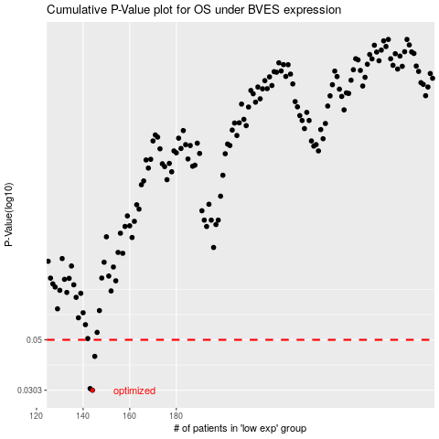

 |  |  |  |  |  | cases_OS | p_OS | rank | exp
 |  |  |  |  |  | 144 | 0.0303 | 213 | -0.49912144046
 |  |  |  |  |  | 143 | 0.0308 | 291 | -0.50191224266
 |  |  |  |  |  | 145 | 0.0424 | 220 | -0.49709829199
 |  |  |  |  |  |  | cases_RFS | p_RFS | rank | exp
 |  |  |  |  |  |  | 143 | 0.0303 | 291 | -0.50191224266
 |  |  |  |  |  |  | 142 | 0.0308 | 219 | -0.50219986864
 |  |  |  |  |  |  | 144 | 0.0424 | 213 | -0.49912144046

