C1D _multivariate
Reported by Tex Li-Hsing Chi. tex@gate.sinica.edu.tw 2019-08-21

Table 2. The clinicopathological features of HNSCC cohort and C1D expression. (Chi square test)
Cutoff at -0.118 (50.0%)
 |  | C1D expression |  | C1D expression |  | (Optimised)
 | Features | Low | (%) | High | (%) | Case no | P-value | Remark | Matthews
Gender | Female | 151 | 36.4 | 155 | 37.3 | 415 | 0.8007 | 0 | 0
2 | Male | 56 | 13.5 | 53 | 12.8
Age at diagnosis | <=65y | 138 | 33.3 | 136 | 32.8 | 415 | 0.8634 | 0 | 0
4 | >65y | 69 | 16.6 | 72 | 17.3
Clinical T Status | T1+T2 | 77 | 18.6 | 72 | 17.3 | 415 | 0.6556 | 0 | 0
6 | T3+T4 | 130 | 31.3 | 136 | 32.8
Clinical N Status | N0 | 104 | 25.1 | 112 | 27 | 415 | 0.5243 | 0 | 0
8 | N1-3 | 103 | 24.8 | 96 | 23.1
Clinical M Status | M0 | 206 | 49.6 | 206 | 49.6 | 415 | 1 | 0 | 0
10 | M1 | 1 | 0.2 | 2 | 0.5
Clinical Stage | Stage I+II | 50 | 12 | 52 | 12.5 | 415 | 0.9315 | 0 | 0
12 | Stage III+IV | 157 | 37.8 | 156 | 37.6
Surgical Margin status | Negative | 166 | 40 | 152 | 36.6 | 415 | 0.1042 | 0 | 0
14 | Positive | 41 | 9.9 | 56 | 13.5
Tobacco Exposure | Low | 80 | 19.3 | 81 | 19.5 | 415 | 1 | 0 | 0
16 | High | 127 | 30.6 | 127 | 30.6

Table 3. Univariate/Multivariate Cox's proportional hazards regression analyses on OS time of C1D gene expression in HNSCC

 |  | Univariate |  |  |  | Multivariate
 | Features | HR | CI95%(L) | CI95%(H) | P-value | HR | CI95%(L) | CI95%(H) | P-value
1 | Female | 1 |  |  |  | 1
Gender | Male | 1.157 | 0.843 | 1.587 | 0.367 | 1.194 | 0.854 | 1.669 | 0.299
11 | <=65y | 1 |  |  |  | 1
Age at diagnosis | >65y | 1.329 | 0.99 | 1.784 | 0.058 | 1.399 | 1.029 | 1.902 | 0.032
12 | T1+T2 | 1 |  |  |  | 1
Clinical T Status | T3+T4 | 1.409 | 1.028 | 1.931 | 0.033 | 2.171 | 1.147 | 4.11 | 0.017
13 | N0 | 1 |  |  |  | 1
Clinical N Status | N1-3 | 1.185 | 0.89 | 1.577 | 0.246 | 1.242 | 0.871 | 1.773 | 0.232
14 | M0 | 1 |  |  |  | 1
Clinical M Status | M1 | 4.097 | 1.009 | 16.644 | 0.049 | 9.122 | 1.985 | 41.912 | 0.004
15 | Stage I+II | 1 |  |  |  | 1
Clinical Stage | Stage III+IV | 1.245 | 0.882 | 1.759 | 0.213 | 0.515 | 0.239 | 1.106 | 0.089
16 | Negative | 1 |  |  |  | 1
Surgical Margin status | Positive | 1.591 | 1.155 | 2.191 | 0.004 | 1.644 | 1.186 | 2.279 | 0.003
17 | Low | 1 |  |  |  | 1
Tobacco Exposure | High | 1.364 | 1.008 | 1.844 | 0.044 | 1.444 | 1.048 | 1.99 | 0.025
18 | Low | 1 |  |  |  | 1
RNAseq(z-score) | High | 1.19 | 0.893 | 1.586 | 0.234 | 1.11 | 0.828 | 1.487 | 0.485

Table 4. Univariate/Multivariate Cox's proportional hazards regression analyses on RFS time of C1D gene expression in HNSCC

 |  | Univariate |  |  |  | Multivariate
 | Features | HR | CI95%(L) | CI95%(H) | P-value | HR | CI95%(L) | CI95%(H) | P-value
1 | Female | 1 |  |  |  | 1
Gender | Male | 1.157 | 0.843 | 1.587 | 0.367 | 1.194 | 0.854 | 1.669 | 0.299
11 | <=65y | 1 |  |  |  | 1
Age at diagnosis | >65y | 1.329 | 0.99 | 1.784 | 0.058 | 1.399 | 1.029 | 1.902 | 0.032
12 | T1+T2 | 1 |  |  |  | 1
Clinical T Status | T3+T4 | 1.409 | 1.028 | 1.931 | 0.033 | 2.171 | 1.147 | 4.11 | 0.017
13 | N0 | 1 |  |  |  | 1
Clinical N Status | N1-3 | 1.185 | 0.89 | 1.577 | 0.246 | 1.242 | 0.871 | 1.773 | 0.232
14 | M0 | 1 |  |  |  | 1
Clinical M Status | M1 | 4.097 | 1.009 | 16.644 | 0.049 | 9.122 | 1.985 | 41.912 | 0.004
15 | Stage I+II | 1 |  |  |  | 1
Clinical Stage | Stage III+IV | 1.245 | 0.882 | 1.759 | 0.213 | 0.515 | 0.239 | 1.106 | 0.089
16 | Negative | 1 |  |  |  | 1
Surgical Margin status | Positive | 1.591 | 1.155 | 2.191 | 0.004 | 1.644 | 1.186 | 2.279 | 0.003
17 | Low | 1 |  |  |  | 1
Tobacco Exposure | High | 1.364 | 1.008 | 1.844 | 0.044 | 1.444 | 1.048 | 1.99 | 0.025
18 | Low | 1 |  |  |  | 1
RNAseq(z-score) | High | 1.19 | 0.893 | 1.586 | 0.234 | 1.11 | 0.828 | 1.487 | 0.485

Kaplan-Meier survival estimate: Cutoff at -0.118 (50.0%)



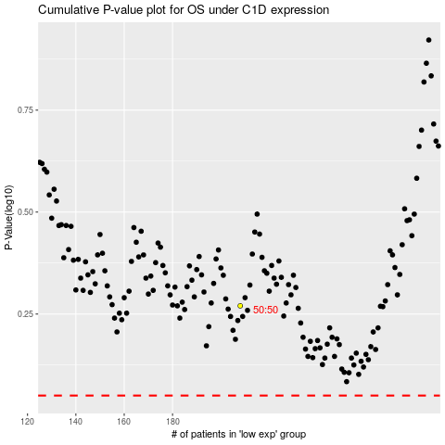

 |  |  |  |  |  | cases_OS | p_OS | rank | exp
 |  |  |  |  |  |  | cases_RFS | p_RFS | rank | exp

