C1QBP _multivariate
Reported by Tex Li-Hsing Chi. tex@gate.sinica.edu.tw 2019-08-21

Table 2. The clinicopathological features of HNSCC cohort and C1QBP expression. (Chi square test)
Cutoff at -0.183 (49.8%)
 |  | C1QBP expression |  | C1QBP expression |  | (Optimised)
 | Features | Low | (%) | High | (%) | Case no | P-value | Remark | Matthews
Gender | Female | 151 | 36.4 | 155 | 37.3 | 415 | 0.8007 | 0 | 0
2 | Male | 56 | 13.5 | 53 | 12.8
Age at diagnosis | <=65y | 149 | 35.9 | 125 | 30.1 | 415 | 0.0142 | 1 | 0
4 | >65y | 58 | 14 | 83 | 20
Clinical T Status | T1+T2 | 84 | 20.2 | 65 | 15.7 | 415 | 0.0603 | 0 | 0
6 | T3+T4 | 123 | 29.6 | 143 | 34.5
Clinical N Status | N0 | 106 | 25.5 | 110 | 26.5 | 415 | 0.8075 | 0 | 0
8 | N1-3 | 101 | 24.3 | 98 | 23.6
Clinical M Status | M0 | 207 | 49.9 | 205 | 49.4 | 415 | 0.2482 | 0 | 0
10 | M1 | 0 | 0 | 3 | 0.7
Clinical Stage | Stage I+II | 57 | 13.7 | 45 | 10.8 | 415 | 0.1998 | 0 | 0
12 | Stage III+IV | 150 | 36.1 | 163 | 39.3
Surgical Margin status | Negative | 163 | 39.3 | 155 | 37.3 | 415 | 0.3537 | 0 | 0
14 | Positive | 44 | 10.6 | 53 | 12.8
Tobacco Exposure | Low | 87 | 21 | 74 | 17.8 | 415 | 0.1911 | 0 | 0
16 | High | 120 | 28.9 | 134 | 32.3

Table 3. Univariate/Multivariate Cox's proportional hazards regression analyses on OS time of C1QBP gene expression in HNSCC

 |  | Univariate |  |  |  | Multivariate
 | Features | HR | CI95%(L) | CI95%(H) | P-value | HR | CI95%(L) | CI95%(H) | P-value
1 | Female | 1 |  |  |  | 1
Gender | Male | 1.157 | 0.843 | 1.587 | 0.367 | 1.201 | 0.859 | 1.679 | 0.283
11 | <=65y | 1 |  |  |  | 1
Age at diagnosis | >65y | 1.329 | 0.99 | 1.784 | 0.058 | 1.391 | 1.023 | 1.892 | 0.035
12 | T1+T2 | 1 |  |  |  | 1
Clinical T Status | T3+T4 | 1.409 | 1.028 | 1.931 | 0.033 | 2.2 | 1.162 | 4.166 | 0.015
13 | N0 | 1 |  |  |  | 1
Clinical N Status | N1-3 | 1.185 | 0.89 | 1.577 | 0.246 | 1.241 | 0.87 | 1.772 | 0.234
14 | M0 | 1 |  |  |  | 1
Clinical M Status | M1 | 4.097 | 1.009 | 16.644 | 0.049 | 9.36 | 2.017 | 43.445 | 0.004
15 | Stage I+II | 1 |  |  |  | 1
Clinical Stage | Stage III+IV | 1.245 | 0.882 | 1.759 | 0.213 | 0.505 | 0.235 | 1.084 | 0.08
16 | Negative | 1 |  |  |  | 1
Surgical Margin status | Positive | 1.591 | 1.155 | 2.191 | 0.004 | 1.671 | 1.209 | 2.31 | 0.002
17 | Low | 1 |  |  |  | 1
Tobacco Exposure | High | 1.364 | 1.008 | 1.844 | 0.044 | 1.452 | 1.054 | 2.002 | 0.023
18 | Low | 1 |  |  |  | 1
RNAseq(z-score) | High | 1.123 | 0.843 | 1.496 | 0.428 | 1.007 | 0.753 | 1.348 | 0.961

Table 4. Univariate/Multivariate Cox's proportional hazards regression analyses on RFS time of C1QBP gene expression in HNSCC

 |  | Univariate |  |  |  | Multivariate
 | Features | HR | CI95%(L) | CI95%(H) | P-value | HR | CI95%(L) | CI95%(H) | P-value
1 | Female | 1 |  |  |  | 1
Gender | Male | 1.157 | 0.843 | 1.587 | 0.367 | 1.201 | 0.859 | 1.679 | 0.283
11 | <=65y | 1 |  |  |  | 1
Age at diagnosis | >65y | 1.329 | 0.99 | 1.784 | 0.058 | 1.391 | 1.023 | 1.892 | 0.035
12 | T1+T2 | 1 |  |  |  | 1
Clinical T Status | T3+T4 | 1.409 | 1.028 | 1.931 | 0.033 | 2.2 | 1.162 | 4.166 | 0.015
13 | N0 | 1 |  |  |  | 1
Clinical N Status | N1-3 | 1.185 | 0.89 | 1.577 | 0.246 | 1.241 | 0.87 | 1.772 | 0.234
14 | M0 | 1 |  |  |  | 1
Clinical M Status | M1 | 4.097 | 1.009 | 16.644 | 0.049 | 9.36 | 2.017 | 43.445 | 0.004
15 | Stage I+II | 1 |  |  |  | 1
Clinical Stage | Stage III+IV | 1.245 | 0.882 | 1.759 | 0.213 | 0.505 | 0.235 | 1.084 | 0.08
16 | Negative | 1 |  |  |  | 1
Surgical Margin status | Positive | 1.591 | 1.155 | 2.191 | 0.004 | 1.671 | 1.209 | 2.31 | 0.002
17 | Low | 1 |  |  |  | 1
Tobacco Exposure | High | 1.364 | 1.008 | 1.844 | 0.044 | 1.452 | 1.054 | 2.002 | 0.023
18 | Low | 1 |  |  |  | 1
RNAseq(z-score) | High | 1.123 | 0.843 | 1.496 | 0.428 | 1.007 | 0.753 | 1.348 | 0.961

Kaplan-Meier survival estimate: Cutoff at -0.183 (49.8%)



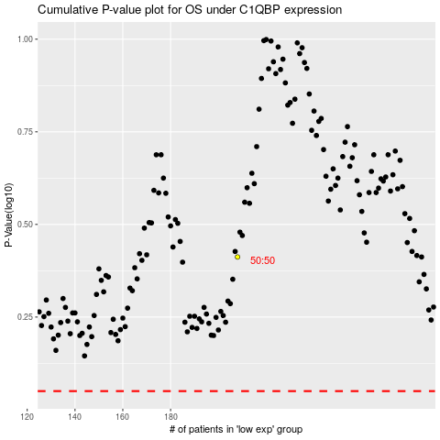

 |  |  |  |  |  | cases_OS | p_OS | rank | exp
 |  |  |  |  |  |  | cases_RFS | p_RFS | rank | exp

