C1QC _multivariate
Reported by Tex Li-Hsing Chi. tex@gate.sinica.edu.tw 2019-08-21

Table 2. The clinicopathological features of HNSCC cohort and C1QC expression. (Chi square test)
Cutoff at -0.313 (49.8%)
 |  | C1QC expression |  | C1QC expression |  | (Optimised)
 | Features | Low | (%) | High | (%) | Case no | P-value | Remark | Matthews
Gender | Female | 161 | 38.8 | 145 | 34.9 | 415 | 0.0792 | 0 | 0
2 | Male | 46 | 11.1 | 63 | 15.2
Age at diagnosis | <=65y | 142 | 34.2 | 132 | 31.8 | 415 | 0.3167 | 0 | 0
4 | >65y | 65 | 15.7 | 76 | 18.3
Clinical T Status | T1+T2 | 74 | 17.8 | 75 | 18.1 | 415 | 1 | 0 | 0
6 | T3+T4 | 133 | 32 | 133 | 32
Clinical N Status | N0 | 120 | 28.9 | 96 | 23.1 | 415 | 0.0208 | 1 | 0
8 | N1-3 | 87 | 21 | 112 | 27
Clinical M Status | M0 | 207 | 49.9 | 205 | 49.4 | 415 | 0.2482 | 0 | 0
10 | M1 | 0 | 0 | 3 | 0.7
Clinical Stage | Stage I+II | 53 | 12.8 | 49 | 11.8 | 415 | 0.7113 | 0 | 0
12 | Stage III+IV | 154 | 37.1 | 159 | 38.3
Surgical Margin status | Negative | 157 | 37.8 | 161 | 38.8 | 415 | 0.729 | 0 | 0
14 | Positive | 50 | 12 | 47 | 11.3
Tobacco Exposure | Low | 70 | 16.9 | 91 | 21.9 | 415 | 0.0439 | 1 | 0
16 | High | 137 | 33 | 117 | 28.2

Table 3. Univariate/Multivariate Cox's proportional hazards regression analyses on OS time of C1QC gene expression in HNSCC

 |  | Univariate |  |  |  | Multivariate
 | Features | HR | CI95%(L) | CI95%(H) | P-value | HR | CI95%(L) | CI95%(H) | P-value
1 | Female | 1 |  |  |  | 1
Gender | Male | 1.157 | 0.843 | 1.587 | 0.367 | 1.202 | 0.86 | 1.679 | 0.281
11 | <=65y | 1 |  |  |  | 1
Age at diagnosis | >65y | 1.329 | 0.99 | 1.784 | 0.058 | 1.392 | 1.024 | 1.893 | 0.035
12 | T1+T2 | 1 |  |  |  | 1
Clinical T Status | T3+T4 | 1.409 | 1.028 | 1.931 | 0.033 | 2.209 | 1.166 | 4.184 | 0.015
13 | N0 | 1 |  |  |  | 1
Clinical N Status | N1-3 | 1.185 | 0.89 | 1.577 | 0.246 | 1.247 | 0.868 | 1.791 | 0.233
14 | M0 | 1 |  |  |  | 1
Clinical M Status | M1 | 4.097 | 1.009 | 16.644 | 0.049 | 9.507 | 2.056 | 43.968 | 0.004
15 | Stage I+II | 1 |  |  |  | 1
Clinical Stage | Stage III+IV | 1.245 | 0.882 | 1.759 | 0.213 | 0.502 | 0.233 | 1.082 | 0.079
16 | Negative | 1 |  |  |  | 1
Surgical Margin status | Positive | 1.591 | 1.155 | 2.191 | 0.004 | 1.672 | 1.21 | 2.311 | 0.002
17 | Low | 1 |  |  |  | 1
Tobacco Exposure | High | 1.364 | 1.008 | 1.844 | 0.044 | 1.45 | 1.05 | 2.001 | 0.024
18 | Low | 1 |  |  |  | 1
RNAseq(z-score) | High | 1.02 | 0.765 | 1.359 | 0.894 | 0.981 | 0.729 | 1.319 | 0.899

Table 4. Univariate/Multivariate Cox's proportional hazards regression analyses on RFS time of C1QC gene expression in HNSCC

 |  | Univariate |  |  |  | Multivariate
 | Features | HR | CI95%(L) | CI95%(H) | P-value | HR | CI95%(L) | CI95%(H) | P-value
1 | Female | 1 |  |  |  | 1
Gender | Male | 1.157 | 0.843 | 1.587 | 0.367 | 1.202 | 0.86 | 1.679 | 0.281
11 | <=65y | 1 |  |  |  | 1
Age at diagnosis | >65y | 1.329 | 0.99 | 1.784 | 0.058 | 1.392 | 1.024 | 1.893 | 0.035
12 | T1+T2 | 1 |  |  |  | 1
Clinical T Status | T3+T4 | 1.409 | 1.028 | 1.931 | 0.033 | 2.209 | 1.166 | 4.184 | 0.015
13 | N0 | 1 |  |  |  | 1
Clinical N Status | N1-3 | 1.185 | 0.89 | 1.577 | 0.246 | 1.247 | 0.868 | 1.791 | 0.233
14 | M0 | 1 |  |  |  | 1
Clinical M Status | M1 | 4.097 | 1.009 | 16.644 | 0.049 | 9.507 | 2.056 | 43.968 | 0.004
15 | Stage I+II | 1 |  |  |  | 1
Clinical Stage | Stage III+IV | 1.245 | 0.882 | 1.759 | 0.213 | 0.502 | 0.233 | 1.082 | 0.079
16 | Negative | 1 |  |  |  | 1
Surgical Margin status | Positive | 1.591 | 1.155 | 2.191 | 0.004 | 1.672 | 1.21 | 2.311 | 0.002
17 | Low | 1 |  |  |  | 1
Tobacco Exposure | High | 1.364 | 1.008 | 1.844 | 0.044 | 1.45 | 1.05 | 2.001 | 0.024
18 | Low | 1 |  |  |  | 1
RNAseq(z-score) | High | 1.02 | 0.765 | 1.359 | 0.894 | 0.981 | 0.729 | 1.319 | 0.899

Kaplan-Meier survival estimate: Cutoff at -0.313 (49.8%)

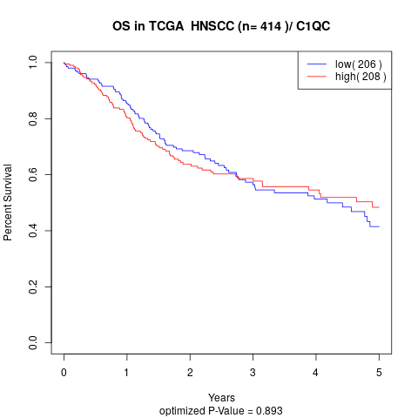

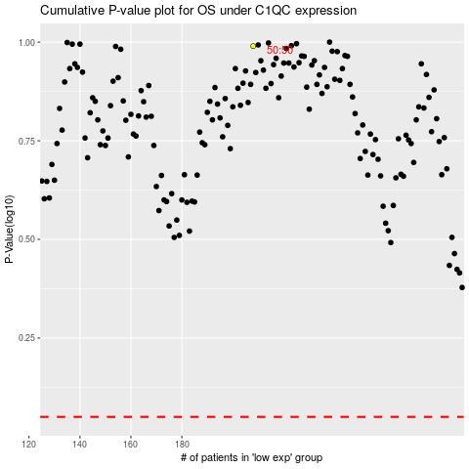

 |  |  |  |  |  | cases_OS | p_OS | rank | exp
 |  |  |  |  |  |  | cases_RFS | p_RFS | rank | exp

