C1QTNF1 _multivariate
Reported by Tex Li-Hsing Chi. tex@gate.sinica.edu.tw 2019-08-21

Table 2. The clinicopathological features of HNSCC cohort and C1QTNF1 expression. (Chi square test)
Cutoff at -0.198 (50.0%)
 |  | C1QTNF1 expression |  | C1QTNF1 expression |  | (Optimised)
 | Features | Low | (%) | High | (%) | Case no | P-value | Remark | Matthews
Gender | Female | 161 | 38.8 | 145 | 34.9 | 415 | 0.0792 | 0 | 0
2 | Male | 46 | 11.1 | 63 | 15.2
Age at diagnosis | <=65y | 132 | 31.8 | 142 | 34.2 | 415 | 0.3874 | 0 | 0
4 | >65y | 75 | 18.1 | 66 | 15.9
Clinical T Status | T1+T2 | 74 | 17.8 | 75 | 18.1 | 415 | 1 | 0 | 0
6 | T3+T4 | 133 | 32 | 133 | 32
Clinical N Status | N0 | 109 | 26.3 | 107 | 25.8 | 415 | 0.8812 | 0 | 0
8 | N1-3 | 98 | 23.6 | 101 | 24.3
Clinical M Status | M0 | 204 | 49.2 | 208 | 50.1 | 415 | 0.1232 | 0 | 0
10 | M1 | 3 | 0.7 | 0 | 0
Clinical Stage | Stage I+II | 46 | 11.1 | 56 | 13.5 | 415 | 0.3182 | 0 | 0
12 | Stage III+IV | 161 | 38.8 | 152 | 36.6
Surgical Margin status | Negative | 159 | 38.3 | 159 | 38.3 | 415 | 1 | 0 | 0
14 | Positive | 48 | 11.6 | 49 | 11.8
Tobacco Exposure | Low | 83 | 20 | 78 | 18.8 | 415 | 0.6152 | 0 | 0
16 | High | 124 | 29.9 | 130 | 31.3

Table 3. Univariate/Multivariate Cox's proportional hazards regression analyses on OS time of C1QTNF1 gene expression in HNSCC

 |  | Univariate |  |  |  | Multivariate
 | Features | HR | CI95%(L) | CI95%(H) | P-value | HR | CI95%(L) | CI95%(H) | P-value
1 | Female | 1 |  |  |  | 1
Gender | Male | 1.157 | 0.843 | 1.587 | 0.367 | 1.248 | 0.89 | 1.749 | 0.2
11 | <=65y | 1 |  |  |  | 1
Age at diagnosis | >65y | 1.329 | 0.99 | 1.784 | 0.058 | 1.363 | 1.002 | 1.853 | 0.048
12 | T1+T2 | 1 |  |  |  | 1
Clinical T Status | T3+T4 | 1.409 | 1.028 | 1.931 | 0.033 | 2.274 | 1.201 | 4.304 | 0.012
13 | N0 | 1 |  |  |  | 1
Clinical N Status | N1-3 | 1.185 | 0.89 | 1.577 | 0.246 | 1.259 | 0.882 | 1.798 | 0.204
14 | M0 | 1 |  |  |  | 1
Clinical M Status | M1 | 4.097 | 1.009 | 16.644 | 0.049 | 8.738 | 1.9 | 40.179 | 0.005
15 | Stage I+II | 1 |  |  |  | 1
Clinical Stage | Stage III+IV | 1.245 | 0.882 | 1.759 | 0.213 | 0.48 | 0.223 | 1.033 | 0.061
16 | Negative | 1 |  |  |  | 1
Surgical Margin status | Positive | 1.591 | 1.155 | 2.191 | 0.004 | 1.682 | 1.217 | 2.325 | 0.002
17 | Low | 1 |  |  |  | 1
Tobacco Exposure | High | 1.364 | 1.008 | 1.844 | 0.044 | 1.476 | 1.07 | 2.035 | 0.018
18 | Low | 1 |  |  |  | 1
RNAseq(z-score) | High | 0.832 | 0.623 | 1.111 | 0.213 | 0.8 | 0.594 | 1.077 | 0.142

Table 4. Univariate/Multivariate Cox's proportional hazards regression analyses on RFS time of C1QTNF1 gene expression in HNSCC

 |  | Univariate |  |  |  | Multivariate
 | Features | HR | CI95%(L) | CI95%(H) | P-value | HR | CI95%(L) | CI95%(H) | P-value
1 | Female | 1 |  |  |  | 1
Gender | Male | 1.157 | 0.843 | 1.587 | 0.367 | 1.248 | 0.89 | 1.749 | 0.2
11 | <=65y | 1 |  |  |  | 1
Age at diagnosis | >65y | 1.329 | 0.99 | 1.784 | 0.058 | 1.363 | 1.002 | 1.853 | 0.048
12 | T1+T2 | 1 |  |  |  | 1
Clinical T Status | T3+T4 | 1.409 | 1.028 | 1.931 | 0.033 | 2.274 | 1.201 | 4.304 | 0.012
13 | N0 | 1 |  |  |  | 1
Clinical N Status | N1-3 | 1.185 | 0.89 | 1.577 | 0.246 | 1.259 | 0.882 | 1.798 | 0.204
14 | M0 | 1 |  |  |  | 1
Clinical M Status | M1 | 4.097 | 1.009 | 16.644 | 0.049 | 8.738 | 1.9 | 40.179 | 0.005
15 | Stage I+II | 1 |  |  |  | 1
Clinical Stage | Stage III+IV | 1.245 | 0.882 | 1.759 | 0.213 | 0.48 | 0.223 | 1.033 | 0.061
16 | Negative | 1 |  |  |  | 1
Surgical Margin status | Positive | 1.591 | 1.155 | 2.191 | 0.004 | 1.682 | 1.217 | 2.325 | 0.002
17 | Low | 1 |  |  |  | 1
Tobacco Exposure | High | 1.364 | 1.008 | 1.844 | 0.044 | 1.476 | 1.07 | 2.035 | 0.018
18 | Low | 1 |  |  |  | 1
RNAseq(z-score) | High | 0.832 | 0.623 | 1.111 | 0.213 | 0.8 | 0.594 | 1.077 | 0.142

Kaplan-Meier survival estimate: Cutoff at -0.198 (50.0%)



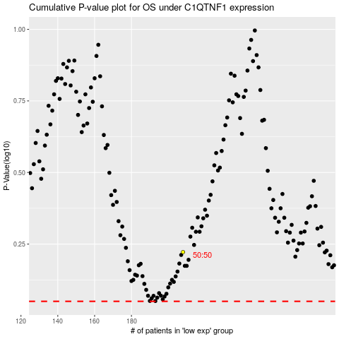

 |  |  |  |  |  | cases_OS | p_OS | rank | exp
 |  |  |  |  |  |  | cases_RFS | p_RFS | rank | exp

