C1QTNF2 _multivariate
Reported by Tex Li-Hsing Chi. tex@gate.sinica.edu.tw 2019-08-21

Table 2. The clinicopathological features of HNSCC cohort and C1QTNF2 expression. (Chi square test)
Cutoff at -0.221 (49.8%)
 |  | C1QTNF2 expression |  | C1QTNF2 expression |  | (Optimised)
 | Features | Low | (%) | High | (%) | Case no | P-value | Remark | Matthews
Gender | Female | 157 | 37.8 | 149 | 35.9 | 415 | 0.3881 | 0 | 0
2 | Male | 50 | 12 | 59 | 14.2
Age at diagnosis | <=65y | 134 | 32.3 | 140 | 33.7 | 415 | 0.6529 | 0 | 0
4 | >65y | 73 | 17.6 | 68 | 16.4
Clinical T Status | T1+T2 | 54 | 13 | 95 | 22.9 | 415 | 0 | 1 | 0
6 | T3+T4 | 153 | 36.9 | 113 | 27.2
Clinical N Status | N0 | 105 | 25.3 | 111 | 26.7 | 415 | 0.6598 | 0 | 0
8 | N1-3 | 102 | 24.6 | 97 | 23.4
Clinical M Status | M0 | 205 | 49.4 | 207 | 49.9 | 415 | 0.6232 | 0 | 0
10 | M1 | 2 | 0.5 | 1 | 0.2
Clinical Stage | Stage I+II | 37 | 8.9 | 65 | 15.7 | 415 | 0.0023 | 1 | 0
12 | Stage III+IV | 170 | 41 | 143 | 34.5
Surgical Margin status | Negative | 160 | 38.6 | 158 | 38.1 | 415 | 0.8167 | 0 | 0
14 | Positive | 47 | 11.3 | 50 | 12
Tobacco Exposure | Low | 68 | 16.4 | 93 | 22.4 | 415 | 0.0156 | 1 | 0
16 | High | 139 | 33.5 | 115 | 27.7

Table 3. Univariate/Multivariate Cox's proportional hazards regression analyses on OS time of C1QTNF2 gene expression in HNSCC

 |  | Univariate |  |  |  | Multivariate
 | Features | HR | CI95%(L) | CI95%(H) | P-value | HR | CI95%(L) | CI95%(H) | P-value
1 | Female | 1 |  |  |  | 1
Gender | Male | 1.157 | 0.843 | 1.587 | 0.367 | 1.215 | 0.868 | 1.7 | 0.257
11 | <=65y | 1 |  |  |  | 1
Age at diagnosis | >65y | 1.329 | 0.99 | 1.784 | 0.058 | 1.381 | 1.015 | 1.879 | 0.04
12 | T1+T2 | 1 |  |  |  | 1
Clinical T Status | T3+T4 | 1.409 | 1.028 | 1.931 | 0.033 | 2.168 | 1.145 | 4.105 | 0.018
13 | N0 | 1 |  |  |  | 1
Clinical N Status | N1-3 | 1.185 | 0.89 | 1.577 | 0.246 | 1.246 | 0.873 | 1.779 | 0.226
14 | M0 | 1 |  |  |  | 1
Clinical M Status | M1 | 4.097 | 1.009 | 16.644 | 0.049 | 9.245 | 2.015 | 42.418 | 0.004
15 | Stage I+II | 1 |  |  |  | 1
Clinical Stage | Stage III+IV | 1.245 | 0.882 | 1.759 | 0.213 | 0.5 | 0.233 | 1.074 | 0.076
16 | Negative | 1 |  |  |  | 1
Surgical Margin status | Positive | 1.591 | 1.155 | 2.191 | 0.004 | 1.676 | 1.212 | 2.316 | 0.002
17 | Low | 1 |  |  |  | 1
Tobacco Exposure | High | 1.364 | 1.008 | 1.844 | 0.044 | 1.448 | 1.05 | 1.996 | 0.024
18 | Low | 1 |  |  |  | 1
RNAseq(z-score) | High | 0.842 | 0.631 | 1.124 | 0.243 | 0.9 | 0.669 | 1.21 | 0.485

Table 4. Univariate/Multivariate Cox's proportional hazards regression analyses on RFS time of C1QTNF2 gene expression in HNSCC

 |  | Univariate |  |  |  | Multivariate
 | Features | HR | CI95%(L) | CI95%(H) | P-value | HR | CI95%(L) | CI95%(H) | P-value
1 | Female | 1 |  |  |  | 1
Gender | Male | 1.157 | 0.843 | 1.587 | 0.367 | 1.215 | 0.868 | 1.7 | 0.257
11 | <=65y | 1 |  |  |  | 1
Age at diagnosis | >65y | 1.329 | 0.99 | 1.784 | 0.058 | 1.381 | 1.015 | 1.879 | 0.04
12 | T1+T2 | 1 |  |  |  | 1
Clinical T Status | T3+T4 | 1.409 | 1.028 | 1.931 | 0.033 | 2.168 | 1.145 | 4.105 | 0.018
13 | N0 | 1 |  |  |  | 1
Clinical N Status | N1-3 | 1.185 | 0.89 | 1.577 | 0.246 | 1.246 | 0.873 | 1.779 | 0.226
14 | M0 | 1 |  |  |  | 1
Clinical M Status | M1 | 4.097 | 1.009 | 16.644 | 0.049 | 9.245 | 2.015 | 42.418 | 0.004
15 | Stage I+II | 1 |  |  |  | 1
Clinical Stage | Stage III+IV | 1.245 | 0.882 | 1.759 | 0.213 | 0.5 | 0.233 | 1.074 | 0.076
16 | Negative | 1 |  |  |  | 1
Surgical Margin status | Positive | 1.591 | 1.155 | 2.191 | 0.004 | 1.676 | 1.212 | 2.316 | 0.002
17 | Low | 1 |  |  |  | 1
Tobacco Exposure | High | 1.364 | 1.008 | 1.844 | 0.044 | 1.448 | 1.05 | 1.996 | 0.024
18 | Low | 1 |  |  |  | 1
RNAseq(z-score) | High | 0.842 | 0.631 | 1.124 | 0.243 | 0.9 | 0.669 | 1.21 | 0.485

Kaplan-Meier survival estimate: Cutoff at -0.221 (49.8%)



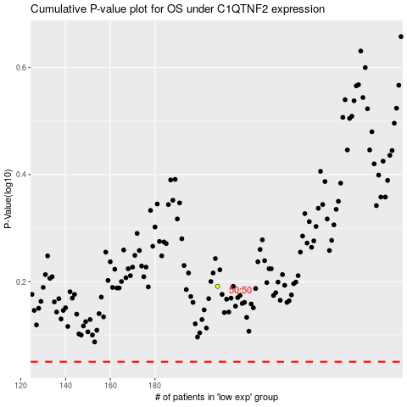

 |  |  |  |  |  | cases_OS | p_OS | rank | exp
 |  |  |  |  |  |  | cases_RFS | p_RFS | rank | exp

